EHMT1 _multivariate
Reported by Tex Li-Hsing Chi. tex@gate.sinica.edu.tw 2019-08-20

Table 2. The clinicopathological features of HNSCC cohort and EHMT1 expression. (Chi square test)
Cutoff at -0.095 (49.8%)
 |  | EHMT1 expression |  | EHMT1 expression |  | (Optimised)
 | Features | Low | (%) | High | (%) | Case no | P-value | Remark | Matthews
Gender | Female | 149 | 35.9 | 157 | 37.8 | 415 | 0.4848 | 0 | 0
2 | Male | 58 | 14 | 51 | 12.3
Age at diagnosis | <=65y | 136 | 32.8 | 138 | 33.3 | 415 | 0.9719 | 0 | 0
4 | >65y | 71 | 17.1 | 70 | 16.9
Clinical T Status | T1+T2 | 85 | 20.5 | 64 | 15.4 | 415 | 0.0372 | 1 | 0
6 | T3+T4 | 122 | 29.4 | 144 | 34.7
Clinical N Status | N0 | 109 | 26.3 | 107 | 25.8 | 415 | 0.8812 | 0 | 0
8 | N1-3 | 98 | 23.6 | 101 | 24.3
Clinical M Status | M0 | 205 | 49.4 | 207 | 49.9 | 415 | 0.6232 | 0 | 0
10 | M1 | 2 | 0.5 | 1 | 0.2
Clinical Stage | Stage I+II | 62 | 14.9 | 40 | 9.6 | 415 | 0.0154 | 1 | 0
12 | Stage III+IV | 145 | 34.9 | 168 | 40.5
Surgical Margin status | Negative | 166 | 40 | 152 | 36.6 | 415 | 0.1042 | 0 | 0
14 | Positive | 41 | 9.9 | 56 | 13.5
Tobacco Exposure | Low | 86 | 20.7 | 75 | 18.1 | 415 | 0.2687 | 0 | 0
16 | High | 121 | 29.2 | 133 | 32

Table 3. Univariate/Multivariate Cox's proportional hazards regression analyses on OS time of EHMT1 gene expression in HNSCC

 |  | Univariate |  |  |  | Multivariate
 | Features | HR | CI95%(L) | CI95%(H) | P-value | HR | CI95%(L) | CI95%(H) | P-value
1 | Female | 1 |  |  |  | 1
Gender | Male | 1.157 | 0.843 | 1.587 | 0.367 | 1.212 | 0.866 | 1.697 | 0.262
11 | <=65y | 1 |  |  |  | 1
Age at diagnosis | >65y | 1.329 | 0.99 | 1.784 | 0.058 | 1.38 | 1.014 | 1.88 | 0.041
12 | T1+T2 | 1 |  |  |  | 1
Clinical T Status | T3+T4 | 1.409 | 1.028 | 1.931 | 0.033 | 2.206 | 1.166 | 4.172 | 0.015
13 | N0 | 1 |  |  |  | 1
Clinical N Status | N1-3 | 1.185 | 0.89 | 1.577 | 0.246 | 1.249 | 0.875 | 1.784 | 0.221
14 | M0 | 1 |  |  |  | 1
Clinical M Status | M1 | 4.097 | 1.009 | 16.644 | 0.049 | 9.643 | 2.097 | 44.353 | 0.004
15 | Stage I+II | 1 |  |  |  | 1
Clinical Stage | Stage III+IV | 1.245 | 0.882 | 1.759 | 0.213 | 0.497 | 0.231 | 1.07 | 0.074
16 | Negative | 1 |  |  |  | 1
Surgical Margin status | Positive | 1.591 | 1.155 | 2.191 | 0.004 | 1.661 | 1.201 | 2.297 | 0.002
17 | Low | 1 |  |  |  | 1
Tobacco Exposure | High | 1.364 | 1.008 | 1.844 | 0.044 | 1.45 | 1.051 | 1.999 | 0.023
18 | Low | 1 |  |  |  | 1
RNAseq(z-score) | High | 1.119 | 0.839 | 1.492 | 0.443 | 1.076 | 0.8 | 1.448 | 0.627

Table 4. Univariate/Multivariate Cox's proportional hazards regression analyses on RFS time of EHMT1 gene expression in HNSCC

 |  | Univariate |  |  |  | Multivariate
 | Features | HR | CI95%(L) | CI95%(H) | P-value | HR | CI95%(L) | CI95%(H) | P-value
1 | Female | 1 |  |  |  | 1
Gender | Male | 1.157 | 0.843 | 1.587 | 0.367 | 1.212 | 0.866 | 1.697 | 0.262
11 | <=65y | 1 |  |  |  | 1
Age at diagnosis | >65y | 1.329 | 0.99 | 1.784 | 0.058 | 1.38 | 1.014 | 1.88 | 0.041
12 | T1+T2 | 1 |  |  |  | 1
Clinical T Status | T3+T4 | 1.409 | 1.028 | 1.931 | 0.033 | 2.206 | 1.166 | 4.172 | 0.015
13 | N0 | 1 |  |  |  | 1
Clinical N Status | N1-3 | 1.185 | 0.89 | 1.577 | 0.246 | 1.249 | 0.875 | 1.784 | 0.221
14 | M0 | 1 |  |  |  | 1
Clinical M Status | M1 | 4.097 | 1.009 | 16.644 | 0.049 | 9.643 | 2.097 | 44.353 | 0.004
15 | Stage I+II | 1 |  |  |  | 1
Clinical Stage | Stage III+IV | 1.245 | 0.882 | 1.759 | 0.213 | 0.497 | 0.231 | 1.07 | 0.074
16 | Negative | 1 |  |  |  | 1
Surgical Margin status | Positive | 1.591 | 1.155 | 2.191 | 0.004 | 1.661 | 1.201 | 2.297 | 0.002
17 | Low | 1 |  |  |  | 1
Tobacco Exposure | High | 1.364 | 1.008 | 1.844 | 0.044 | 1.45 | 1.051 | 1.999 | 0.023
18 | Low | 1 |  |  |  | 1
RNAseq(z-score) | High | 1.119 | 0.839 | 1.492 | 0.443 | 1.076 | 0.8 | 1.448 | 0.627

Kaplan-Meier survival estimate: Cutoff at -0.095 (49.8%)



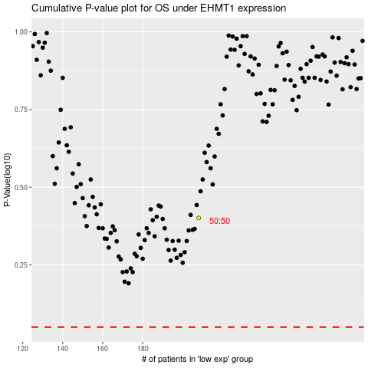

 |  |  |  |  |  | cases_OS | p_OS | rank | exp
 |  |  |  |  |  |  | cases_RFS | p_RFS | rank | exp

