EHMT2 _multivariate
Reported by Tex Li-Hsing Chi. tex@gate.sinica.edu.tw 2019-08-20

Table 2. The clinicopathological features of HNSCC cohort and EHMT2 expression. (Chi square test)
Cutoff at -0.193 (49.8%)
 |  | EHMT2 expression |  | EHMT2 expression |  | (Optimised)
 | Features | Low | (%) | High | (%) | Case no | P-value | Remark | Matthews
Gender | Female | 145 | 34.9 | 161 | 38.8 | 415 | 0.1116 | 0 | 0
2 | Male | 62 | 14.9 | 47 | 11.3
Age at diagnosis | <=65y | 135 | 32.5 | 139 | 33.5 | 415 | 0.8084 | 0 | 0
4 | >65y | 72 | 17.3 | 69 | 16.6
Clinical T Status | T1+T2 | 69 | 16.6 | 80 | 19.3 | 415 | 0.3239 | 0 | 0
6 | T3+T4 | 138 | 33.3 | 128 | 30.8
Clinical N Status | N0 | 109 | 26.3 | 107 | 25.8 | 415 | 0.8812 | 0 | 0
8 | N1-3 | 98 | 23.6 | 101 | 24.3
Clinical M Status | M0 | 206 | 49.6 | 206 | 49.6 | 415 | 1 | 0 | 0
10 | M1 | 1 | 0.2 | 2 | 0.5
Clinical Stage | Stage I+II | 51 | 12.3 | 51 | 12.3 | 415 | 1 | 0 | 0
12 | Stage III+IV | 156 | 37.6 | 157 | 37.8
Surgical Margin status | Negative | 168 | 40.5 | 150 | 36.1 | 415 | 0.0366 | 1 | 0
14 | Positive | 39 | 9.4 | 58 | 14
Tobacco Exposure | Low | 81 | 19.5 | 80 | 19.3 | 415 | 0.9199 | 0 | 0
16 | High | 126 | 30.4 | 128 | 30.8

Table 3. Univariate/Multivariate Cox's proportional hazards regression analyses on OS time of EHMT2 gene expression in HNSCC

 |  | Univariate |  |  |  | Multivariate
 | Features | HR | CI95%(L) | CI95%(H) | P-value | HR | CI95%(L) | CI95%(H) | P-value
1 | Female | 1 |  |  |  | 1
Gender | Male | 1.157 | 0.843 | 1.587 | 0.367 | 1.199 | 0.858 | 1.677 | 0.288
11 | <=65y | 1 |  |  |  | 1
Age at diagnosis | >65y | 1.329 | 0.99 | 1.784 | 0.058 | 1.39 | 1.022 | 1.89 | 0.036
12 | T1+T2 | 1 |  |  |  | 1
Clinical T Status | T3+T4 | 1.409 | 1.028 | 1.931 | 0.033 | 2.197 | 1.161 | 4.157 | 0.016
13 | N0 | 1 |  |  |  | 1
Clinical N Status | N1-3 | 1.185 | 0.89 | 1.577 | 0.246 | 1.24 | 0.869 | 1.769 | 0.236
14 | M0 | 1 |  |  |  | 1
Clinical M Status | M1 | 4.097 | 1.009 | 16.644 | 0.049 | 9.45 | 2.059 | 43.365 | 0.004
15 | Stage I+II | 1 |  |  |  | 1
Clinical Stage | Stage III+IV | 1.245 | 0.882 | 1.759 | 0.213 | 0.506 | 0.236 | 1.087 | 0.081
16 | Negative | 1 |  |  |  | 1
Surgical Margin status | Positive | 1.591 | 1.155 | 2.191 | 0.004 | 1.679 | 1.209 | 2.332 | 0.002
17 | Low | 1 |  |  |  | 1
Tobacco Exposure | High | 1.364 | 1.008 | 1.844 | 0.044 | 1.452 | 1.054 | 2.001 | 0.022
18 | Low | 1 |  |  |  | 1
RNAseq(z-score) | High | 1.011 | 0.76 | 1.347 | 0.938 | 0.977 | 0.728 | 1.31 | 0.875

Table 4. Univariate/Multivariate Cox's proportional hazards regression analyses on RFS time of EHMT2 gene expression in HNSCC

 |  | Univariate |  |  |  | Multivariate
 | Features | HR | CI95%(L) | CI95%(H) | P-value | HR | CI95%(L) | CI95%(H) | P-value
1 | Female | 1 |  |  |  | 1
Gender | Male | 1.157 | 0.843 | 1.587 | 0.367 | 1.199 | 0.858 | 1.677 | 0.288
11 | <=65y | 1 |  |  |  | 1
Age at diagnosis | >65y | 1.329 | 0.99 | 1.784 | 0.058 | 1.39 | 1.022 | 1.89 | 0.036
12 | T1+T2 | 1 |  |  |  | 1
Clinical T Status | T3+T4 | 1.409 | 1.028 | 1.931 | 0.033 | 2.197 | 1.161 | 4.157 | 0.016
13 | N0 | 1 |  |  |  | 1
Clinical N Status | N1-3 | 1.185 | 0.89 | 1.577 | 0.246 | 1.24 | 0.869 | 1.769 | 0.236
14 | M0 | 1 |  |  |  | 1
Clinical M Status | M1 | 4.097 | 1.009 | 16.644 | 0.049 | 9.45 | 2.059 | 43.365 | 0.004
15 | Stage I+II | 1 |  |  |  | 1
Clinical Stage | Stage III+IV | 1.245 | 0.882 | 1.759 | 0.213 | 0.506 | 0.236 | 1.087 | 0.081
16 | Negative | 1 |  |  |  | 1
Surgical Margin status | Positive | 1.591 | 1.155 | 2.191 | 0.004 | 1.679 | 1.209 | 2.332 | 0.002
17 | Low | 1 |  |  |  | 1
Tobacco Exposure | High | 1.364 | 1.008 | 1.844 | 0.044 | 1.452 | 1.054 | 2.001 | 0.022
18 | Low | 1 |  |  |  | 1
RNAseq(z-score) | High | 1.011 | 0.76 | 1.347 | 0.938 | 0.977 | 0.728 | 1.31 | 0.875

Kaplan-Meier survival estimate: Cutoff at -0.193 (49.8%)



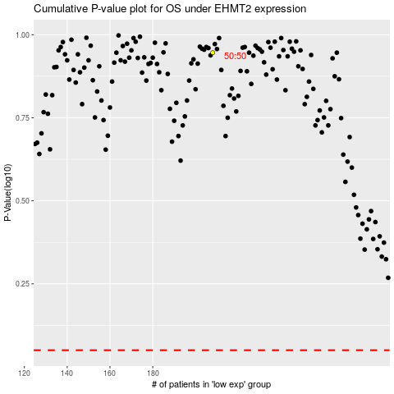

 |  |  |  |  |  | cases_OS | p_OS | rank | exp
 |  |  |  |  |  |  | cases_RFS | p_RFS | rank | exp

