EI24 _multivariate
Reported by Tex Li-Hsing Chi. tex@gate.sinica.edu.tw 2019-08-20

Table 2. The clinicopathological features of HNSCC cohort and EI24 expression. (Chi square test)
Cutoff at -0.132 (50.0%)
 |  | EI24 expression |  | EI24 expression |  | (Optimised)
 | Features | Low | (%) | High | (%) | Case no | P-value | Remark | Matthews
Gender | Female | 166 | 40 | 140 | 33.7 | 415 | 0.0041 | 1 | 0
2 | Male | 41 | 9.9 | 68 | 16.4
Age at diagnosis | <=65y | 145 | 34.9 | 129 | 31.1 | 415 | 0.1046 | 0 | 0
4 | >65y | 62 | 14.9 | 79 | 19
Clinical T Status | T1+T2 | 78 | 18.8 | 71 | 17.1 | 415 | 0.5152 | 0 | 0
6 | T3+T4 | 129 | 31.1 | 137 | 33
Clinical N Status | N0 | 92 | 22.2 | 124 | 29.9 | 415 | 0.0027 | 1 | 0
8 | N1-3 | 115 | 27.7 | 84 | 20.2
Clinical M Status | M0 | 205 | 49.4 | 207 | 49.9 | 415 | 0.6232 | 0 | 0
10 | M1 | 2 | 0.5 | 1 | 0.2
Clinical Stage | Stage I+II | 47 | 11.3 | 55 | 13.3 | 415 | 0.4413 | 0 | 0
12 | Stage III+IV | 160 | 38.6 | 153 | 36.9
Surgical Margin status | Negative | 161 | 38.8 | 157 | 37.8 | 415 | 0.6429 | 0 | 0
14 | Positive | 46 | 11.1 | 51 | 12.3
Tobacco Exposure | Low | 75 | 18.1 | 86 | 20.7 | 415 | 0.3141 | 0 | 0
16 | High | 132 | 31.8 | 122 | 29.4

Table 3. Univariate/Multivariate Cox's proportional hazards regression analyses on OS time of EI24 gene expression in HNSCC

 |  | Univariate |  |  |  | Multivariate
 | Features | HR | CI95%(L) | CI95%(H) | P-value | HR | CI95%(L) | CI95%(H) | P-value
1 | Female | 1 |  |  |  | 1
Gender | Male | 1.157 | 0.843 | 1.587 | 0.367 | 1.214 | 0.866 | 1.701 | 0.261
11 | <=65y | 1 |  |  |  | 1
Age at diagnosis | >65y | 1.329 | 0.99 | 1.784 | 0.058 | 1.4 | 1.029 | 1.905 | 0.032
12 | T1+T2 | 1 |  |  |  | 1
Clinical T Status | T3+T4 | 1.409 | 1.028 | 1.931 | 0.033 | 2.212 | 1.17 | 4.184 | 0.015
13 | N0 | 1 |  |  |  | 1
Clinical N Status | N1-3 | 1.185 | 0.89 | 1.577 | 0.246 | 1.229 | 0.859 | 1.759 | 0.26
14 | M0 | 1 |  |  |  | 1
Clinical M Status | M1 | 4.097 | 1.009 | 16.644 | 0.049 | 9.471 | 2.066 | 43.427 | 0.004
15 | Stage I+II | 1 |  |  |  | 1
Clinical Stage | Stage III+IV | 1.245 | 0.882 | 1.759 | 0.213 | 0.504 | 0.235 | 1.081 | 0.078
16 | Negative | 1 |  |  |  | 1
Surgical Margin status | Positive | 1.591 | 1.155 | 2.191 | 0.004 | 1.682 | 1.216 | 2.327 | 0.002
17 | Low | 1 |  |  |  | 1
Tobacco Exposure | High | 1.364 | 1.008 | 1.844 | 0.044 | 1.449 | 1.051 | 1.996 | 0.023
18 | Low | 1 |  |  |  | 1
RNAseq(z-score) | High | 1.003 | 0.752 | 1.338 | 0.985 | 0.939 | 0.696 | 1.267 | 0.681

Table 4. Univariate/Multivariate Cox's proportional hazards regression analyses on RFS time of EI24 gene expression in HNSCC

 |  | Univariate |  |  |  | Multivariate
 | Features | HR | CI95%(L) | CI95%(H) | P-value | HR | CI95%(L) | CI95%(H) | P-value
1 | Female | 1 |  |  |  | 1
Gender | Male | 1.157 | 0.843 | 1.587 | 0.367 | 1.214 | 0.866 | 1.701 | 0.261
11 | <=65y | 1 |  |  |  | 1
Age at diagnosis | >65y | 1.329 | 0.99 | 1.784 | 0.058 | 1.4 | 1.029 | 1.905 | 0.032
12 | T1+T2 | 1 |  |  |  | 1
Clinical T Status | T3+T4 | 1.409 | 1.028 | 1.931 | 0.033 | 2.212 | 1.17 | 4.184 | 0.015
13 | N0 | 1 |  |  |  | 1
Clinical N Status | N1-3 | 1.185 | 0.89 | 1.577 | 0.246 | 1.229 | 0.859 | 1.759 | 0.26
14 | M0 | 1 |  |  |  | 1
Clinical M Status | M1 | 4.097 | 1.009 | 16.644 | 0.049 | 9.471 | 2.066 | 43.427 | 0.004
15 | Stage I+II | 1 |  |  |  | 1
Clinical Stage | Stage III+IV | 1.245 | 0.882 | 1.759 | 0.213 | 0.504 | 0.235 | 1.081 | 0.078
16 | Negative | 1 |  |  |  | 1
Surgical Margin status | Positive | 1.591 | 1.155 | 2.191 | 0.004 | 1.682 | 1.216 | 2.327 | 0.002
17 | Low | 1 |  |  |  | 1
Tobacco Exposure | High | 1.364 | 1.008 | 1.844 | 0.044 | 1.449 | 1.051 | 1.996 | 0.023
18 | Low | 1 |  |  |  | 1
RNAseq(z-score) | High | 1.003 | 0.752 | 1.338 | 0.985 | 0.939 | 0.696 | 1.267 | 0.681

Kaplan-Meier survival estimate: Cutoff at -0.132 (50.0%)



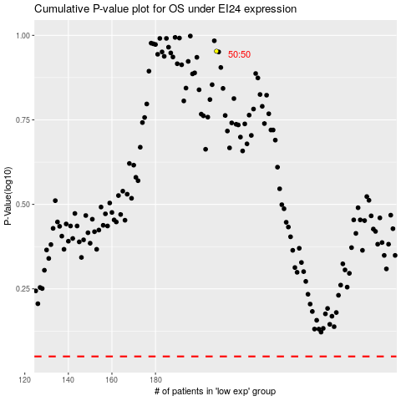

 |  |  |  |  |  | cases_OS | p_OS | rank | exp
 |  |  |  |  |  |  | cases_RFS | p_RFS | rank | exp

