EIF1B _multivariate
Reported by Tex Li-Hsing Chi. tex@gate.sinica.edu.tw 2019-08-20

Table 2. The clinicopathological features of HNSCC cohort and EIF1B expression. (Chi square test)
Cutoff at -0.262 (49.8%)
 |  | EIF1B expression |  | EIF1B expression |  | (Optimised)
 | Features | Low | (%) | High | (%) | Case no | P-value | Remark | Matthews
Gender | Female | 149 | 35.9 | 157 | 37.8 | 415 | 0.4848 | 0 | 0
2 | Male | 58 | 14 | 51 | 12.3
Age at diagnosis | <=65y | 137 | 33 | 137 | 33 | 415 | 1 | 0 | 0
4 | >65y | 70 | 16.9 | 71 | 17.1
Clinical T Status | T1+T2 | 76 | 18.3 | 73 | 17.6 | 415 | 0.8092 | 0 | 0
6 | T3+T4 | 131 | 31.6 | 135 | 32.5
Clinical N Status | N0 | 107 | 25.8 | 109 | 26.3 | 415 | 0.9624 | 0 | 0
8 | N1-3 | 100 | 24.1 | 99 | 23.9
Clinical M Status | M0 | 206 | 49.6 | 206 | 49.6 | 415 | 1 | 0 | 0
10 | M1 | 1 | 0.2 | 2 | 0.5
Clinical Stage | Stage I+II | 55 | 13.3 | 47 | 11.3 | 415 | 0.4087 | 0 | 0
12 | Stage III+IV | 152 | 36.6 | 161 | 38.8
Surgical Margin status | Negative | 167 | 40.2 | 151 | 36.4 | 415 | 0.0632 | 0 | 0
14 | Positive | 40 | 9.6 | 57 | 13.7
Tobacco Exposure | Low | 85 | 20.5 | 76 | 18.3 | 415 | 0.3655 | 0 | 0
16 | High | 122 | 29.4 | 132 | 31.8

Table 3. Univariate/Multivariate Cox's proportional hazards regression analyses on OS time of EIF1B gene expression in HNSCC

 |  | Univariate |  |  |  | Multivariate
 | Features | HR | CI95%(L) | CI95%(H) | P-value | HR | CI95%(L) | CI95%(H) | P-value
1 | Female | 1 |  |  |  | 1
Gender | Male | 1.157 | 0.843 | 1.587 | 0.367 | 1.201 | 0.86 | 1.677 | 0.282
11 | <=65y | 1 |  |  |  | 1
Age at diagnosis | >65y | 1.329 | 0.99 | 1.784 | 0.058 | 1.394 | 1.026 | 1.896 | 0.034
12 | T1+T2 | 1 |  |  |  | 1
Clinical T Status | T3+T4 | 1.409 | 1.028 | 1.931 | 0.033 | 2.205 | 1.166 | 4.17 | 0.015
13 | N0 | 1 |  |  |  | 1
Clinical N Status | N1-3 | 1.185 | 0.89 | 1.577 | 0.246 | 1.246 | 0.873 | 1.779 | 0.226
14 | M0 | 1 |  |  |  | 1
Clinical M Status | M1 | 4.097 | 1.009 | 16.644 | 0.049 | 9.32 | 2.032 | 42.743 | 0.004
15 | Stage I+II | 1 |  |  |  | 1
Clinical Stage | Stage III+IV | 1.245 | 0.882 | 1.759 | 0.213 | 0.503 | 0.234 | 1.079 | 0.078
16 | Negative | 1 |  |  |  | 1
Surgical Margin status | Positive | 1.591 | 1.155 | 2.191 | 0.004 | 1.662 | 1.202 | 2.299 | 0.002
17 | Low | 1 |  |  |  | 1
Tobacco Exposure | High | 1.364 | 1.008 | 1.844 | 0.044 | 1.441 | 1.044 | 1.988 | 0.026
18 | Low | 1 |  |  |  | 1
RNAseq(z-score) | High | 1.117 | 0.839 | 1.489 | 0.448 | 1.068 | 0.798 | 1.428 | 0.659

Table 4. Univariate/Multivariate Cox's proportional hazards regression analyses on RFS time of EIF1B gene expression in HNSCC

 |  | Univariate |  |  |  | Multivariate
 | Features | HR | CI95%(L) | CI95%(H) | P-value | HR | CI95%(L) | CI95%(H) | P-value
1 | Female | 1 |  |  |  | 1
Gender | Male | 1.157 | 0.843 | 1.587 | 0.367 | 1.201 | 0.86 | 1.677 | 0.282
11 | <=65y | 1 |  |  |  | 1
Age at diagnosis | >65y | 1.329 | 0.99 | 1.784 | 0.058 | 1.394 | 1.026 | 1.896 | 0.034
12 | T1+T2 | 1 |  |  |  | 1
Clinical T Status | T3+T4 | 1.409 | 1.028 | 1.931 | 0.033 | 2.205 | 1.166 | 4.17 | 0.015
13 | N0 | 1 |  |  |  | 1
Clinical N Status | N1-3 | 1.185 | 0.89 | 1.577 | 0.246 | 1.246 | 0.873 | 1.779 | 0.226
14 | M0 | 1 |  |  |  | 1
Clinical M Status | M1 | 4.097 | 1.009 | 16.644 | 0.049 | 9.32 | 2.032 | 42.743 | 0.004
15 | Stage I+II | 1 |  |  |  | 1
Clinical Stage | Stage III+IV | 1.245 | 0.882 | 1.759 | 0.213 | 0.503 | 0.234 | 1.079 | 0.078
16 | Negative | 1 |  |  |  | 1
Surgical Margin status | Positive | 1.591 | 1.155 | 2.191 | 0.004 | 1.662 | 1.202 | 2.299 | 0.002
17 | Low | 1 |  |  |  | 1
Tobacco Exposure | High | 1.364 | 1.008 | 1.844 | 0.044 | 1.441 | 1.044 | 1.988 | 0.026
18 | Low | 1 |  |  |  | 1
RNAseq(z-score) | High | 1.117 | 0.839 | 1.489 | 0.448 | 1.068 | 0.798 | 1.428 | 0.659

Kaplan-Meier survival estimate: Cutoff at -0.262 (49.8%)



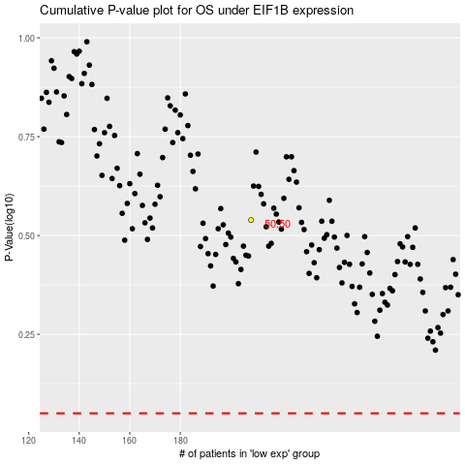

 |  |  |  |  |  | cases_OS | p_OS | rank | exp
 |  |  |  |  |  |  | cases_RFS | p_RFS | rank | exp

