EIF2AK3 _multivariate
Reported by Tex Li-Hsing Chi. tex@gate.sinica.edu.tw 2019-08-20

Table 2. The clinicopathological features of HNSCC cohort and EIF2AK3 expression. (Chi square test)
Cutoff at -0.281 (50.0%)
 |  | EIF2AK3 expression |  | EIF2AK3 expression |  | (Optimised)
 | Features | Low | (%) | High | (%) | Case no | P-value | Remark | Matthews
Gender | Female | 141 | 34 | 165 | 39.8 | 415 | 0.013 | 1 | 0
2 | Male | 66 | 15.9 | 43 | 10.4
Age at diagnosis | <=65y | 134 | 32.3 | 140 | 33.7 | 415 | 0.6529 | 0 | 0
4 | >65y | 73 | 17.6 | 68 | 16.4
Clinical T Status | T1+T2 | 80 | 19.3 | 69 | 16.6 | 415 | 0.2891 | 0 | 0
6 | T3+T4 | 127 | 30.6 | 139 | 33.5
Clinical N Status | N0 | 108 | 26 | 108 | 26 | 415 | 1 | 0 | 0
8 | N1-3 | 99 | 23.9 | 100 | 24.1
Clinical M Status | M0 | 204 | 49.2 | 208 | 50.1 | 415 | 0.1232 | 0 | 0
10 | M1 | 3 | 0.7 | 0 | 0
Clinical Stage | Stage I+II | 55 | 13.3 | 47 | 11.3 | 415 | 0.4087 | 0 | 0
12 | Stage III+IV | 152 | 36.6 | 161 | 38.8
Surgical Margin status | Negative | 157 | 37.8 | 161 | 38.8 | 415 | 0.729 | 0 | 0
14 | Positive | 50 | 12 | 47 | 11.3
Tobacco Exposure | Low | 98 | 23.6 | 63 | 15.2 | 415 | 4e-04 | 1 | 0
16 | High | 109 | 26.3 | 145 | 34.9

Table 3. Univariate/Multivariate Cox's proportional hazards regression analyses on OS time of EIF2AK3 gene expression in HNSCC

 |  | Univariate |  |  |  | Multivariate
 | Features | HR | CI95%(L) | CI95%(H) | P-value | HR | CI95%(L) | CI95%(H) | P-value
1 | Female | 1 |  |  |  | 1
Gender | Male | 1.157 | 0.843 | 1.587 | 0.367 | 1.195 | 0.854 | 1.672 | 0.3
11 | <=65y | 1 |  |  |  | 1
Age at diagnosis | >65y | 1.329 | 0.99 | 1.784 | 0.058 | 1.39 | 1.022 | 1.889 | 0.036
12 | T1+T2 | 1 |  |  |  | 1
Clinical T Status | T3+T4 | 1.409 | 1.028 | 1.931 | 0.033 | 2.204 | 1.165 | 4.167 | 0.015
13 | N0 | 1 |  |  |  | 1
Clinical N Status | N1-3 | 1.185 | 0.89 | 1.577 | 0.246 | 1.236 | 0.865 | 1.764 | 0.244
14 | M0 | 1 |  |  |  | 1
Clinical M Status | M1 | 4.097 | 1.009 | 16.644 | 0.049 | 9.171 | 1.986 | 42.357 | 0.005
15 | Stage I+II | 1 |  |  |  | 1
Clinical Stage | Stage III+IV | 1.245 | 0.882 | 1.759 | 0.213 | 0.507 | 0.236 | 1.089 | 0.082
16 | Negative | 1 |  |  |  | 1
Surgical Margin status | Positive | 1.591 | 1.155 | 2.191 | 0.004 | 1.667 | 1.206 | 2.304 | 0.002
17 | Low | 1 |  |  |  | 1
Tobacco Exposure | High | 1.364 | 1.008 | 1.844 | 0.044 | 1.461 | 1.059 | 2.017 | 0.021
18 | Low | 1 |  |  |  | 1
RNAseq(z-score) | High | 0.929 | 0.696 | 1.24 | 0.616 | 0.952 | 0.707 | 1.281 | 0.745

Table 4. Univariate/Multivariate Cox's proportional hazards regression analyses on RFS time of EIF2AK3 gene expression in HNSCC

 |  | Univariate |  |  |  | Multivariate
 | Features | HR | CI95%(L) | CI95%(H) | P-value | HR | CI95%(L) | CI95%(H) | P-value
1 | Female | 1 |  |  |  | 1
Gender | Male | 1.157 | 0.843 | 1.587 | 0.367 | 1.195 | 0.854 | 1.672 | 0.3
11 | <=65y | 1 |  |  |  | 1
Age at diagnosis | >65y | 1.329 | 0.99 | 1.784 | 0.058 | 1.39 | 1.022 | 1.889 | 0.036
12 | T1+T2 | 1 |  |  |  | 1
Clinical T Status | T3+T4 | 1.409 | 1.028 | 1.931 | 0.033 | 2.204 | 1.165 | 4.167 | 0.015
13 | N0 | 1 |  |  |  | 1
Clinical N Status | N1-3 | 1.185 | 0.89 | 1.577 | 0.246 | 1.236 | 0.865 | 1.764 | 0.244
14 | M0 | 1 |  |  |  | 1
Clinical M Status | M1 | 4.097 | 1.009 | 16.644 | 0.049 | 9.171 | 1.986 | 42.357 | 0.005
15 | Stage I+II | 1 |  |  |  | 1
Clinical Stage | Stage III+IV | 1.245 | 0.882 | 1.759 | 0.213 | 0.507 | 0.236 | 1.089 | 0.082
16 | Negative | 1 |  |  |  | 1
Surgical Margin status | Positive | 1.591 | 1.155 | 2.191 | 0.004 | 1.667 | 1.206 | 2.304 | 0.002
17 | Low | 1 |  |  |  | 1
Tobacco Exposure | High | 1.364 | 1.008 | 1.844 | 0.044 | 1.461 | 1.059 | 2.017 | 0.021
18 | Low | 1 |  |  |  | 1
RNAseq(z-score) | High | 0.929 | 0.696 | 1.24 | 0.616 | 0.952 | 0.707 | 1.281 | 0.745

Kaplan-Meier survival estimate: Cutoff at -0.281 (50.0%)



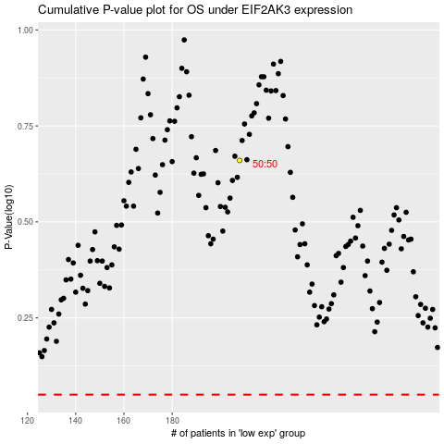

 |  |  |  |  |  | cases_OS | p_OS | rank | exp
 |  |  |  |  |  |  | cases_RFS | p_RFS | rank | exp

