EIF2B1 _multivariate
Reported by Tex Li-Hsing Chi. tex@gate.sinica.edu.tw 2019-08-20

Table 2. The clinicopathological features of HNSCC cohort and EIF2B1 expression. (Chi square test)
Cutoff at -0.433 (32.9%)
 |  | EIF2B1 expression |  | EIF2B1 expression |  | (Optimised)
 | Features | Low | (%) | High | (%) | Case no | P-value | Remark | Matthews
Gender | Female | 102 | 24.6 | 204 | 49.2 | 415 | 0.7718 | 0 | 0
2 | Male | 34 | 8.2 | 75 | 18.1
Age at diagnosis | <=65y | 95 | 22.9 | 179 | 43.1 | 415 | 0.2986 | 0 | 0
4 | >65y | 41 | 9.9 | 100 | 24.1
Clinical T Status | T1+T2 | 50 | 12 | 99 | 23.9 | 415 | 0.8837 | 0 | 0
6 | T3+T4 | 86 | 20.7 | 180 | 43.4
Clinical N Status | N0 | 64 | 15.4 | 152 | 36.6 | 415 | 0.1882 | 0 | 0
8 | N1-3 | 72 | 17.3 | 127 | 30.6
Clinical M Status | M0 | 136 | 32.8 | 276 | 66.5 | 415 | 0.554 | 0 | 0
10 | M1 | 0 | 0 | 3 | 0.7
Clinical Stage | Stage I+II | 31 | 7.5 | 71 | 17.1 | 415 | 0.6398 | 0 | 0
12 | Stage III+IV | 105 | 25.3 | 208 | 50.1
Surgical Margin status | Negative | 109 | 26.3 | 209 | 50.4 | 415 | 0.267 | 0 | 0
14 | Positive | 27 | 6.5 | 70 | 16.9
Tobacco Exposure | Low | 47 | 11.3 | 114 | 27.5 | 415 | 0.2385 | 0 | 0
16 | High | 89 | 21.4 | 165 | 39.8

Table 3. Univariate/Multivariate Cox's proportional hazards regression analyses on OS time of EIF2B1 gene expression in HNSCC

 |  | Univariate |  |  |  | Multivariate
 | Features | HR | CI95%(L) | CI95%(H) | P-value | HR | CI95%(L) | CI95%(H) | P-value
1 | Female | 1 |  |  |  | 1
Gender | Male | 1.157 | 0.843 | 1.587 | 0.367 | 1.197 | 0.857 | 1.673 | 0.291
11 | <=65y | 1 |  |  |  | 1
Age at diagnosis | >65y | 1.329 | 0.99 | 1.784 | 0.058 | 1.364 | 1.002 | 1.856 | 0.048
12 | T1+T2 | 1 |  |  |  | 1
Clinical T Status | T3+T4 | 1.409 | 1.028 | 1.931 | 0.033 | 2.164 | 1.145 | 4.09 | 0.018
13 | N0 | 1 |  |  |  | 1
Clinical N Status | N1-3 | 1.185 | 0.89 | 1.577 | 0.246 | 1.257 | 0.881 | 1.794 | 0.208
14 | M0 | 1 |  |  |  | 1
Clinical M Status | M1 | 4.097 | 1.009 | 16.644 | 0.049 | 8.51 | 1.847 | 39.218 | 0.006
15 | Stage I+II | 1 |  |  |  | 1
Clinical Stage | Stage III+IV | 1.245 | 0.882 | 1.759 | 0.213 | 0.511 | 0.238 | 1.097 | 0.085
16 | Negative | 1 |  |  |  | 1
Surgical Margin status | Positive | 1.591 | 1.155 | 2.191 | 0.004 | 1.61 | 1.162 | 2.232 | 0.004
17 | Low | 1 |  |  |  | 1
Tobacco Exposure | High | 1.364 | 1.008 | 1.844 | 0.044 | 1.476 | 1.07 | 2.035 | 0.018
18 | Low | 1 |  |  |  | 1
RNAseq(z-score) | High | 1.383 | 1.009 | 1.895 | 0.044 | 1.273 | 0.922 | 1.758 | 0.143

Table 4. Univariate/Multivariate Cox's proportional hazards regression analyses on RFS time of EIF2B1 gene expression in HNSCC

 |  | Univariate |  |  |  | Multivariate
 | Features | HR | CI95%(L) | CI95%(H) | P-value | HR | CI95%(L) | CI95%(H) | P-value
1 | Female | 1 |  |  |  | 1
Gender | Male | 1.157 | 0.843 | 1.587 | 0.367 | 1.197 | 0.857 | 1.673 | 0.291
11 | <=65y | 1 |  |  |  | 1
Age at diagnosis | >65y | 1.329 | 0.99 | 1.784 | 0.058 | 1.364 | 1.002 | 1.856 | 0.048
12 | T1+T2 | 1 |  |  |  | 1
Clinical T Status | T3+T4 | 1.409 | 1.028 | 1.931 | 0.033 | 2.164 | 1.145 | 4.09 | 0.018
13 | N0 | 1 |  |  |  | 1
Clinical N Status | N1-3 | 1.185 | 0.89 | 1.577 | 0.246 | 1.257 | 0.881 | 1.794 | 0.208
14 | M0 | 1 |  |  |  | 1
Clinical M Status | M1 | 4.097 | 1.009 | 16.644 | 0.049 | 8.51 | 1.847 | 39.218 | 0.006
15 | Stage I+II | 1 |  |  |  | 1
Clinical Stage | Stage III+IV | 1.245 | 0.882 | 1.759 | 0.213 | 0.511 | 0.238 | 1.097 | 0.085
16 | Negative | 1 |  |  |  | 1
Surgical Margin status | Positive | 1.591 | 1.155 | 2.191 | 0.004 | 1.61 | 1.162 | 2.232 | 0.004
17 | Low | 1 |  |  |  | 1
Tobacco Exposure | High | 1.364 | 1.008 | 1.844 | 0.044 | 1.476 | 1.07 | 2.035 | 0.018
18 | Low | 1 |  |  |  | 1
RNAseq(z-score) | High | 1.383 | 1.009 | 1.895 | 0.044 | 1.273 | 0.922 | 1.758 | 0.143

Kaplan-Meier survival estimate: Cutoff at -0.433 (32.9%)



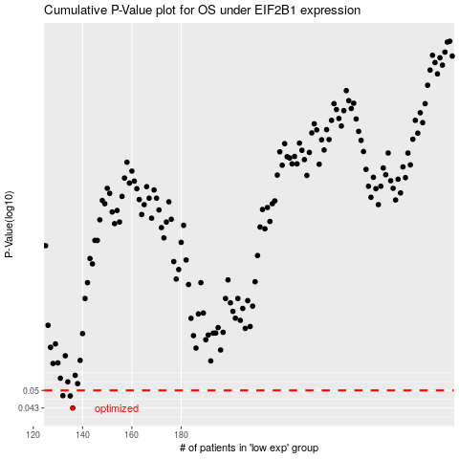

 |  |  |  |  |  | cases_OS | p_OS | rank | exp
 |  |  |  |  |  | 136 | 0.043 | 52 | -0.43313957777
 |  |  |  |  |  | 135 | 0.0477 | 8 | -0.43346200789
 |  |  |  |  |  | 132 | 0.0478 | 216 | -0.45460474432
 |  |  |  |  |  |  | cases_RFS | p_RFS | rank | exp
 |  |  |  |  |  |  | 135 | 0.043 | 8 | -0.43346200789
 |  |  |  |  |  |  | 134 | 0.0477 | 351 | -0.44517256139
 |  |  |  |  |  |  | 131 | 0.0478 | 162 | -0.46121744367

