EIF2B2 _multivariate
Reported by Tex Li-Hsing Chi. tex@gate.sinica.edu.tw 2019-08-20

Table 2. The clinicopathological features of HNSCC cohort and EIF2B2 expression. (Chi square test)
Cutoff at -0.159 (50.0%)
 |  | EIF2B2 expression |  | EIF2B2 expression |  | (Optimised)
 | Features | Low | (%) | High | (%) | Case no | P-value | Remark | Matthews
Gender | Female | 159 | 38.3 | 147 | 35.4 | 415 | 0.1905 | 0 | 0
2 | Male | 48 | 11.6 | 61 | 14.7
Age at diagnosis | <=65y | 141 | 34 | 133 | 32 | 415 | 0.4272 | 0 | 0
4 | >65y | 66 | 15.9 | 75 | 18.1
Clinical T Status | T1+T2 | 78 | 18.8 | 71 | 17.1 | 415 | 0.5152 | 0 | 0
6 | T3+T4 | 129 | 31.1 | 137 | 33
Clinical N Status | N0 | 109 | 26.3 | 107 | 25.8 | 415 | 0.8812 | 0 | 0
8 | N1-3 | 98 | 23.6 | 101 | 24.3
Clinical M Status | M0 | 206 | 49.6 | 206 | 49.6 | 415 | 1 | 0 | 0
10 | M1 | 1 | 0.2 | 2 | 0.5
Clinical Stage | Stage I+II | 50 | 12 | 52 | 12.5 | 415 | 0.9315 | 0 | 0
12 | Stage III+IV | 157 | 37.8 | 156 | 37.6
Surgical Margin status | Negative | 154 | 37.1 | 164 | 39.5 | 415 | 0.2984 | 0 | 0
14 | Positive | 53 | 12.8 | 44 | 10.6
Tobacco Exposure | Low | 79 | 19 | 82 | 19.8 | 415 | 0.8405 | 0 | 0
16 | High | 128 | 30.8 | 126 | 30.4

Table 3. Univariate/Multivariate Cox's proportional hazards regression analyses on OS time of EIF2B2 gene expression in HNSCC

 |  | Univariate |  |  |  | Multivariate
 | Features | HR | CI95%(L) | CI95%(H) | P-value | HR | CI95%(L) | CI95%(H) | P-value
1 | Female | 1 |  |  |  | 1
Gender | Male | 1.157 | 0.843 | 1.587 | 0.367 | 1.168 | 0.833 | 1.636 | 0.368
11 | <=65y | 1 |  |  |  | 1
Age at diagnosis | >65y | 1.329 | 0.99 | 1.784 | 0.058 | 1.37 | 1.008 | 1.864 | 0.045
12 | T1+T2 | 1 |  |  |  | 1
Clinical T Status | T3+T4 | 1.409 | 1.028 | 1.931 | 0.033 | 2.174 | 1.149 | 4.111 | 0.017
13 | N0 | 1 |  |  |  | 1
Clinical N Status | N1-3 | 1.185 | 0.89 | 1.577 | 0.246 | 1.246 | 0.873 | 1.777 | 0.225
14 | M0 | 1 |  |  |  | 1
Clinical M Status | M1 | 4.097 | 1.009 | 16.644 | 0.049 | 8.616 | 1.87 | 39.696 | 0.006
15 | Stage I+II | 1 |  |  |  | 1
Clinical Stage | Stage III+IV | 1.245 | 0.882 | 1.759 | 0.213 | 0.515 | 0.24 | 1.105 | 0.088
16 | Negative | 1 |  |  |  | 1
Surgical Margin status | Positive | 1.591 | 1.155 | 2.191 | 0.004 | 1.703 | 1.232 | 2.356 | 0.001
17 | Low | 1 |  |  |  | 1
Tobacco Exposure | High | 1.364 | 1.008 | 1.844 | 0.044 | 1.446 | 1.049 | 1.992 | 0.024
18 | Low | 1 |  |  |  | 1
RNAseq(z-score) | High | 1.268 | 0.952 | 1.69 | 0.105 | 1.236 | 0.922 | 1.657 | 0.157

Table 4. Univariate/Multivariate Cox's proportional hazards regression analyses on RFS time of EIF2B2 gene expression in HNSCC

 |  | Univariate |  |  |  | Multivariate
 | Features | HR | CI95%(L) | CI95%(H) | P-value | HR | CI95%(L) | CI95%(H) | P-value
1 | Female | 1 |  |  |  | 1
Gender | Male | 1.157 | 0.843 | 1.587 | 0.367 | 1.168 | 0.833 | 1.636 | 0.368
11 | <=65y | 1 |  |  |  | 1
Age at diagnosis | >65y | 1.329 | 0.99 | 1.784 | 0.058 | 1.37 | 1.008 | 1.864 | 0.045
12 | T1+T2 | 1 |  |  |  | 1
Clinical T Status | T3+T4 | 1.409 | 1.028 | 1.931 | 0.033 | 2.174 | 1.149 | 4.111 | 0.017
13 | N0 | 1 |  |  |  | 1
Clinical N Status | N1-3 | 1.185 | 0.89 | 1.577 | 0.246 | 1.246 | 0.873 | 1.777 | 0.225
14 | M0 | 1 |  |  |  | 1
Clinical M Status | M1 | 4.097 | 1.009 | 16.644 | 0.049 | 8.616 | 1.87 | 39.696 | 0.006
15 | Stage I+II | 1 |  |  |  | 1
Clinical Stage | Stage III+IV | 1.245 | 0.882 | 1.759 | 0.213 | 0.515 | 0.24 | 1.105 | 0.088
16 | Negative | 1 |  |  |  | 1
Surgical Margin status | Positive | 1.591 | 1.155 | 2.191 | 0.004 | 1.703 | 1.232 | 2.356 | 0.001
17 | Low | 1 |  |  |  | 1
Tobacco Exposure | High | 1.364 | 1.008 | 1.844 | 0.044 | 1.446 | 1.049 | 1.992 | 0.024
18 | Low | 1 |  |  |  | 1
RNAseq(z-score) | High | 1.268 | 0.952 | 1.69 | 0.105 | 1.236 | 0.922 | 1.657 | 0.157

Kaplan-Meier survival estimate: Cutoff at -0.159 (50.0%)



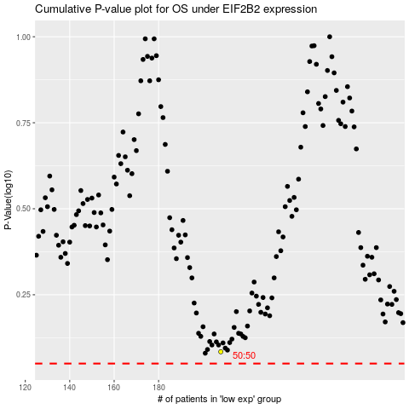

 |  |  |  |  |  | cases_OS | p_OS | rank | exp
 |  |  |  |  |  |  | cases_RFS | p_RFS | rank | exp

