EIF2B3 _multivariate
Reported by Tex Li-Hsing Chi. tex@gate.sinica.edu.tw 2019-08-20

Table 2. The clinicopathological features of HNSCC cohort and EIF2B3 expression. (Chi square test)
Cutoff at -0.235 (49.8%)
 |  | EIF2B3 expression |  | EIF2B3 expression |  | (Optimised)
 | Features | Low | (%) | High | (%) | Case no | P-value | Remark | Matthews
Gender | Female | 149 | 35.9 | 157 | 37.8 | 415 | 0.4848 | 0 | 0
2 | Male | 58 | 14 | 51 | 12.3
Age at diagnosis | <=65y | 137 | 33 | 137 | 33 | 415 | 1 | 0 | 0
4 | >65y | 70 | 16.9 | 71 | 17.1
Clinical T Status | T1+T2 | 72 | 17.3 | 77 | 18.6 | 415 | 0.7095 | 0 | 0
6 | T3+T4 | 135 | 32.5 | 131 | 31.6
Clinical N Status | N0 | 102 | 24.6 | 114 | 27.5 | 415 | 0.3031 | 0 | 0
8 | N1-3 | 105 | 25.3 | 94 | 22.7
Clinical M Status | M0 | 207 | 49.9 | 205 | 49.4 | 415 | 0.2482 | 0 | 0
10 | M1 | 0 | 0 | 3 | 0.7
Clinical Stage | Stage I+II | 50 | 12 | 52 | 12.5 | 415 | 0.9315 | 0 | 0
12 | Stage III+IV | 157 | 37.8 | 156 | 37.6
Surgical Margin status | Negative | 161 | 38.8 | 157 | 37.8 | 415 | 0.6429 | 0 | 0
14 | Positive | 46 | 11.1 | 51 | 12.3
Tobacco Exposure | Low | 82 | 19.8 | 79 | 19 | 415 | 0.763 | 0 | 0
16 | High | 125 | 30.1 | 129 | 31.1

Table 3. Univariate/Multivariate Cox's proportional hazards regression analyses on OS time of EIF2B3 gene expression in HNSCC

 |  | Univariate |  |  |  | Multivariate
 | Features | HR | CI95%(L) | CI95%(H) | P-value | HR | CI95%(L) | CI95%(H) | P-value
1 | Female | 1 |  |  |  | 1
Gender | Male | 1.157 | 0.843 | 1.587 | 0.367 | 1.199 | 0.858 | 1.675 | 0.288
11 | <=65y | 1 |  |  |  | 1
Age at diagnosis | >65y | 1.329 | 0.99 | 1.784 | 0.058 | 1.388 | 1.021 | 1.888 | 0.036
12 | T1+T2 | 1 |  |  |  | 1
Clinical T Status | T3+T4 | 1.409 | 1.028 | 1.931 | 0.033 | 2.195 | 1.161 | 4.149 | 0.016
13 | N0 | 1 |  |  |  | 1
Clinical N Status | N1-3 | 1.185 | 0.89 | 1.577 | 0.246 | 1.243 | 0.871 | 1.774 | 0.23
14 | M0 | 1 |  |  |  | 1
Clinical M Status | M1 | 4.097 | 1.009 | 16.644 | 0.049 | 9.02 | 1.949 | 41.739 | 0.005
15 | Stage I+II | 1 |  |  |  | 1
Clinical Stage | Stage III+IV | 1.245 | 0.882 | 1.759 | 0.213 | 0.506 | 0.236 | 1.086 | 0.081
16 | Negative | 1 |  |  |  | 1
Surgical Margin status | Positive | 1.591 | 1.155 | 2.191 | 0.004 | 1.654 | 1.194 | 2.292 | 0.002
17 | Low | 1 |  |  |  | 1
Tobacco Exposure | High | 1.364 | 1.008 | 1.844 | 0.044 | 1.451 | 1.053 | 1.999 | 0.023
18 | Low | 1 |  |  |  | 1
RNAseq(z-score) | High | 1.171 | 0.879 | 1.56 | 0.282 | 1.073 | 0.801 | 1.437 | 0.637

Table 4. Univariate/Multivariate Cox's proportional hazards regression analyses on RFS time of EIF2B3 gene expression in HNSCC

 |  | Univariate |  |  |  | Multivariate
 | Features | HR | CI95%(L) | CI95%(H) | P-value | HR | CI95%(L) | CI95%(H) | P-value
1 | Female | 1 |  |  |  | 1
Gender | Male | 1.157 | 0.843 | 1.587 | 0.367 | 1.199 | 0.858 | 1.675 | 0.288
11 | <=65y | 1 |  |  |  | 1
Age at diagnosis | >65y | 1.329 | 0.99 | 1.784 | 0.058 | 1.388 | 1.021 | 1.888 | 0.036
12 | T1+T2 | 1 |  |  |  | 1
Clinical T Status | T3+T4 | 1.409 | 1.028 | 1.931 | 0.033 | 2.195 | 1.161 | 4.149 | 0.016
13 | N0 | 1 |  |  |  | 1
Clinical N Status | N1-3 | 1.185 | 0.89 | 1.577 | 0.246 | 1.243 | 0.871 | 1.774 | 0.23
14 | M0 | 1 |  |  |  | 1
Clinical M Status | M1 | 4.097 | 1.009 | 16.644 | 0.049 | 9.02 | 1.949 | 41.739 | 0.005
15 | Stage I+II | 1 |  |  |  | 1
Clinical Stage | Stage III+IV | 1.245 | 0.882 | 1.759 | 0.213 | 0.506 | 0.236 | 1.086 | 0.081
16 | Negative | 1 |  |  |  | 1
Surgical Margin status | Positive | 1.591 | 1.155 | 2.191 | 0.004 | 1.654 | 1.194 | 2.292 | 0.002
17 | Low | 1 |  |  |  | 1
Tobacco Exposure | High | 1.364 | 1.008 | 1.844 | 0.044 | 1.451 | 1.053 | 1.999 | 0.023
18 | Low | 1 |  |  |  | 1
RNAseq(z-score) | High | 1.171 | 0.879 | 1.56 | 0.282 | 1.073 | 0.801 | 1.437 | 0.637

Kaplan-Meier survival estimate: Cutoff at -0.235 (49.8%)



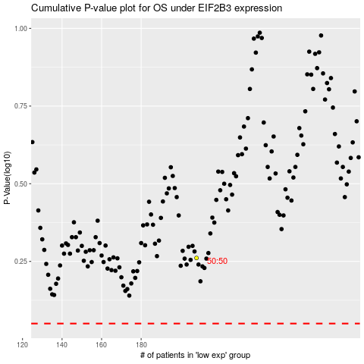

 |  |  |  |  |  | cases_OS | p_OS | rank | exp
 |  |  |  |  |  |  | cases_RFS | p_RFS | rank | exp

