EIF2B5 _multivariate
Reported by Tex Li-Hsing Chi. tex@gate.sinica.edu.tw 2019-08-20

Table 2. The clinicopathological features of HNSCC cohort and EIF2B5 expression. (Chi square test)
Cutoff at -0.26 (49.8%)
 |  | EIF2B5 expression |  | EIF2B5 expression |  | (Optimised)
 | Features | Low | (%) | High | (%) | Case no | P-value | Remark | Matthews
Gender | Female | 139 | 33.5 | 167 | 40.2 | 415 | 0.0034 | 1 | 0
2 | Male | 68 | 16.4 | 41 | 9.9
Age at diagnosis | <=65y | 135 | 32.5 | 139 | 33.5 | 415 | 0.8084 | 0 | 0
4 | >65y | 72 | 17.3 | 69 | 16.6
Clinical T Status | T1+T2 | 75 | 18.1 | 74 | 17.8 | 415 | 0.9707 | 0 | 0
6 | T3+T4 | 132 | 31.8 | 134 | 32.3
Clinical N Status | N0 | 110 | 26.5 | 106 | 25.5 | 415 | 0.7294 | 0 | 0
8 | N1-3 | 97 | 23.4 | 102 | 24.6
Clinical M Status | M0 | 206 | 49.6 | 206 | 49.6 | 415 | 1 | 0 | 0
10 | M1 | 1 | 0.2 | 2 | 0.5
Clinical Stage | Stage I+II | 55 | 13.3 | 47 | 11.3 | 415 | 0.4087 | 0 | 0
12 | Stage III+IV | 152 | 36.6 | 161 | 38.8
Surgical Margin status | Negative | 167 | 40.2 | 151 | 36.4 | 415 | 0.0632 | 0 | 0
14 | Positive | 40 | 9.6 | 57 | 13.7
Tobacco Exposure | Low | 96 | 23.1 | 65 | 15.7 | 415 | 0.0018 | 1 | 0
16 | High | 111 | 26.7 | 143 | 34.5

Table 3. Univariate/Multivariate Cox's proportional hazards regression analyses on OS time of EIF2B5 gene expression in HNSCC

 |  | Univariate |  |  |  | Multivariate
 | Features | HR | CI95%(L) | CI95%(H) | P-value | HR | CI95%(L) | CI95%(H) | P-value
1 | Female | 1 |  |  |  | 1
Gender | Male | 1.157 | 0.843 | 1.587 | 0.367 | 1.219 | 0.871 | 1.707 | 0.248
11 | <=65y | 1 |  |  |  | 1
Age at diagnosis | >65y | 1.329 | 0.99 | 1.784 | 0.058 | 1.378 | 1.013 | 1.874 | 0.041
12 | T1+T2 | 1 |  |  |  | 1
Clinical T Status | T3+T4 | 1.409 | 1.028 | 1.931 | 0.033 | 2.221 | 1.174 | 4.203 | 0.014
13 | N0 | 1 |  |  |  | 1
Clinical N Status | N1-3 | 1.185 | 0.89 | 1.577 | 0.246 | 1.247 | 0.874 | 1.78 | 0.224
14 | M0 | 1 |  |  |  | 1
Clinical M Status | M1 | 4.097 | 1.009 | 16.644 | 0.049 | 9.41 | 2.053 | 43.14 | 0.004
15 | Stage I+II | 1 |  |  |  | 1
Clinical Stage | Stage III+IV | 1.245 | 0.882 | 1.759 | 0.213 | 0.499 | 0.232 | 1.071 | 0.074
16 | Negative | 1 |  |  |  | 1
Surgical Margin status | Positive | 1.591 | 1.155 | 2.191 | 0.004 | 1.655 | 1.196 | 2.29 | 0.002
17 | Low | 1 |  |  |  | 1
Tobacco Exposure | High | 1.364 | 1.008 | 1.844 | 0.044 | 1.436 | 1.041 | 1.981 | 0.027
18 | Low | 1 |  |  |  | 1
RNAseq(z-score) | High | 1.156 | 0.867 | 1.541 | 0.324 | 1.111 | 0.826 | 1.494 | 0.485

Table 4. Univariate/Multivariate Cox's proportional hazards regression analyses on RFS time of EIF2B5 gene expression in HNSCC

 |  | Univariate |  |  |  | Multivariate
 | Features | HR | CI95%(L) | CI95%(H) | P-value | HR | CI95%(L) | CI95%(H) | P-value
1 | Female | 1 |  |  |  | 1
Gender | Male | 1.157 | 0.843 | 1.587 | 0.367 | 1.219 | 0.871 | 1.707 | 0.248
11 | <=65y | 1 |  |  |  | 1
Age at diagnosis | >65y | 1.329 | 0.99 | 1.784 | 0.058 | 1.378 | 1.013 | 1.874 | 0.041
12 | T1+T2 | 1 |  |  |  | 1
Clinical T Status | T3+T4 | 1.409 | 1.028 | 1.931 | 0.033 | 2.221 | 1.174 | 4.203 | 0.014
13 | N0 | 1 |  |  |  | 1
Clinical N Status | N1-3 | 1.185 | 0.89 | 1.577 | 0.246 | 1.247 | 0.874 | 1.78 | 0.224
14 | M0 | 1 |  |  |  | 1
Clinical M Status | M1 | 4.097 | 1.009 | 16.644 | 0.049 | 9.41 | 2.053 | 43.14 | 0.004
15 | Stage I+II | 1 |  |  |  | 1
Clinical Stage | Stage III+IV | 1.245 | 0.882 | 1.759 | 0.213 | 0.499 | 0.232 | 1.071 | 0.074
16 | Negative | 1 |  |  |  | 1
Surgical Margin status | Positive | 1.591 | 1.155 | 2.191 | 0.004 | 1.655 | 1.196 | 2.29 | 0.002
17 | Low | 1 |  |  |  | 1
Tobacco Exposure | High | 1.364 | 1.008 | 1.844 | 0.044 | 1.436 | 1.041 | 1.981 | 0.027
18 | Low | 1 |  |  |  | 1
RNAseq(z-score) | High | 1.156 | 0.867 | 1.541 | 0.324 | 1.111 | 0.826 | 1.494 | 0.485

Kaplan-Meier survival estimate: Cutoff at -0.26 (49.8%)



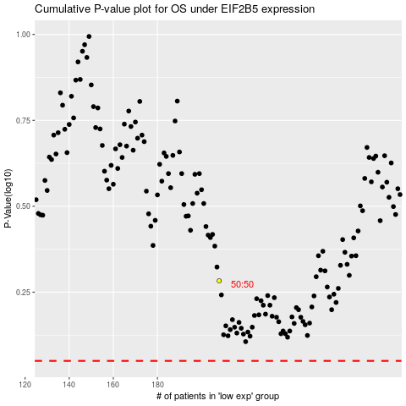

 |  |  |  |  |  | cases_OS | p_OS | rank | exp
 |  |  |  |  |  |  | cases_RFS | p_RFS | rank | exp

