EIF2C1 _multivariate
Reported by Tex Li-Hsing Chi. tex@gate.sinica.edu.tw 2019-08-20

Table 2. The clinicopathological features of HNSCC cohort and EIF2C1 expression. (Chi square test)
Cutoff at -0.093 (55.3%)
 |  | EIF2C1 expression |  | EIF2C1 expression |  | (Optimised)
 | Features | Low | (%) | High | (%) | Case no | P-value | Remark | Matthews
Gender | Female | 166 | 40 | 140 | 33.7 | 415 | 0.488 | 0 | 0
2 | Male | 64 | 15.4 | 45 | 10.8
Age at diagnosis | <=65y | 150 | 36.1 | 124 | 29.9 | 415 | 0.7775 | 0 | 0
4 | >65y | 80 | 19.3 | 61 | 14.7
Clinical T Status | T1+T2 | 90 | 21.7 | 59 | 14.2 | 415 | 0.1542 | 0 | 0
6 | T3+T4 | 140 | 33.7 | 126 | 30.4
Clinical N Status | N0 | 120 | 28.9 | 96 | 23.1 | 415 | 1 | 0 | 0
8 | N1-3 | 110 | 26.5 | 89 | 21.4
Clinical M Status | M0 | 227 | 54.7 | 185 | 44.6 | 415 | 0.257 | 0 | 0
10 | M1 | 3 | 0.7 | 0 | 0
Clinical Stage | Stage I+II | 63 | 15.2 | 39 | 9.4 | 415 | 0.1709 | 0 | 0
12 | Stage III+IV | 167 | 40.2 | 146 | 35.2
Surgical Margin status | Negative | 171 | 41.2 | 147 | 35.4 | 415 | 0.2442 | 0 | 0
14 | Positive | 59 | 14.2 | 38 | 9.2
Tobacco Exposure | Low | 101 | 24.3 | 60 | 14.5 | 415 | 0.0198 | 1 | 0
16 | High | 129 | 31.1 | 125 | 30.1

Table 3. Univariate/Multivariate Cox's proportional hazards regression analyses on OS time of EIF2C1 gene expression in HNSCC

 |  | Univariate |  |  |  | Multivariate
 | Features | HR | CI95%(L) | CI95%(H) | P-value | HR | CI95%(L) | CI95%(H) | P-value
1 | Female | 1 |  |  |  | 1
Gender | Male | 1.157 | 0.843 | 1.587 | 0.367 | 1.191 | 0.851 | 1.667 | 0.309
11 | <=65y | 1 |  |  |  | 1
Age at diagnosis | >65y | 1.329 | 0.99 | 1.784 | 0.058 | 1.368 | 1.006 | 1.861 | 0.046
12 | T1+T2 | 1 |  |  |  | 1
Clinical T Status | T3+T4 | 1.409 | 1.028 | 1.931 | 0.033 | 2.188 | 1.158 | 4.134 | 0.016
13 | N0 | 1 |  |  |  | 1
Clinical N Status | N1-3 | 1.185 | 0.89 | 1.577 | 0.246 | 1.219 | 0.855 | 1.74 | 0.274
14 | M0 | 1 |  |  |  | 1
Clinical M Status | M1 | 4.097 | 1.009 | 16.644 | 0.049 | 8.238 | 1.788 | 37.959 | 0.007
15 | Stage I+II | 1 |  |  |  | 1
Clinical Stage | Stage III+IV | 1.245 | 0.882 | 1.759 | 0.213 | 0.533 | 0.248 | 1.145 | 0.107
16 | Negative | 1 |  |  |  | 1
Surgical Margin status | Positive | 1.591 | 1.155 | 2.191 | 0.004 | 1.607 | 1.161 | 2.226 | 0.004
17 | Low | 1 |  |  |  | 1
Tobacco Exposure | High | 1.364 | 1.008 | 1.844 | 0.044 | 1.486 | 1.077 | 2.052 | 0.016
18 | Low | 1 |  |  |  | 1
RNAseq(z-score) | High | 0.74 | 0.553 | 0.99 | 0.043 | 0.757 | 0.561 | 1.022 | 0.069

Table 4. Univariate/Multivariate Cox's proportional hazards regression analyses on RFS time of EIF2C1 gene expression in HNSCC

 |  | Univariate |  |  |  | Multivariate
 | Features | HR | CI95%(L) | CI95%(H) | P-value | HR | CI95%(L) | CI95%(H) | P-value
1 | Female | 1 |  |  |  | 1
Gender | Male | 1.157 | 0.843 | 1.587 | 0.367 | 1.191 | 0.851 | 1.667 | 0.309
11 | <=65y | 1 |  |  |  | 1
Age at diagnosis | >65y | 1.329 | 0.99 | 1.784 | 0.058 | 1.368 | 1.006 | 1.861 | 0.046
12 | T1+T2 | 1 |  |  |  | 1
Clinical T Status | T3+T4 | 1.409 | 1.028 | 1.931 | 0.033 | 2.188 | 1.158 | 4.134 | 0.016
13 | N0 | 1 |  |  |  | 1
Clinical N Status | N1-3 | 1.185 | 0.89 | 1.577 | 0.246 | 1.219 | 0.855 | 1.74 | 0.274
14 | M0 | 1 |  |  |  | 1
Clinical M Status | M1 | 4.097 | 1.009 | 16.644 | 0.049 | 8.238 | 1.788 | 37.959 | 0.007
15 | Stage I+II | 1 |  |  |  | 1
Clinical Stage | Stage III+IV | 1.245 | 0.882 | 1.759 | 0.213 | 0.533 | 0.248 | 1.145 | 0.107
16 | Negative | 1 |  |  |  | 1
Surgical Margin status | Positive | 1.591 | 1.155 | 2.191 | 0.004 | 1.607 | 1.161 | 2.226 | 0.004
17 | Low | 1 |  |  |  | 1
Tobacco Exposure | High | 1.364 | 1.008 | 1.844 | 0.044 | 1.486 | 1.077 | 2.052 | 0.016
18 | Low | 1 |  |  |  | 1
RNAseq(z-score) | High | 0.74 | 0.553 | 0.99 | 0.043 | 0.757 | 0.561 | 1.022 | 0.069

Kaplan-Meier survival estimate: Cutoff at -0.093 (55.3%)



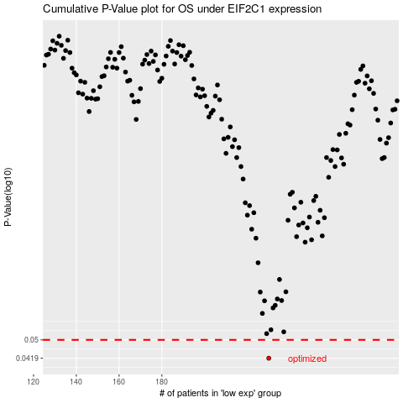

 |  |  |  |  |  | cases_OS | p_OS | rank | exp
 |  |  |  |  |  | 230 | 0.0419 | 321 | -0.092688244723
 |  |  |  |  |  |  | cases_RFS | p_RFS | rank | exp
 |  |  |  |  |  |  | 229 | 0.0419 | 92 | -0.092739340493

