EIF2S3 _multivariate
Reported by Tex Li-Hsing Chi. tex@gate.sinica.edu.tw 2019-08-20

Table 2. The clinicopathological features of HNSCC cohort and EIF2S3 expression. (Chi square test)
Cutoff at -0.179 (50.0%)
 |  | EIF2S3 expression |  | EIF2S3 expression |  | (Optimised)
 | Features | Low | (%) | High | (%) | Case no | P-value | Remark | Matthews
Gender | Female | 174 | 41.9 | 132 | 31.8 | 415 | 0 | 1 | 0
2 | Male | 33 | 8 | 76 | 18.3
Age at diagnosis | <=65y | 140 | 33.7 | 134 | 32.3 | 415 | 0.5574 | 0 | 0
4 | >65y | 67 | 16.1 | 74 | 17.8
Clinical T Status | T1+T2 | 74 | 17.8 | 75 | 18.1 | 415 | 1 | 0 | 0
6 | T3+T4 | 133 | 32 | 133 | 32
Clinical N Status | N0 | 98 | 23.6 | 118 | 28.4 | 415 | 0.0694 | 0 | 0
8 | N1-3 | 109 | 26.3 | 90 | 21.7
Clinical M Status | M0 | 205 | 49.4 | 207 | 49.9 | 415 | 0.6232 | 0 | 0
10 | M1 | 2 | 0.5 | 1 | 0.2
Clinical Stage | Stage I+II | 42 | 10.1 | 60 | 14.5 | 415 | 0.0561 | 0 | 0
12 | Stage III+IV | 165 | 39.8 | 148 | 35.7
Surgical Margin status | Negative | 164 | 39.5 | 154 | 37.1 | 415 | 0.2462 | 0 | 0
14 | Positive | 43 | 10.4 | 54 | 13
Tobacco Exposure | Low | 77 | 18.6 | 84 | 20.2 | 415 | 0.5459 | 0 | 0
16 | High | 130 | 31.3 | 124 | 29.9

Table 3. Univariate/Multivariate Cox's proportional hazards regression analyses on OS time of EIF2S3 gene expression in HNSCC

 |  | Univariate |  |  |  | Multivariate
 | Features | HR | CI95%(L) | CI95%(H) | P-value | HR | CI95%(L) | CI95%(H) | P-value
1 | Female | 1 |  |  |  | 1
Gender | Male | 1.157 | 0.843 | 1.587 | 0.367 | 1.228 | 0.871 | 1.731 | 0.241
11 | <=65y | 1 |  |  |  | 1
Age at diagnosis | >65y | 1.329 | 0.99 | 1.784 | 0.058 | 1.397 | 1.027 | 1.9 | 0.033
12 | T1+T2 | 1 |  |  |  | 1
Clinical T Status | T3+T4 | 1.409 | 1.028 | 1.931 | 0.033 | 2.253 | 1.186 | 4.282 | 0.013
13 | N0 | 1 |  |  |  | 1
Clinical N Status | N1-3 | 1.185 | 0.89 | 1.577 | 0.246 | 1.25 | 0.875 | 1.786 | 0.22
14 | M0 | 1 |  |  |  | 1
Clinical M Status | M1 | 4.097 | 1.009 | 16.644 | 0.049 | 9.416 | 2.054 | 43.162 | 0.004
15 | Stage I+II | 1 |  |  |  | 1
Clinical Stage | Stage III+IV | 1.245 | 0.882 | 1.759 | 0.213 | 0.487 | 0.225 | 1.056 | 0.069
16 | Negative | 1 |  |  |  | 1
Surgical Margin status | Positive | 1.591 | 1.155 | 2.191 | 0.004 | 1.682 | 1.216 | 2.325 | 0.002
17 | Low | 1 |  |  |  | 1
Tobacco Exposure | High | 1.364 | 1.008 | 1.844 | 0.044 | 1.453 | 1.055 | 2.002 | 0.022
18 | Low | 1 |  |  |  | 1
RNAseq(z-score) | High | 1.005 | 0.752 | 1.343 | 0.973 | 0.917 | 0.676 | 1.244 | 0.578

Table 4. Univariate/Multivariate Cox's proportional hazards regression analyses on RFS time of EIF2S3 gene expression in HNSCC

 |  | Univariate |  |  |  | Multivariate
 | Features | HR | CI95%(L) | CI95%(H) | P-value | HR | CI95%(L) | CI95%(H) | P-value
1 | Female | 1 |  |  |  | 1
Gender | Male | 1.157 | 0.843 | 1.587 | 0.367 | 1.228 | 0.871 | 1.731 | 0.241
11 | <=65y | 1 |  |  |  | 1
Age at diagnosis | >65y | 1.329 | 0.99 | 1.784 | 0.058 | 1.397 | 1.027 | 1.9 | 0.033
12 | T1+T2 | 1 |  |  |  | 1
Clinical T Status | T3+T4 | 1.409 | 1.028 | 1.931 | 0.033 | 2.253 | 1.186 | 4.282 | 0.013
13 | N0 | 1 |  |  |  | 1
Clinical N Status | N1-3 | 1.185 | 0.89 | 1.577 | 0.246 | 1.25 | 0.875 | 1.786 | 0.22
14 | M0 | 1 |  |  |  | 1
Clinical M Status | M1 | 4.097 | 1.009 | 16.644 | 0.049 | 9.416 | 2.054 | 43.162 | 0.004
15 | Stage I+II | 1 |  |  |  | 1
Clinical Stage | Stage III+IV | 1.245 | 0.882 | 1.759 | 0.213 | 0.487 | 0.225 | 1.056 | 0.069
16 | Negative | 1 |  |  |  | 1
Surgical Margin status | Positive | 1.591 | 1.155 | 2.191 | 0.004 | 1.682 | 1.216 | 2.325 | 0.002
17 | Low | 1 |  |  |  | 1
Tobacco Exposure | High | 1.364 | 1.008 | 1.844 | 0.044 | 1.453 | 1.055 | 2.002 | 0.022
18 | Low | 1 |  |  |  | 1
RNAseq(z-score) | High | 1.005 | 0.752 | 1.343 | 0.973 | 0.917 | 0.676 | 1.244 | 0.578

Kaplan-Meier survival estimate: Cutoff at -0.179 (50.0%)



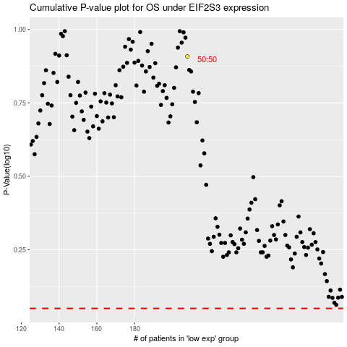

 |  |  |  |  |  | cases_OS | p_OS | rank | exp
 |  |  |  |  |  |  | cases_RFS | p_RFS | rank | exp

