EIF3G _multivariate
Reported by Tex Li-Hsing Chi. tex@gate.sinica.edu.tw 2019-08-20

Table 2. The clinicopathological features of HNSCC cohort and EIF3G expression. (Chi square test)
Cutoff at -0.44 (36.0%)
 |  | EIF3G expression |  | EIF3G expression |  | (Optimised)
 | Features | Low | (%) | High | (%) | Case no | P-value | Remark | Matthews
Gender | Female | 110 | 26.5 | 196 | 47.2 | 415 | 0.981 | 0 | 0
2 | Male | 40 | 9.6 | 69 | 16.6
Age at diagnosis | <=65y | 98 | 23.6 | 176 | 42.4 | 415 | 0.9079 | 0 | 0
4 | >65y | 52 | 12.5 | 89 | 21.4
Clinical T Status | T1+T2 | 54 | 13 | 95 | 22.9 | 415 | 1 | 0 | 0
6 | T3+T4 | 96 | 23.1 | 170 | 41
Clinical N Status | N0 | 78 | 18.8 | 138 | 33.3 | 415 | 1 | 0 | 0
8 | N1-3 | 72 | 17.3 | 127 | 30.6
Clinical M Status | M0 | 149 | 35.9 | 263 | 63.4 | 415 | 1 | 0 | 0
10 | M1 | 1 | 0.2 | 2 | 0.5
Clinical Stage | Stage I+II | 37 | 8.9 | 65 | 15.7 | 415 | 1 | 0 | 0
12 | Stage III+IV | 113 | 27.2 | 200 | 48.2
Surgical Margin status | Negative | 115 | 27.7 | 203 | 48.9 | 415 | 1 | 0 | 0
14 | Positive | 35 | 8.4 | 62 | 14.9
Tobacco Exposure | Low | 58 | 14 | 103 | 24.8 | 415 | 1 | 0 | 0
16 | High | 92 | 22.2 | 162 | 39

Table 3. Univariate/Multivariate Cox's proportional hazards regression analyses on OS time of EIF3G gene expression in HNSCC

 |  | Univariate |  |  |  | Multivariate
 | Features | HR | CI95%(L) | CI95%(H) | P-value | HR | CI95%(L) | CI95%(H) | P-value
1 | Female | 1 |  |  |  | 1
Gender | Male | 1.157 | 0.843 | 1.587 | 0.367 | 1.18 | 0.845 | 1.648 | 0.332
11 | <=65y | 1 |  |  |  | 1
Age at diagnosis | >65y | 1.329 | 0.99 | 1.784 | 0.058 | 1.38 | 1.015 | 1.875 | 0.04
12 | T1+T2 | 1 |  |  |  | 1
Clinical T Status | T3+T4 | 1.409 | 1.028 | 1.931 | 0.033 | 2.329 | 1.228 | 4.42 | 0.01
13 | N0 | 1 |  |  |  | 1
Clinical N Status | N1-3 | 1.185 | 0.89 | 1.577 | 0.246 | 1.303 | 0.912 | 1.862 | 0.147
14 | M0 | 1 |  |  |  | 1
Clinical M Status | M1 | 4.097 | 1.009 | 16.644 | 0.049 | 9.572 | 2.085 | 43.937 | 0.004
15 | Stage I+II | 1 |  |  |  | 1
Clinical Stage | Stage III+IV | 1.245 | 0.882 | 1.759 | 0.213 | 0.475 | 0.221 | 1.023 | 0.057
16 | Negative | 1 |  |  |  | 1
Surgical Margin status | Positive | 1.591 | 1.155 | 2.191 | 0.004 | 1.746 | 1.26 | 2.42 | 0.001
17 | Low | 1 |  |  |  | 1
Tobacco Exposure | High | 1.364 | 1.008 | 1.844 | 0.044 | 1.44 | 1.047 | 1.981 | 0.025
18 | Low | 1 |  |  |  | 1
RNAseq(z-score) | High | 0.68 | 0.508 | 0.91 | 0.009 | 0.643 | 0.478 | 0.864 | 0.003

Table 4. Univariate/Multivariate Cox's proportional hazards regression analyses on RFS time of EIF3G gene expression in HNSCC

 |  | Univariate |  |  |  | Multivariate
 | Features | HR | CI95%(L) | CI95%(H) | P-value | HR | CI95%(L) | CI95%(H) | P-value
1 | Female | 1 |  |  |  | 1
Gender | Male | 1.157 | 0.843 | 1.587 | 0.367 | 1.18 | 0.845 | 1.648 | 0.332
11 | <=65y | 1 |  |  |  | 1
Age at diagnosis | >65y | 1.329 | 0.99 | 1.784 | 0.058 | 1.38 | 1.015 | 1.875 | 0.04
12 | T1+T2 | 1 |  |  |  | 1
Clinical T Status | T3+T4 | 1.409 | 1.028 | 1.931 | 0.033 | 2.329 | 1.228 | 4.42 | 0.01
13 | N0 | 1 |  |  |  | 1
Clinical N Status | N1-3 | 1.185 | 0.89 | 1.577 | 0.246 | 1.303 | 0.912 | 1.862 | 0.147
14 | M0 | 1 |  |  |  | 1
Clinical M Status | M1 | 4.097 | 1.009 | 16.644 | 0.049 | 9.572 | 2.085 | 43.937 | 0.004
15 | Stage I+II | 1 |  |  |  | 1
Clinical Stage | Stage III+IV | 1.245 | 0.882 | 1.759 | 0.213 | 0.475 | 0.221 | 1.023 | 0.057
16 | Negative | 1 |  |  |  | 1
Surgical Margin status | Positive | 1.591 | 1.155 | 2.191 | 0.004 | 1.746 | 1.26 | 2.42 | 0.001
17 | Low | 1 |  |  |  | 1
Tobacco Exposure | High | 1.364 | 1.008 | 1.844 | 0.044 | 1.44 | 1.047 | 1.981 | 0.025
18 | Low | 1 |  |  |  | 1
RNAseq(z-score) | High | 0.68 | 0.508 | 0.91 | 0.009 | 0.643 | 0.478 | 0.864 | 0.003

Kaplan-Meier survival estimate: Cutoff at -0.44 (36.0%)

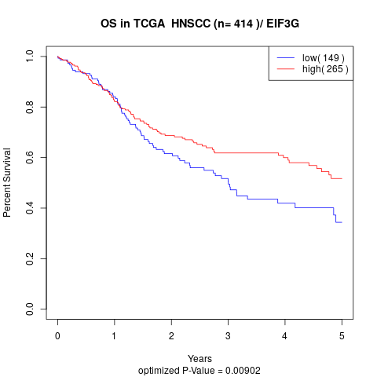

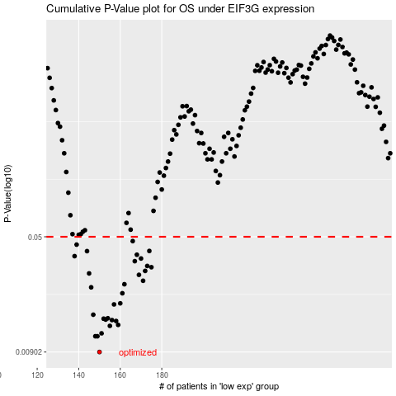

 |  |  |  |  |  | cases_OS | p_OS | rank | exp
 |  |  |  |  |  | 150 | 0.00902 | 42 | -0.4395151906
 |  |  |  |  |  | 149 | 0.0114 | 203 | -0.44145884465
 |  |  |  |  |  | 148 | 0.0114 | 333 | -0.44643377984
 |  |  |  |  |  | 151 | 0.0119 | 178 | -0.43285912729
 |  |  |  |  |  | 155 | 0.0133 | 146 | -0.41637476649
 |  |  |  |  |  | 159 | 0.0135 | 45 | -0.39496632631
 |  |  |  |  |  | 158 | 0.0143 | 279 | -0.40424098273
 |  |  |  |  |  | 156 | 0.0145 | 31 | -0.40977024623
 |  |  |  |  |  | 153 | 0.0146 | 154 | -0.42427865267
 |  |  |  |  |  | 152 | 0.0148 | 10 | -0.4271505627
 |  |  |  |  |  | 154 | 0.0149 | 226 | -0.42058439047
 |  |  |  |  |  | 147 | 0.0157 | 253 | -0.44839908197
 |  |  |  |  |  | 157 | 0.0183 | 410 | -0.40716230535
 |  |  |  |  |  | 160 | 0.0186 | 367 | -0.39484654026
 |  |  |  |  |  | 161 | 0.0216 | 312 | -0.3909556585
 |  |  |  |  |  | 146 | 0.0236 | 370 | -0.4487466883
 |  |  |  |  |  | 162 | 0.0247 | 271 | -0.38992644688
 |  |  |  |  |  | 171 | 0.026 | 294 | -0.37533048598
 |  |  |  |  |  | 169 | 0.0284 | 151 | -0.37740787707
 |  |  |  |  |  | 145 | 0.029 | 56 | -0.45060058872
 |  |  |  |  |  | 172 | 0.0301 | 313 | -0.37315756844
 |  |  |  |  |  | 175 | 0.0318 | 245 | -0.36246417239
 |  |  |  |  |  | 173 | 0.0324 | 126 | -0.37229198882
 |  |  |  |  |  | 167 | 0.0348 | 348 | -0.38250012424
 |  |  |  |  |  | 170 | 0.0362 | 214 | -0.37656532001
 |  |  |  |  |  | 138 | 0.0375 | 102 | -0.48850012466
 |  |  |  |  |  | 168 | 0.0383 | 67 | -0.38093823237
 |  |  |  |  |  | 144 | 0.0404 | 2 | -0.4530600169
 |  |  |  |  |  | 174 | 0.0405 | 404 | -0.36777743616
 |  |  |  |  |  | 139 | 0.0445 | 252 | -0.48111173771
 |  |  |  |  |  | 166 | 0.0469 | 204 | -0.38279233897
 |  |  |  |  |  |  | cases_RFS | p_RFS | rank | exp
 |  |  |  |  |  |  | 149 | 0.00902 | 203 | -0.44145884465
 |  |  |  |  |  |  | 147 | 0.0114 | 253 | -0.44839908197
 |  |  |  |  |  |  | 148 | 0.0114 | 333 | -0.44643377984
 |  |  |  |  |  |  | 150 | 0.0119 | 42 | -0.4395151906
 |  |  |  |  |  |  | 154 | 0.0133 | 226 | -0.42058439047
 |  |  |  |  |  |  | 158 | 0.0135 | 279 | -0.40424098273
 |  |  |  |  |  |  | 157 | 0.0143 | 410 | -0.40716230535
 |  |  |  |  |  |  | 155 | 0.0145 | 146 | -0.41637476649
 |  |  |  |  |  |  | 152 | 0.0146 | 10 | -0.4271505627
 |  |  |  |  |  |  | 151 | 0.0148 | 178 | -0.43285912729
 |  |  |  |  |  |  | 153 | 0.0149 | 154 | -0.42427865267
 |  |  |  |  |  |  | 146 | 0.0157 | 370 | -0.4487466883
 |  |  |  |  |  |  | 156 | 0.0183 | 31 | -0.40977024623
 |  |  |  |  |  |  | 159 | 0.0186 | 45 | -0.39496632631
 |  |  |  |  |  |  | 160 | 0.0216 | 367 | -0.39484654026
 |  |  |  |  |  |  | 145 | 0.0236 | 56 | -0.45060058872
 |  |  |  |  |  |  | 161 | 0.0247 | 312 | -0.3909556585
 |  |  |  |  |  |  | 170 | 0.026 | 214 | -0.37656532001
 |  |  |  |  |  |  | 168 | 0.0284 | 67 | -0.38093823237
 |  |  |  |  |  |  | 144 | 0.029 | 2 | -0.4530600169
 |  |  |  |  |  |  | 171 | 0.0301 | 294 | -0.37533048598
 |  |  |  |  |  |  | 174 | 0.0318 | 404 | -0.36777743616
 |  |  |  |  |  |  | 172 | 0.0324 | 313 | -0.37315756844
 |  |  |  |  |  |  | 166 | 0.0348 | 204 | -0.38279233897
 |  |  |  |  |  |  | 169 | 0.0362 | 151 | -0.37740787707
 |  |  |  |  |  |  | 137 | 0.0375 | 79 | -0.4887001117
 |  |  |  |  |  |  | 167 | 0.0383 | 348 | -0.38250012424
 |  |  |  |  |  |  | 143 | 0.0404 | 296 | -0.45479399382
 |  |  |  |  |  |  | 173 | 0.0405 | 126 | -0.37229198882
 |  |  |  |  |  |  | 138 | 0.0445 | 102 | -0.48850012466
 |  |  |  |  |  |  | 165 | 0.0469 | 323 | -0.38296332444

