EIF3IP1 _multivariate
Reported by Tex Li-Hsing Chi. tex@gate.sinica.edu.tw 2019-08-20

Table 2. The clinicopathological features of HNSCC cohort and EIF3IP1 expression. (Chi square test)
Cutoff at -0.294 (50.0%)
 |  | EIF3IP1 expression |  | EIF3IP1 expression |  | (Optimised)
 | Features | Low | (%) | High | (%) | Case no | P-value | Remark | Matthews
Gender | Female | 153 | 36.9 | 153 | 36.9 | 415 | 1 | 0 | 0
2 | Male | 54 | 13 | 55 | 13.3
Age at diagnosis | <=65y | 133 | 32 | 141 | 34 | 415 | 0.5111 | 0 | 0
4 | >65y | 74 | 17.8 | 67 | 16.1
Clinical T Status | T1+T2 | 74 | 17.8 | 75 | 18.1 | 415 | 1 | 0 | 0
6 | T3+T4 | 133 | 32 | 133 | 32
Clinical N Status | N0 | 111 | 26.7 | 105 | 25.3 | 415 | 0.5875 | 0 | 0
8 | N1-3 | 96 | 23.1 | 103 | 24.8
Clinical M Status | M0 | 207 | 49.9 | 205 | 49.4 | 415 | 0.2482 | 0 | 0
10 | M1 | 0 | 0 | 3 | 0.7
Clinical Stage | Stage I+II | 49 | 11.8 | 53 | 12.8 | 415 | 0.7535 | 0 | 0
12 | Stage III+IV | 158 | 38.1 | 155 | 37.3
Surgical Margin status | Negative | 169 | 40.7 | 149 | 35.9 | 415 | 0.0201 | 1 | 0
14 | Positive | 38 | 9.2 | 59 | 14.2
Tobacco Exposure | Low | 71 | 17.1 | 90 | 21.7 | 415 | 0.0698 | 0 | 0
16 | High | 136 | 32.8 | 118 | 28.4

Table 3. Univariate/Multivariate Cox's proportional hazards regression analyses on OS time of EIF3IP1 gene expression in HNSCC

 |  | Univariate |  |  |  | Multivariate
 | Features | HR | CI95%(L) | CI95%(H) | P-value | HR | CI95%(L) | CI95%(H) | P-value
1 | Female | 1 |  |  |  | 1
Gender | Male | 1.157 | 0.843 | 1.587 | 0.367 | 1.202 | 0.861 | 1.679 | 0.279
11 | <=65y | 1 |  |  |  | 1
Age at diagnosis | >65y | 1.329 | 0.99 | 1.784 | 0.058 | 1.383 | 1.017 | 1.881 | 0.039
12 | T1+T2 | 1 |  |  |  | 1
Clinical T Status | T3+T4 | 1.409 | 1.028 | 1.931 | 0.033 | 2.249 | 1.185 | 4.269 | 0.013
13 | N0 | 1 |  |  |  | 1
Clinical N Status | N1-3 | 1.185 | 0.89 | 1.577 | 0.246 | 1.257 | 0.879 | 1.799 | 0.21
14 | M0 | 1 |  |  |  | 1
Clinical M Status | M1 | 4.097 | 1.009 | 16.644 | 0.049 | 9.964 | 2.147 | 46.238 | 0.003
15 | Stage I+II | 1 |  |  |  | 1
Clinical Stage | Stage III+IV | 1.245 | 0.882 | 1.759 | 0.213 | 0.491 | 0.228 | 1.06 | 0.07
16 | Negative | 1 |  |  |  | 1
Surgical Margin status | Positive | 1.591 | 1.155 | 2.191 | 0.004 | 1.68 | 1.215 | 2.322 | 0.002
17 | Low | 1 |  |  |  | 1
Tobacco Exposure | High | 1.364 | 1.008 | 1.844 | 0.044 | 1.436 | 1.04 | 1.982 | 0.028
18 | Low | 1 |  |  |  | 1
RNAseq(z-score) | High | 0.937 | 0.702 | 1.251 | 0.661 | 0.914 | 0.68 | 1.23 | 0.554

Table 4. Univariate/Multivariate Cox's proportional hazards regression analyses on RFS time of EIF3IP1 gene expression in HNSCC

 |  | Univariate |  |  |  | Multivariate
 | Features | HR | CI95%(L) | CI95%(H) | P-value | HR | CI95%(L) | CI95%(H) | P-value
1 | Female | 1 |  |  |  | 1
Gender | Male | 1.157 | 0.843 | 1.587 | 0.367 | 1.202 | 0.861 | 1.679 | 0.279
11 | <=65y | 1 |  |  |  | 1
Age at diagnosis | >65y | 1.329 | 0.99 | 1.784 | 0.058 | 1.383 | 1.017 | 1.881 | 0.039
12 | T1+T2 | 1 |  |  |  | 1
Clinical T Status | T3+T4 | 1.409 | 1.028 | 1.931 | 0.033 | 2.249 | 1.185 | 4.269 | 0.013
13 | N0 | 1 |  |  |  | 1
Clinical N Status | N1-3 | 1.185 | 0.89 | 1.577 | 0.246 | 1.257 | 0.879 | 1.799 | 0.21
14 | M0 | 1 |  |  |  | 1
Clinical M Status | M1 | 4.097 | 1.009 | 16.644 | 0.049 | 9.964 | 2.147 | 46.238 | 0.003
15 | Stage I+II | 1 |  |  |  | 1
Clinical Stage | Stage III+IV | 1.245 | 0.882 | 1.759 | 0.213 | 0.491 | 0.228 | 1.06 | 0.07
16 | Negative | 1 |  |  |  | 1
Surgical Margin status | Positive | 1.591 | 1.155 | 2.191 | 0.004 | 1.68 | 1.215 | 2.322 | 0.002
17 | Low | 1 |  |  |  | 1
Tobacco Exposure | High | 1.364 | 1.008 | 1.844 | 0.044 | 1.436 | 1.04 | 1.982 | 0.028
18 | Low | 1 |  |  |  | 1
RNAseq(z-score) | High | 0.937 | 0.702 | 1.251 | 0.661 | 0.914 | 0.68 | 1.23 | 0.554

Kaplan-Meier survival estimate: Cutoff at -0.294 (50.0%)



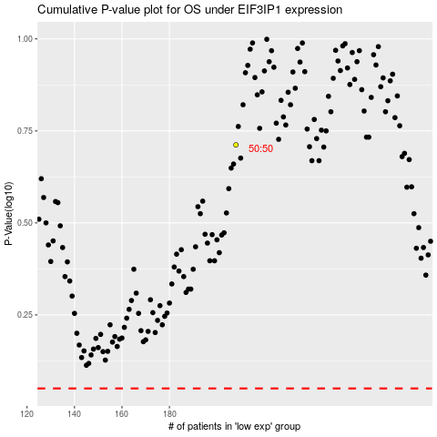

 |  |  |  |  |  | cases_OS | p_OS | rank | exp
 |  |  |  |  |  |  | cases_RFS | p_RFS | rank | exp

