EIF3K _multivariate
Reported by Tex Li-Hsing Chi. tex@gate.sinica.edu.tw 2019-08-20

Table 2. The clinicopathological features of HNSCC cohort and EIF3K expression. (Chi square test)
Cutoff at -0.299 (50.0%)
 |  | EIF3K expression |  | EIF3K expression |  | (Optimised)
 | Features | Low | (%) | High | (%) | Case no | P-value | Remark | Matthews
Gender | Female | 146 | 35.2 | 160 | 38.6 | 415 | 0.1714 | 0 | 0
2 | Male | 61 | 14.7 | 48 | 11.6
Age at diagnosis | <=65y | 147 | 35.4 | 127 | 30.6 | 415 | 0.0416 | 1 | 0
4 | >65y | 60 | 14.5 | 81 | 19.5
Clinical T Status | T1+T2 | 72 | 17.3 | 77 | 18.6 | 415 | 0.7095 | 0 | 0
6 | T3+T4 | 135 | 32.5 | 131 | 31.6
Clinical N Status | N0 | 110 | 26.5 | 106 | 25.5 | 415 | 0.7294 | 0 | 0
8 | N1-3 | 97 | 23.4 | 102 | 24.6
Clinical M Status | M0 | 206 | 49.6 | 206 | 49.6 | 415 | 1 | 0 | 0
10 | M1 | 1 | 0.2 | 2 | 0.5
Clinical Stage | Stage I+II | 52 | 12.5 | 50 | 12 | 415 | 0.8871 | 0 | 0
12 | Stage III+IV | 155 | 37.3 | 158 | 38.1
Surgical Margin status | Negative | 164 | 39.5 | 154 | 37.1 | 415 | 0.2462 | 0 | 0
14 | Positive | 43 | 10.4 | 54 | 13
Tobacco Exposure | Low | 89 | 21.4 | 72 | 17.3 | 415 | 0.0872 | 0 | 0
16 | High | 118 | 28.4 | 136 | 32.8

Table 3. Univariate/Multivariate Cox's proportional hazards regression analyses on OS time of EIF3K gene expression in HNSCC

 |  | Univariate |  |  |  | Multivariate
 | Features | HR | CI95%(L) | CI95%(H) | P-value | HR | CI95%(L) | CI95%(H) | P-value
1 | Female | 1 |  |  |  | 1
Gender | Male | 1.157 | 0.843 | 1.587 | 0.367 | 1.2 | 0.859 | 1.677 | 0.285
11 | <=65y | 1 |  |  |  | 1
Age at diagnosis | >65y | 1.329 | 0.99 | 1.784 | 0.058 | 1.398 | 1.026 | 1.905 | 0.034
12 | T1+T2 | 1 |  |  |  | 1
Clinical T Status | T3+T4 | 1.409 | 1.028 | 1.931 | 0.033 | 2.195 | 1.16 | 4.153 | 0.016
13 | N0 | 1 |  |  |  | 1
Clinical N Status | N1-3 | 1.185 | 0.89 | 1.577 | 0.246 | 1.244 | 0.871 | 1.777 | 0.229
14 | M0 | 1 |  |  |  | 1
Clinical M Status | M1 | 4.097 | 1.009 | 16.644 | 0.049 | 9.463 | 2.062 | 43.419 | 0.004
15 | Stage I+II | 1 |  |  |  | 1
Clinical Stage | Stage III+IV | 1.245 | 0.882 | 1.759 | 0.213 | 0.505 | 0.235 | 1.084 | 0.08
16 | Negative | 1 |  |  |  | 1
Surgical Margin status | Positive | 1.591 | 1.155 | 2.191 | 0.004 | 1.676 | 1.212 | 2.318 | 0.002
17 | Low | 1 |  |  |  | 1
Tobacco Exposure | High | 1.364 | 1.008 | 1.844 | 0.044 | 1.458 | 1.056 | 2.013 | 0.022
18 | Low | 1 |  |  |  | 1
RNAseq(z-score) | High | 1.076 | 0.808 | 1.433 | 0.617 | 0.969 | 0.723 | 1.299 | 0.835

Table 4. Univariate/Multivariate Cox's proportional hazards regression analyses on RFS time of EIF3K gene expression in HNSCC

 |  | Univariate |  |  |  | Multivariate
 | Features | HR | CI95%(L) | CI95%(H) | P-value | HR | CI95%(L) | CI95%(H) | P-value
1 | Female | 1 |  |  |  | 1
Gender | Male | 1.157 | 0.843 | 1.587 | 0.367 | 1.2 | 0.859 | 1.677 | 0.285
11 | <=65y | 1 |  |  |  | 1
Age at diagnosis | >65y | 1.329 | 0.99 | 1.784 | 0.058 | 1.398 | 1.026 | 1.905 | 0.034
12 | T1+T2 | 1 |  |  |  | 1
Clinical T Status | T3+T4 | 1.409 | 1.028 | 1.931 | 0.033 | 2.195 | 1.16 | 4.153 | 0.016
13 | N0 | 1 |  |  |  | 1
Clinical N Status | N1-3 | 1.185 | 0.89 | 1.577 | 0.246 | 1.244 | 0.871 | 1.777 | 0.229
14 | M0 | 1 |  |  |  | 1
Clinical M Status | M1 | 4.097 | 1.009 | 16.644 | 0.049 | 9.463 | 2.062 | 43.419 | 0.004
15 | Stage I+II | 1 |  |  |  | 1
Clinical Stage | Stage III+IV | 1.245 | 0.882 | 1.759 | 0.213 | 0.505 | 0.235 | 1.084 | 0.08
16 | Negative | 1 |  |  |  | 1
Surgical Margin status | Positive | 1.591 | 1.155 | 2.191 | 0.004 | 1.676 | 1.212 | 2.318 | 0.002
17 | Low | 1 |  |  |  | 1
Tobacco Exposure | High | 1.364 | 1.008 | 1.844 | 0.044 | 1.458 | 1.056 | 2.013 | 0.022
18 | Low | 1 |  |  |  | 1
RNAseq(z-score) | High | 1.076 | 0.808 | 1.433 | 0.617 | 0.969 | 0.723 | 1.299 | 0.835

Kaplan-Meier survival estimate: Cutoff at -0.299 (50.0%)



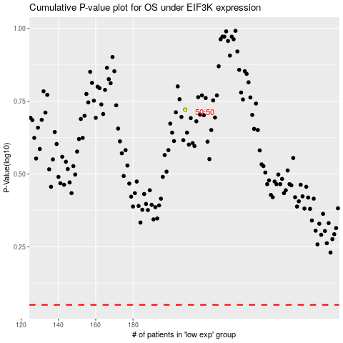

 |  |  |  |  |  | cases_OS | p_OS | rank | exp
 |  |  |  |  |  |  | cases_RFS | p_RFS | rank | exp

