EIF3L _multivariate
Reported by Tex Li-Hsing Chi. tex@gate.sinica.edu.tw 2019-08-20

Table 2. The clinicopathological features of HNSCC cohort and EIF3L expression. (Chi square test)
Cutoff at -0.281 (49.8%)
 |  | EIF3L expression |  | EIF3L expression |  | (Optimised)
 | Features | Low | (%) | High | (%) | Case no | P-value | Remark | Matthews
Gender | Female | 143 | 34.5 | 163 | 39.3 | 415 | 0.0416 | 1 | 0
2 | Male | 64 | 15.4 | 45 | 10.8
Age at diagnosis | <=65y | 127 | 30.6 | 147 | 35.4 | 415 | 0.0573 | 0 | 0
4 | >65y | 80 | 19.3 | 61 | 14.7
Clinical T Status | T1+T2 | 81 | 19.5 | 68 | 16.4 | 415 | 0.206 | 0 | 0
6 | T3+T4 | 126 | 30.4 | 140 | 33.7
Clinical N Status | N0 | 111 | 26.7 | 105 | 25.3 | 415 | 0.5875 | 0 | 0
8 | N1-3 | 96 | 23.1 | 103 | 24.8
Clinical M Status | M0 | 206 | 49.6 | 206 | 49.6 | 415 | 1 | 0 | 0
10 | M1 | 1 | 0.2 | 2 | 0.5
Clinical Stage | Stage I+II | 58 | 14 | 44 | 10.6 | 415 | 0.131 | 0 | 0
12 | Stage III+IV | 149 | 35.9 | 164 | 39.5
Surgical Margin status | Negative | 162 | 39 | 156 | 37.6 | 415 | 0.4867 | 0 | 0
14 | Positive | 45 | 10.8 | 52 | 12.5
Tobacco Exposure | Low | 102 | 24.6 | 59 | 14.2 | 415 | 0 | 1 | 0
16 | High | 105 | 25.3 | 149 | 35.9

Table 3. Univariate/Multivariate Cox's proportional hazards regression analyses on OS time of EIF3L gene expression in HNSCC

 |  | Univariate |  |  |  | Multivariate
 | Features | HR | CI95%(L) | CI95%(H) | P-value | HR | CI95%(L) | CI95%(H) | P-value
1 | Female | 1 |  |  |  | 1
Gender | Male | 1.157 | 0.843 | 1.587 | 0.367 | 1.208 | 0.864 | 1.689 | 0.27
11 | <=65y | 1 |  |  |  | 1
Age at diagnosis | >65y | 1.329 | 0.99 | 1.784 | 0.058 | 1.405 | 1.03 | 1.916 | 0.032
12 | T1+T2 | 1 |  |  |  | 1
Clinical T Status | T3+T4 | 1.409 | 1.028 | 1.931 | 0.033 | 2.197 | 1.162 | 4.153 | 0.015
13 | N0 | 1 |  |  |  | 1
Clinical N Status | N1-3 | 1.185 | 0.89 | 1.577 | 0.246 | 1.249 | 0.874 | 1.784 | 0.223
14 | M0 | 1 |  |  |  | 1
Clinical M Status | M1 | 4.097 | 1.009 | 16.644 | 0.049 | 9.335 | 2.036 | 42.813 | 0.004
15 | Stage I+II | 1 |  |  |  | 1
Clinical Stage | Stage III+IV | 1.245 | 0.882 | 1.759 | 0.213 | 0.5 | 0.233 | 1.074 | 0.076
16 | Negative | 1 |  |  |  | 1
Surgical Margin status | Positive | 1.591 | 1.155 | 2.191 | 0.004 | 1.671 | 1.209 | 2.308 | 0.002
17 | Low | 1 |  |  |  | 1
Tobacco Exposure | High | 1.364 | 1.008 | 1.844 | 0.044 | 1.448 | 1.05 | 1.996 | 0.024
18 | Low | 1 |  |  |  | 1
RNAseq(z-score) | High | 1.071 | 0.803 | 1.428 | 0.639 | 1.063 | 0.79 | 1.429 | 0.687

Table 4. Univariate/Multivariate Cox's proportional hazards regression analyses on RFS time of EIF3L gene expression in HNSCC

 |  | Univariate |  |  |  | Multivariate
 | Features | HR | CI95%(L) | CI95%(H) | P-value | HR | CI95%(L) | CI95%(H) | P-value
1 | Female | 1 |  |  |  | 1
Gender | Male | 1.157 | 0.843 | 1.587 | 0.367 | 1.208 | 0.864 | 1.689 | 0.27
11 | <=65y | 1 |  |  |  | 1
Age at diagnosis | >65y | 1.329 | 0.99 | 1.784 | 0.058 | 1.405 | 1.03 | 1.916 | 0.032
12 | T1+T2 | 1 |  |  |  | 1
Clinical T Status | T3+T4 | 1.409 | 1.028 | 1.931 | 0.033 | 2.197 | 1.162 | 4.153 | 0.015
13 | N0 | 1 |  |  |  | 1
Clinical N Status | N1-3 | 1.185 | 0.89 | 1.577 | 0.246 | 1.249 | 0.874 | 1.784 | 0.223
14 | M0 | 1 |  |  |  | 1
Clinical M Status | M1 | 4.097 | 1.009 | 16.644 | 0.049 | 9.335 | 2.036 | 42.813 | 0.004
15 | Stage I+II | 1 |  |  |  | 1
Clinical Stage | Stage III+IV | 1.245 | 0.882 | 1.759 | 0.213 | 0.5 | 0.233 | 1.074 | 0.076
16 | Negative | 1 |  |  |  | 1
Surgical Margin status | Positive | 1.591 | 1.155 | 2.191 | 0.004 | 1.671 | 1.209 | 2.308 | 0.002
17 | Low | 1 |  |  |  | 1
Tobacco Exposure | High | 1.364 | 1.008 | 1.844 | 0.044 | 1.448 | 1.05 | 1.996 | 0.024
18 | Low | 1 |  |  |  | 1
RNAseq(z-score) | High | 1.071 | 0.803 | 1.428 | 0.639 | 1.063 | 0.79 | 1.429 | 0.687

Kaplan-Meier survival estimate: Cutoff at -0.281 (49.8%)



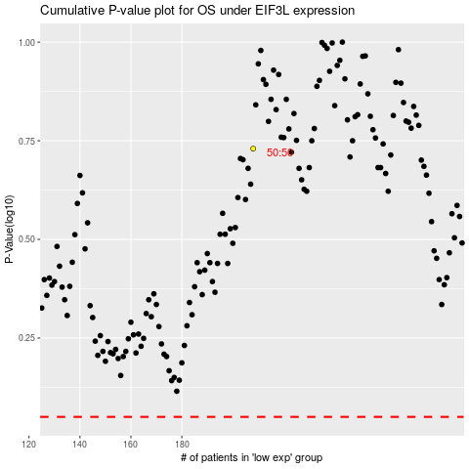

 |  |  |  |  |  | cases_OS | p_OS | rank | exp
 |  |  |  |  |  |  | cases_RFS | p_RFS | rank | exp

