EIF4A2 _multivariate
Reported by Tex Li-Hsing Chi. tex@gate.sinica.edu.tw 2019-08-20

Table 2. The clinicopathological features of HNSCC cohort and EIF4A2 expression. (Chi square test)
Cutoff at -0.267 (49.8%)
 |  | EIF4A2 expression |  | EIF4A2 expression |  | (Optimised)
 | Features | Low | (%) | High | (%) | Case no | P-value | Remark | Matthews
Gender | Female | 135 | 32.5 | 171 | 41.2 | 415 | 1e-04 | 1 | 0
2 | Male | 72 | 17.3 | 37 | 8.9
Age at diagnosis | <=65y | 128 | 30.8 | 146 | 35.2 | 415 | 0.0904 | 0 | 0
4 | >65y | 79 | 19 | 62 | 14.9
Clinical T Status | T1+T2 | 73 | 17.6 | 76 | 18.3 | 415 | 0.8666 | 0 | 0
6 | T3+T4 | 134 | 32.3 | 132 | 31.8
Clinical N Status | N0 | 112 | 27 | 104 | 25.1 | 415 | 0.4599 | 0 | 0
8 | N1-3 | 95 | 22.9 | 104 | 25.1
Clinical M Status | M0 | 205 | 49.4 | 207 | 49.9 | 415 | 0.6232 | 0 | 0
10 | M1 | 2 | 0.5 | 1 | 0.2
Clinical Stage | Stage I+II | 52 | 12.5 | 50 | 12 | 415 | 0.8871 | 0 | 0
12 | Stage III+IV | 155 | 37.3 | 158 | 38.1
Surgical Margin status | Negative | 170 | 41 | 148 | 35.7 | 415 | 0.0105 | 1 | 0
14 | Positive | 37 | 8.9 | 60 | 14.5
Tobacco Exposure | Low | 96 | 23.1 | 65 | 15.7 | 415 | 0.0018 | 1 | 0
16 | High | 111 | 26.7 | 143 | 34.5

Table 3. Univariate/Multivariate Cox's proportional hazards regression analyses on OS time of EIF4A2 gene expression in HNSCC

 |  | Univariate |  |  |  | Multivariate
 | Features | HR | CI95%(L) | CI95%(H) | P-value | HR | CI95%(L) | CI95%(H) | P-value
1 | Female | 1 |  |  |  | 1
Gender | Male | 1.157 | 0.843 | 1.587 | 0.367 | 1.242 | 0.881 | 1.75 | 0.216
11 | <=65y | 1 |  |  |  | 1
Age at diagnosis | >65y | 1.329 | 0.99 | 1.784 | 0.058 | 1.389 | 1.022 | 1.888 | 0.036
12 | T1+T2 | 1 |  |  |  | 1
Clinical T Status | T3+T4 | 1.409 | 1.028 | 1.931 | 0.033 | 2.241 | 1.183 | 4.244 | 0.013
13 | N0 | 1 |  |  |  | 1
Clinical N Status | N1-3 | 1.185 | 0.89 | 1.577 | 0.246 | 1.242 | 0.871 | 1.773 | 0.231
14 | M0 | 1 |  |  |  | 1
Clinical M Status | M1 | 4.097 | 1.009 | 16.644 | 0.049 | 10.024 | 2.169 | 46.318 | 0.003
15 | Stage I+II | 1 |  |  |  | 1
Clinical Stage | Stage III+IV | 1.245 | 0.882 | 1.759 | 0.213 | 0.495 | 0.23 | 1.064 | 0.072
16 | Negative | 1 |  |  |  | 1
Surgical Margin status | Positive | 1.591 | 1.155 | 2.191 | 0.004 | 1.652 | 1.194 | 2.286 | 0.002
17 | Low | 1 |  |  |  | 1
Tobacco Exposure | High | 1.364 | 1.008 | 1.844 | 0.044 | 1.439 | 1.044 | 1.983 | 0.026
18 | Low | 1 |  |  |  | 1
RNAseq(z-score) | High | 1.105 | 0.829 | 1.474 | 0.494 | 1.136 | 0.84 | 1.537 | 0.409

Table 4. Univariate/Multivariate Cox's proportional hazards regression analyses on RFS time of EIF4A2 gene expression in HNSCC

 |  | Univariate |  |  |  | Multivariate
 | Features | HR | CI95%(L) | CI95%(H) | P-value | HR | CI95%(L) | CI95%(H) | P-value
1 | Female | 1 |  |  |  | 1
Gender | Male | 1.157 | 0.843 | 1.587 | 0.367 | 1.242 | 0.881 | 1.75 | 0.216
11 | <=65y | 1 |  |  |  | 1
Age at diagnosis | >65y | 1.329 | 0.99 | 1.784 | 0.058 | 1.389 | 1.022 | 1.888 | 0.036
12 | T1+T2 | 1 |  |  |  | 1
Clinical T Status | T3+T4 | 1.409 | 1.028 | 1.931 | 0.033 | 2.241 | 1.183 | 4.244 | 0.013
13 | N0 | 1 |  |  |  | 1
Clinical N Status | N1-3 | 1.185 | 0.89 | 1.577 | 0.246 | 1.242 | 0.871 | 1.773 | 0.231
14 | M0 | 1 |  |  |  | 1
Clinical M Status | M1 | 4.097 | 1.009 | 16.644 | 0.049 | 10.024 | 2.169 | 46.318 | 0.003
15 | Stage I+II | 1 |  |  |  | 1
Clinical Stage | Stage III+IV | 1.245 | 0.882 | 1.759 | 0.213 | 0.495 | 0.23 | 1.064 | 0.072
16 | Negative | 1 |  |  |  | 1
Surgical Margin status | Positive | 1.591 | 1.155 | 2.191 | 0.004 | 1.652 | 1.194 | 2.286 | 0.002
17 | Low | 1 |  |  |  | 1
Tobacco Exposure | High | 1.364 | 1.008 | 1.844 | 0.044 | 1.439 | 1.044 | 1.983 | 0.026
18 | Low | 1 |  |  |  | 1
RNAseq(z-score) | High | 1.105 | 0.829 | 1.474 | 0.494 | 1.136 | 0.84 | 1.537 | 0.409

Kaplan-Meier survival estimate: Cutoff at -0.267 (49.8%)



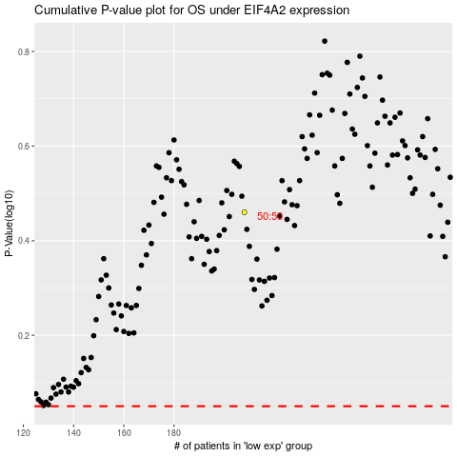

 |  |  |  |  |  | cases_OS | p_OS | rank | exp
 |  |  |  |  |  |  | cases_RFS | p_RFS | rank | exp

