EIF4A3 _multivariate
Reported by Tex Li-Hsing Chi. tex@gate.sinica.edu.tw 2019-08-20

Table 2. The clinicopathological features of HNSCC cohort and EIF4A3 expression. (Chi square test)
Cutoff at -0.143 (50.0%)
 |  | EIF4A3 expression |  | EIF4A3 expression |  | (Optimised)
 | Features | Low | (%) | High | (%) | Case no | P-value | Remark | Matthews
Gender | Female | 155 | 37.3 | 151 | 36.4 | 415 | 0.6768 | 0 | 0
2 | Male | 52 | 12.5 | 57 | 13.7
Age at diagnosis | <=65y | 148 | 35.7 | 126 | 30.4 | 415 | 0.0248 | 1 | 0
4 | >65y | 59 | 14.2 | 82 | 19.8
Clinical T Status | T1+T2 | 86 | 20.7 | 63 | 15.2 | 415 | 0.0221 | 1 | 0
6 | T3+T4 | 121 | 29.2 | 145 | 34.9
Clinical N Status | N0 | 107 | 25.8 | 109 | 26.3 | 415 | 0.9624 | 0 | 0
8 | N1-3 | 100 | 24.1 | 99 | 23.9
Clinical M Status | M0 | 207 | 49.9 | 205 | 49.4 | 415 | 0.2482 | 0 | 0
10 | M1 | 0 | 0 | 3 | 0.7
Clinical Stage | Stage I+II | 59 | 14.2 | 43 | 10.4 | 415 | 0.0822 | 0 | 0
12 | Stage III+IV | 148 | 35.7 | 165 | 39.8
Surgical Margin status | Negative | 161 | 38.8 | 157 | 37.8 | 415 | 0.6429 | 0 | 0
14 | Positive | 46 | 11.1 | 51 | 12.3
Tobacco Exposure | Low | 86 | 20.7 | 75 | 18.1 | 415 | 0.2687 | 0 | 0
16 | High | 121 | 29.2 | 133 | 32

Table 3. Univariate/Multivariate Cox's proportional hazards regression analyses on OS time of EIF4A3 gene expression in HNSCC

 |  | Univariate |  |  |  | Multivariate
 | Features | HR | CI95%(L) | CI95%(H) | P-value | HR | CI95%(L) | CI95%(H) | P-value
1 | Female | 1 |  |  |  | 1
Gender | Male | 1.157 | 0.843 | 1.587 | 0.367 | 1.202 | 0.86 | 1.681 | 0.281
11 | <=65y | 1 |  |  |  | 1
Age at diagnosis | >65y | 1.329 | 0.99 | 1.784 | 0.058 | 1.393 | 1.021 | 1.901 | 0.036
12 | T1+T2 | 1 |  |  |  | 1
Clinical T Status | T3+T4 | 1.409 | 1.028 | 1.931 | 0.033 | 2.205 | 1.163 | 4.182 | 0.015
13 | N0 | 1 |  |  |  | 1
Clinical N Status | N1-3 | 1.185 | 0.89 | 1.577 | 0.246 | 1.241 | 0.869 | 1.77 | 0.235
14 | M0 | 1 |  |  |  | 1
Clinical M Status | M1 | 4.097 | 1.009 | 16.644 | 0.049 | 9.453 | 2.029 | 44.04 | 0.004
15 | Stage I+II | 1 |  |  |  | 1
Clinical Stage | Stage III+IV | 1.245 | 0.882 | 1.759 | 0.213 | 0.504 | 0.235 | 1.083 | 0.079
16 | Negative | 1 |  |  |  | 1
Surgical Margin status | Positive | 1.591 | 1.155 | 2.191 | 0.004 | 1.673 | 1.209 | 2.315 | 0.002
17 | Low | 1 |  |  |  | 1
Tobacco Exposure | High | 1.364 | 1.008 | 1.844 | 0.044 | 1.454 | 1.054 | 2.006 | 0.023
18 | Low | 1 |  |  |  | 1
RNAseq(z-score) | High | 1.178 | 0.884 | 1.569 | 0.264 | 0.994 | 0.738 | 1.337 | 0.966

Table 4. Univariate/Multivariate Cox's proportional hazards regression analyses on RFS time of EIF4A3 gene expression in HNSCC

 |  | Univariate |  |  |  | Multivariate
 | Features | HR | CI95%(L) | CI95%(H) | P-value | HR | CI95%(L) | CI95%(H) | P-value
1 | Female | 1 |  |  |  | 1
Gender | Male | 1.157 | 0.843 | 1.587 | 0.367 | 1.202 | 0.86 | 1.681 | 0.281
11 | <=65y | 1 |  |  |  | 1
Age at diagnosis | >65y | 1.329 | 0.99 | 1.784 | 0.058 | 1.393 | 1.021 | 1.901 | 0.036
12 | T1+T2 | 1 |  |  |  | 1
Clinical T Status | T3+T4 | 1.409 | 1.028 | 1.931 | 0.033 | 2.205 | 1.163 | 4.182 | 0.015
13 | N0 | 1 |  |  |  | 1
Clinical N Status | N1-3 | 1.185 | 0.89 | 1.577 | 0.246 | 1.241 | 0.869 | 1.77 | 0.235
14 | M0 | 1 |  |  |  | 1
Clinical M Status | M1 | 4.097 | 1.009 | 16.644 | 0.049 | 9.453 | 2.029 | 44.04 | 0.004
15 | Stage I+II | 1 |  |  |  | 1
Clinical Stage | Stage III+IV | 1.245 | 0.882 | 1.759 | 0.213 | 0.504 | 0.235 | 1.083 | 0.079
16 | Negative | 1 |  |  |  | 1
Surgical Margin status | Positive | 1.591 | 1.155 | 2.191 | 0.004 | 1.673 | 1.209 | 2.315 | 0.002
17 | Low | 1 |  |  |  | 1
Tobacco Exposure | High | 1.364 | 1.008 | 1.844 | 0.044 | 1.454 | 1.054 | 2.006 | 0.023
18 | Low | 1 |  |  |  | 1
RNAseq(z-score) | High | 1.178 | 0.884 | 1.569 | 0.264 | 0.994 | 0.738 | 1.337 | 0.966

Kaplan-Meier survival estimate: Cutoff at -0.143 (50.0%)



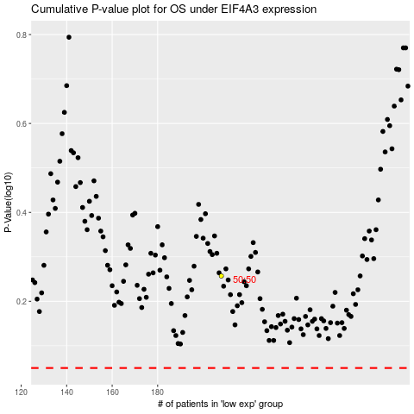

 |  |  |  |  |  | cases_OS | p_OS | rank | exp
 |  |  |  |  |  |  | cases_RFS | p_RFS | rank | exp

