EIF4EBP1 _multivariate
Reported by Tex Li-Hsing Chi. tex@gate.sinica.edu.tw 2019-08-20

Table 2. The clinicopathological features of HNSCC cohort and EIF4EBP1 expression. (Chi square test)
Cutoff at -0.248 (49.8%)
 |  | EIF4EBP1 expression |  | EIF4EBP1 expression |  | (Optimised)
 | Features | Low | (%) | High | (%) | Case no | P-value | Remark | Matthews
Gender | Female | 147 | 35.4 | 159 | 38.3 | 415 | 0.2523 | 0 | 0
2 | Male | 60 | 14.5 | 49 | 11.8
Age at diagnosis | <=65y | 142 | 34.2 | 132 | 31.8 | 415 | 0.3167 | 0 | 0
4 | >65y | 65 | 15.7 | 76 | 18.3
Clinical T Status | T1+T2 | 81 | 19.5 | 68 | 16.4 | 415 | 0.206 | 0 | 0
6 | T3+T4 | 126 | 30.4 | 140 | 33.7
Clinical N Status | N0 | 106 | 25.5 | 110 | 26.5 | 415 | 0.8075 | 0 | 0
8 | N1-3 | 101 | 24.3 | 98 | 23.6
Clinical M Status | M0 | 207 | 49.9 | 205 | 49.4 | 415 | 0.2482 | 0 | 0
10 | M1 | 0 | 0 | 3 | 0.7
Clinical Stage | Stage I+II | 50 | 12 | 52 | 12.5 | 415 | 0.9315 | 0 | 0
12 | Stage III+IV | 157 | 37.8 | 156 | 37.6
Surgical Margin status | Negative | 161 | 38.8 | 157 | 37.8 | 415 | 0.6429 | 0 | 0
14 | Positive | 46 | 11.1 | 51 | 12.3
Tobacco Exposure | Low | 85 | 20.5 | 76 | 18.3 | 415 | 0.3655 | 0 | 0
16 | High | 122 | 29.4 | 132 | 31.8

Table 3. Univariate/Multivariate Cox's proportional hazards regression analyses on OS time of EIF4EBP1 gene expression in HNSCC

 |  | Univariate |  |  |  | Multivariate
 | Features | HR | CI95%(L) | CI95%(H) | P-value | HR | CI95%(L) | CI95%(H) | P-value
1 | Female | 1 |  |  |  | 1
Gender | Male | 1.157 | 0.843 | 1.587 | 0.367 | 1.187 | 0.85 | 1.66 | 0.315
11 | <=65y | 1 |  |  |  | 1
Age at diagnosis | >65y | 1.329 | 0.99 | 1.784 | 0.058 | 1.402 | 1.031 | 1.907 | 0.031
12 | T1+T2 | 1 |  |  |  | 1
Clinical T Status | T3+T4 | 1.409 | 1.028 | 1.931 | 0.033 | 2.282 | 1.202 | 4.331 | 0.012
13 | N0 | 1 |  |  |  | 1
Clinical N Status | N1-3 | 1.185 | 0.89 | 1.577 | 0.246 | 1.251 | 0.876 | 1.785 | 0.218
14 | M0 | 1 |  |  |  | 1
Clinical M Status | M1 | 4.097 | 1.009 | 16.644 | 0.049 | 10.486 | 2.257 | 48.725 | 0.003
15 | Stage I+II | 1 |  |  |  | 1
Clinical Stage | Stage III+IV | 1.245 | 0.882 | 1.759 | 0.213 | 0.487 | 0.226 | 1.049 | 0.066
16 | Negative | 1 |  |  |  | 1
Surgical Margin status | Positive | 1.591 | 1.155 | 2.191 | 0.004 | 1.668 | 1.207 | 2.305 | 0.002
17 | Low | 1 |  |  |  | 1
Tobacco Exposure | High | 1.364 | 1.008 | 1.844 | 0.044 | 1.466 | 1.064 | 2.02 | 0.019
18 | Low | 1 |  |  |  | 1
RNAseq(z-score) | High | 0.919 | 0.689 | 1.225 | 0.565 | 0.852 | 0.636 | 1.141 | 0.283

Table 4. Univariate/Multivariate Cox's proportional hazards regression analyses on RFS time of EIF4EBP1 gene expression in HNSCC

 |  | Univariate |  |  |  | Multivariate
 | Features | HR | CI95%(L) | CI95%(H) | P-value | HR | CI95%(L) | CI95%(H) | P-value
1 | Female | 1 |  |  |  | 1
Gender | Male | 1.157 | 0.843 | 1.587 | 0.367 | 1.187 | 0.85 | 1.66 | 0.315
11 | <=65y | 1 |  |  |  | 1
Age at diagnosis | >65y | 1.329 | 0.99 | 1.784 | 0.058 | 1.402 | 1.031 | 1.907 | 0.031
12 | T1+T2 | 1 |  |  |  | 1
Clinical T Status | T3+T4 | 1.409 | 1.028 | 1.931 | 0.033 | 2.282 | 1.202 | 4.331 | 0.012
13 | N0 | 1 |  |  |  | 1
Clinical N Status | N1-3 | 1.185 | 0.89 | 1.577 | 0.246 | 1.251 | 0.876 | 1.785 | 0.218
14 | M0 | 1 |  |  |  | 1
Clinical M Status | M1 | 4.097 | 1.009 | 16.644 | 0.049 | 10.486 | 2.257 | 48.725 | 0.003
15 | Stage I+II | 1 |  |  |  | 1
Clinical Stage | Stage III+IV | 1.245 | 0.882 | 1.759 | 0.213 | 0.487 | 0.226 | 1.049 | 0.066
16 | Negative | 1 |  |  |  | 1
Surgical Margin status | Positive | 1.591 | 1.155 | 2.191 | 0.004 | 1.668 | 1.207 | 2.305 | 0.002
17 | Low | 1 |  |  |  | 1
Tobacco Exposure | High | 1.364 | 1.008 | 1.844 | 0.044 | 1.466 | 1.064 | 2.02 | 0.019
18 | Low | 1 |  |  |  | 1
RNAseq(z-score) | High | 0.919 | 0.689 | 1.225 | 0.565 | 0.852 | 0.636 | 1.141 | 0.283

Kaplan-Meier survival estimate: Cutoff at -0.248 (49.8%)



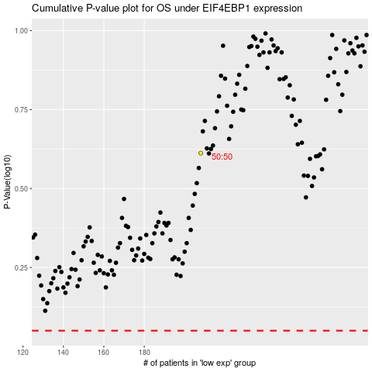

 |  |  |  |  |  | cases_OS | p_OS | rank | exp
 |  |  |  |  |  |  | cases_RFS | p_RFS | rank | exp

