EIF4EBP2 _multivariate
Reported by Tex Li-Hsing Chi. tex@gate.sinica.edu.tw 2019-08-20

Table 2. The clinicopathological features of HNSCC cohort and EIF4EBP2 expression. (Chi square test)
Cutoff at -0.323 (49.8%)
 |  | EIF4EBP2 expression |  | EIF4EBP2 expression |  | (Optimised)
 | Features | Low | (%) | High | (%) | Case no | P-value | Remark | Matthews
Gender | Female | 154 | 37.1 | 152 | 36.6 | 415 | 0.8463 | 0 | 0
2 | Male | 53 | 12.8 | 56 | 13.5
Age at diagnosis | <=65y | 140 | 33.7 | 134 | 32.3 | 415 | 0.5574 | 0 | 0
4 | >65y | 67 | 16.1 | 74 | 17.8
Clinical T Status | T1+T2 | 65 | 15.7 | 84 | 20.2 | 415 | 0.0711 | 0 | 0
6 | T3+T4 | 142 | 34.2 | 124 | 29.9
Clinical N Status | N0 | 110 | 26.5 | 106 | 25.5 | 415 | 0.7294 | 0 | 0
8 | N1-3 | 97 | 23.4 | 102 | 24.6
Clinical M Status | M0 | 205 | 49.4 | 207 | 49.9 | 415 | 0.6232 | 0 | 0
10 | M1 | 2 | 0.5 | 1 | 0.2
Clinical Stage | Stage I+II | 48 | 11.6 | 54 | 13 | 415 | 0.5878 | 0 | 0
12 | Stage III+IV | 159 | 38.3 | 154 | 37.1
Surgical Margin status | Negative | 155 | 37.3 | 163 | 39.3 | 415 | 0.4187 | 0 | 0
14 | Positive | 52 | 12.5 | 45 | 10.8
Tobacco Exposure | Low | 75 | 18.1 | 86 | 20.7 | 415 | 0.3141 | 0 | 0
16 | High | 132 | 31.8 | 122 | 29.4

Table 3. Univariate/Multivariate Cox's proportional hazards regression analyses on OS time of EIF4EBP2 gene expression in HNSCC

 |  | Univariate |  |  |  | Multivariate
 | Features | HR | CI95%(L) | CI95%(H) | P-value | HR | CI95%(L) | CI95%(H) | P-value
1 | Female | 1 |  |  |  | 1
Gender | Male | 1.157 | 0.843 | 1.587 | 0.367 | 1.211 | 0.868 | 1.69 | 0.26
11 | <=65y | 1 |  |  |  | 1
Age at diagnosis | >65y | 1.329 | 0.99 | 1.784 | 0.058 | 1.376 | 1.012 | 1.871 | 0.042
12 | T1+T2 | 1 |  |  |  | 1
Clinical T Status | T3+T4 | 1.409 | 1.028 | 1.931 | 0.033 | 2.301 | 1.213 | 4.363 | 0.011
13 | N0 | 1 |  |  |  | 1
Clinical N Status | N1-3 | 1.185 | 0.89 | 1.577 | 0.246 | 1.239 | 0.869 | 1.768 | 0.237
14 | M0 | 1 |  |  |  | 1
Clinical M Status | M1 | 4.097 | 1.009 | 16.644 | 0.049 | 10.422 | 2.259 | 48.086 | 0.003
15 | Stage I+II | 1 |  |  |  | 1
Clinical Stage | Stage III+IV | 1.245 | 0.882 | 1.759 | 0.213 | 0.493 | 0.23 | 1.06 | 0.07
16 | Negative | 1 |  |  |  | 1
Surgical Margin status | Positive | 1.591 | 1.155 | 2.191 | 0.004 | 1.697 | 1.227 | 2.346 | 0.001
17 | Low | 1 |  |  |  | 1
Tobacco Exposure | High | 1.364 | 1.008 | 1.844 | 0.044 | 1.467 | 1.065 | 2.021 | 0.019
18 | Low | 1 |  |  |  | 1
RNAseq(z-score) | High | 1.132 | 0.85 | 1.509 | 0.397 | 1.247 | 0.932 | 1.67 | 0.138

Table 4. Univariate/Multivariate Cox's proportional hazards regression analyses on RFS time of EIF4EBP2 gene expression in HNSCC

 |  | Univariate |  |  |  | Multivariate
 | Features | HR | CI95%(L) | CI95%(H) | P-value | HR | CI95%(L) | CI95%(H) | P-value
1 | Female | 1 |  |  |  | 1
Gender | Male | 1.157 | 0.843 | 1.587 | 0.367 | 1.211 | 0.868 | 1.69 | 0.26
11 | <=65y | 1 |  |  |  | 1
Age at diagnosis | >65y | 1.329 | 0.99 | 1.784 | 0.058 | 1.376 | 1.012 | 1.871 | 0.042
12 | T1+T2 | 1 |  |  |  | 1
Clinical T Status | T3+T4 | 1.409 | 1.028 | 1.931 | 0.033 | 2.301 | 1.213 | 4.363 | 0.011
13 | N0 | 1 |  |  |  | 1
Clinical N Status | N1-3 | 1.185 | 0.89 | 1.577 | 0.246 | 1.239 | 0.869 | 1.768 | 0.237
14 | M0 | 1 |  |  |  | 1
Clinical M Status | M1 | 4.097 | 1.009 | 16.644 | 0.049 | 10.422 | 2.259 | 48.086 | 0.003
15 | Stage I+II | 1 |  |  |  | 1
Clinical Stage | Stage III+IV | 1.245 | 0.882 | 1.759 | 0.213 | 0.493 | 0.23 | 1.06 | 0.07
16 | Negative | 1 |  |  |  | 1
Surgical Margin status | Positive | 1.591 | 1.155 | 2.191 | 0.004 | 1.697 | 1.227 | 2.346 | 0.001
17 | Low | 1 |  |  |  | 1
Tobacco Exposure | High | 1.364 | 1.008 | 1.844 | 0.044 | 1.467 | 1.065 | 2.021 | 0.019
18 | Low | 1 |  |  |  | 1
RNAseq(z-score) | High | 1.132 | 0.85 | 1.509 | 0.397 | 1.247 | 0.932 | 1.67 | 0.138

Kaplan-Meier survival estimate: Cutoff at -0.323 (49.8%)



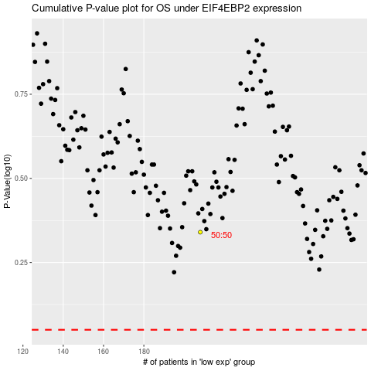

 |  |  |  |  |  | cases_OS | p_OS | rank | exp
 |  |  |  |  |  |  | cases_RFS | p_RFS | rank | exp

