EIF4ENIF1 _multivariate
Reported by Tex Li-Hsing Chi. tex@gate.sinica.edu.tw 2019-08-20

Table 2. The clinicopathological features of HNSCC cohort and EIF4ENIF1 expression. (Chi square test)
Cutoff at -0.159 (49.8%)
 |  | EIF4ENIF1 expression |  | EIF4ENIF1 expression |  | (Optimised)
 | Features | Low | (%) | High | (%) | Case no | P-value | Remark | Matthews
Gender | Female | 149 | 35.9 | 157 | 37.8 | 415 | 0.4848 | 0 | 0
2 | Male | 58 | 14 | 51 | 12.3
Age at diagnosis | <=65y | 129 | 31.1 | 145 | 34.9 | 415 | 0.1372 | 0 | 0
4 | >65y | 78 | 18.8 | 63 | 15.2
Clinical T Status | T1+T2 | 67 | 16.1 | 82 | 19.8 | 415 | 0.1628 | 0 | 0
6 | T3+T4 | 140 | 33.7 | 126 | 30.4
Clinical N Status | N0 | 111 | 26.7 | 105 | 25.3 | 415 | 0.5875 | 0 | 0
8 | N1-3 | 96 | 23.1 | 103 | 24.8
Clinical M Status | M0 | 206 | 49.6 | 206 | 49.6 | 415 | 1 | 0 | 0
10 | M1 | 1 | 0.2 | 2 | 0.5
Clinical Stage | Stage I+II | 50 | 12 | 52 | 12.5 | 415 | 0.9315 | 0 | 0
12 | Stage III+IV | 157 | 37.8 | 156 | 37.6
Surgical Margin status | Negative | 157 | 37.8 | 161 | 38.8 | 415 | 0.729 | 0 | 0
14 | Positive | 50 | 12 | 47 | 11.3
Tobacco Exposure | Low | 88 | 21.2 | 73 | 17.6 | 415 | 0.1314 | 0 | 0
16 | High | 119 | 28.7 | 135 | 32.5

Table 3. Univariate/Multivariate Cox's proportional hazards regression analyses on OS time of EIF4ENIF1 gene expression in HNSCC

 |  | Univariate |  |  |  | Multivariate
 | Features | HR | CI95%(L) | CI95%(H) | P-value | HR | CI95%(L) | CI95%(H) | P-value
1 | Female | 1 |  |  |  | 1
Gender | Male | 1.157 | 0.843 | 1.587 | 0.367 | 1.205 | 0.861 | 1.685 | 0.277
11 | <=65y | 1 |  |  |  | 1
Age at diagnosis | >65y | 1.329 | 0.99 | 1.784 | 0.058 | 1.393 | 1.024 | 1.894 | 0.035
12 | T1+T2 | 1 |  |  |  | 1
Clinical T Status | T3+T4 | 1.409 | 1.028 | 1.931 | 0.033 | 2.213 | 1.167 | 4.196 | 0.015
13 | N0 | 1 |  |  |  | 1
Clinical N Status | N1-3 | 1.185 | 0.89 | 1.577 | 0.246 | 1.242 | 0.87 | 1.772 | 0.233
14 | M0 | 1 |  |  |  | 1
Clinical M Status | M1 | 4.097 | 1.009 | 16.644 | 0.049 | 9.387 | 2.047 | 43.04 | 0.004
15 | Stage I+II | 1 |  |  |  | 1
Clinical Stage | Stage III+IV | 1.245 | 0.882 | 1.759 | 0.213 | 0.502 | 0.233 | 1.08 | 0.078
16 | Negative | 1 |  |  |  | 1
Surgical Margin status | Positive | 1.591 | 1.155 | 2.191 | 0.004 | 1.674 | 1.211 | 2.313 | 0.002
17 | Low | 1 |  |  |  | 1
Tobacco Exposure | High | 1.364 | 1.008 | 1.844 | 0.044 | 1.452 | 1.054 | 2.001 | 0.023
18 | Low | 1 |  |  |  | 1
RNAseq(z-score) | High | 0.976 | 0.73 | 1.304 | 0.869 | 1.024 | 0.763 | 1.375 | 0.873

Table 4. Univariate/Multivariate Cox's proportional hazards regression analyses on RFS time of EIF4ENIF1 gene expression in HNSCC

 |  | Univariate |  |  |  | Multivariate
 | Features | HR | CI95%(L) | CI95%(H) | P-value | HR | CI95%(L) | CI95%(H) | P-value
1 | Female | 1 |  |  |  | 1
Gender | Male | 1.157 | 0.843 | 1.587 | 0.367 | 1.205 | 0.861 | 1.685 | 0.277
11 | <=65y | 1 |  |  |  | 1
Age at diagnosis | >65y | 1.329 | 0.99 | 1.784 | 0.058 | 1.393 | 1.024 | 1.894 | 0.035
12 | T1+T2 | 1 |  |  |  | 1
Clinical T Status | T3+T4 | 1.409 | 1.028 | 1.931 | 0.033 | 2.213 | 1.167 | 4.196 | 0.015
13 | N0 | 1 |  |  |  | 1
Clinical N Status | N1-3 | 1.185 | 0.89 | 1.577 | 0.246 | 1.242 | 0.87 | 1.772 | 0.233
14 | M0 | 1 |  |  |  | 1
Clinical M Status | M1 | 4.097 | 1.009 | 16.644 | 0.049 | 9.387 | 2.047 | 43.04 | 0.004
15 | Stage I+II | 1 |  |  |  | 1
Clinical Stage | Stage III+IV | 1.245 | 0.882 | 1.759 | 0.213 | 0.502 | 0.233 | 1.08 | 0.078
16 | Negative | 1 |  |  |  | 1
Surgical Margin status | Positive | 1.591 | 1.155 | 2.191 | 0.004 | 1.674 | 1.211 | 2.313 | 0.002
17 | Low | 1 |  |  |  | 1
Tobacco Exposure | High | 1.364 | 1.008 | 1.844 | 0.044 | 1.452 | 1.054 | 2.001 | 0.023
18 | Low | 1 |  |  |  | 1
RNAseq(z-score) | High | 0.976 | 0.73 | 1.304 | 0.869 | 1.024 | 0.763 | 1.375 | 0.873

Kaplan-Meier survival estimate: Cutoff at -0.159 (49.8%)



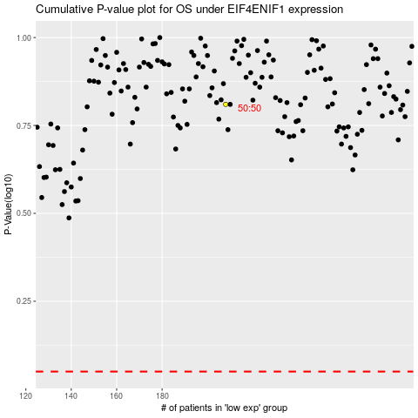

 |  |  |  |  |  | cases_OS | p_OS | rank | exp
 |  |  |  |  |  |  | cases_RFS | p_RFS | rank | exp

