EIF4G1 _multivariate
Reported by Tex Li-Hsing Chi. tex@gate.sinica.edu.tw 2019-08-20

Table 2. The clinicopathological features of HNSCC cohort and EIF4G1 expression. (Chi square test)
Cutoff at -0.403 (31.6%)
 |  | EIF4G1 expression |  | EIF4G1 expression |  | (Optimised)
 | Features | Low | (%) | High | (%) | Case no | P-value | Remark | Matthews
Gender | Female | 99 | 23.9 | 207 | 49.9 | 415 | 0.7793 | 0 | 0
2 | Male | 33 | 8 | 76 | 18.3
Age at diagnosis | <=65y | 86 | 20.7 | 188 | 45.3 | 415 | 0.8847 | 0 | 0
4 | >65y | 46 | 11.1 | 95 | 22.9
Clinical T Status | T1+T2 | 51 | 12.3 | 98 | 23.6 | 415 | 0.4948 | 0 | 0
6 | T3+T4 | 81 | 19.5 | 185 | 44.6
Clinical N Status | N0 | 66 | 15.9 | 150 | 36.1 | 415 | 0.642 | 0 | 0
8 | N1-3 | 66 | 15.9 | 133 | 32
Clinical M Status | M0 | 132 | 31.8 | 280 | 67.5 | 415 | 0.5546 | 0 | 0
10 | M1 | 0 | 0 | 3 | 0.7
Clinical Stage | Stage I+II | 35 | 8.4 | 67 | 16.1 | 415 | 0.6146 | 0 | 0
12 | Stage III+IV | 97 | 23.4 | 216 | 52
Surgical Margin status | Negative | 97 | 23.4 | 221 | 53.3 | 415 | 0.3203 | 0 | 0
14 | Positive | 35 | 8.4 | 62 | 14.9
Tobacco Exposure | Low | 54 | 13 | 107 | 25.8 | 415 | 0.589 | 0 | 0
16 | High | 78 | 18.8 | 176 | 42.4

Table 3. Univariate/Multivariate Cox's proportional hazards regression analyses on OS time of EIF4G1 gene expression in HNSCC

 |  | Univariate |  |  |  | Multivariate
 | Features | HR | CI95%(L) | CI95%(H) | P-value | HR | CI95%(L) | CI95%(H) | P-value
1 | Female | 1 |  |  |  | 1
Gender | Male | 1.157 | 0.843 | 1.587 | 0.367 | 1.216 | 0.871 | 1.698 | 0.25
11 | <=65y | 1 |  |  |  | 1
Age at diagnosis | >65y | 1.329 | 0.99 | 1.784 | 0.058 | 1.397 | 1.027 | 1.899 | 0.033
12 | T1+T2 | 1 |  |  |  | 1
Clinical T Status | T3+T4 | 1.409 | 1.028 | 1.931 | 0.033 | 2.134 | 1.128 | 4.037 | 0.02
13 | N0 | 1 |  |  |  | 1
Clinical N Status | N1-3 | 1.185 | 0.89 | 1.577 | 0.246 | 1.29 | 0.902 | 1.846 | 0.163
14 | M0 | 1 |  |  |  | 1
Clinical M Status | M1 | 4.097 | 1.009 | 16.644 | 0.049 | 8.234 | 1.79 | 37.868 | 0.007
15 | Stage I+II | 1 |  |  |  | 1
Clinical Stage | Stage III+IV | 1.245 | 0.882 | 1.759 | 0.213 | 0.5 | 0.233 | 1.073 | 0.075
16 | Negative | 1 |  |  |  | 1
Surgical Margin status | Positive | 1.591 | 1.155 | 2.191 | 0.004 | 1.707 | 1.234 | 2.36 | 0.001
17 | Low | 1 |  |  |  | 1
Tobacco Exposure | High | 1.364 | 1.008 | 1.844 | 0.044 | 1.426 | 1.035 | 1.966 | 0.03
18 | Low | 1 |  |  |  | 1
RNAseq(z-score) | High | 1.403 | 1.007 | 1.954 | 0.045 | 1.427 | 1.018 | 2 | 0.039

Table 4. Univariate/Multivariate Cox's proportional hazards regression analyses on RFS time of EIF4G1 gene expression in HNSCC

 |  | Univariate |  |  |  | Multivariate
 | Features | HR | CI95%(L) | CI95%(H) | P-value | HR | CI95%(L) | CI95%(H) | P-value
1 | Female | 1 |  |  |  | 1
Gender | Male | 1.157 | 0.843 | 1.587 | 0.367 | 1.216 | 0.871 | 1.698 | 0.25
11 | <=65y | 1 |  |  |  | 1
Age at diagnosis | >65y | 1.329 | 0.99 | 1.784 | 0.058 | 1.397 | 1.027 | 1.899 | 0.033
12 | T1+T2 | 1 |  |  |  | 1
Clinical T Status | T3+T4 | 1.409 | 1.028 | 1.931 | 0.033 | 2.134 | 1.128 | 4.037 | 0.02
13 | N0 | 1 |  |  |  | 1
Clinical N Status | N1-3 | 1.185 | 0.89 | 1.577 | 0.246 | 1.29 | 0.902 | 1.846 | 0.163
14 | M0 | 1 |  |  |  | 1
Clinical M Status | M1 | 4.097 | 1.009 | 16.644 | 0.049 | 8.234 | 1.79 | 37.868 | 0.007
15 | Stage I+II | 1 |  |  |  | 1
Clinical Stage | Stage III+IV | 1.245 | 0.882 | 1.759 | 0.213 | 0.5 | 0.233 | 1.073 | 0.075
16 | Negative | 1 |  |  |  | 1
Surgical Margin status | Positive | 1.591 | 1.155 | 2.191 | 0.004 | 1.707 | 1.234 | 2.36 | 0.001
17 | Low | 1 |  |  |  | 1
Tobacco Exposure | High | 1.364 | 1.008 | 1.844 | 0.044 | 1.426 | 1.035 | 1.966 | 0.03
18 | Low | 1 |  |  |  | 1
RNAseq(z-score) | High | 1.403 | 1.007 | 1.954 | 0.045 | 1.427 | 1.018 | 2 | 0.039

Kaplan-Meier survival estimate: Cutoff at -0.403 (31.6%)



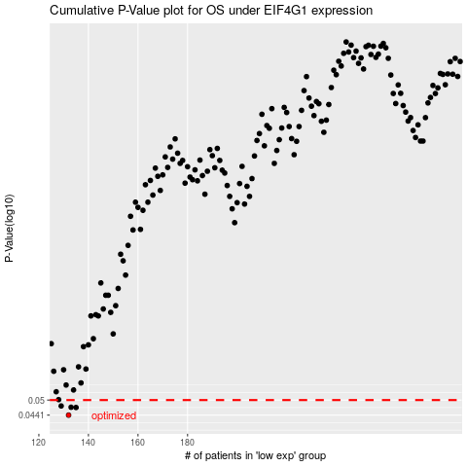

 |  |  |  |  |  | cases_OS | p_OS | rank | exp
 |  |  |  |  |  | 132 | 0.0441 | 212 | -0.40261002716
 |  |  |  |  |  | 135 | 0.047 | 115 | -0.39733514131
 |  |  |  |  |  | 133 | 0.0471 | 240 | -0.40070789171
 |  |  |  |  |  | 129 | 0.0476 | 133 | -0.42407586509
 |  |  |  |  |  |  | cases_RFS | p_RFS | rank | exp
 |  |  |  |  |  |  | 131 | 0.0441 | 255 | -0.41046725521
 |  |  |  |  |  |  | 134 | 0.047 | 33 | -0.39902247864
 |  |  |  |  |  |  | 132 | 0.0471 | 212 | -0.40261002716
 |  |  |  |  |  |  | 128 | 0.0476 | 298 | -0.42791048107

