EIF4G2 _multivariate
Reported by Tex Li-Hsing Chi. tex@gate.sinica.edu.tw 2019-08-20

Table 2. The clinicopathological features of HNSCC cohort and EIF4G2 expression. (Chi square test)
Cutoff at 0.045 (49.8%)
 |  | EIF4G2 expression |  | EIF4G2 expression |  | (Optimised)
 | Features | Low | (%) | High | (%) | Case no | P-value | Remark | Matthews
Gender | Female | 156 | 37.6 | 150 | 36.1 | 415 | 0.5222 | 0 | 0
2 | Male | 51 | 12.3 | 58 | 14
Age at diagnosis | <=65y | 139 | 33.5 | 135 | 32.5 | 415 | 0.7044 | 0 | 0
4 | >65y | 68 | 16.4 | 73 | 17.6
Clinical T Status | T1+T2 | 67 | 16.1 | 82 | 19.8 | 415 | 0.1628 | 0 | 0
6 | T3+T4 | 140 | 33.7 | 126 | 30.4
Clinical N Status | N0 | 100 | 24.1 | 116 | 28 | 415 | 0.1548 | 0 | 0
8 | N1-3 | 107 | 25.8 | 92 | 22.2
Clinical M Status | M0 | 204 | 49.2 | 208 | 50.1 | 415 | 0.1232 | 0 | 0
10 | M1 | 3 | 0.7 | 0 | 0
Clinical Stage | Stage I+II | 40 | 9.6 | 62 | 14.9 | 415 | 0.018 | 1 | 0
12 | Stage III+IV | 167 | 40.2 | 146 | 35.2
Surgical Margin status | Negative | 157 | 37.8 | 161 | 38.8 | 415 | 0.729 | 0 | 0
14 | Positive | 50 | 12 | 47 | 11.3
Tobacco Exposure | Low | 71 | 17.1 | 90 | 21.7 | 415 | 0.0698 | 0 | 0
16 | High | 136 | 32.8 | 118 | 28.4

Table 3. Univariate/Multivariate Cox's proportional hazards regression analyses on OS time of EIF4G2 gene expression in HNSCC

 |  | Univariate |  |  |  | Multivariate
 | Features | HR | CI95%(L) | CI95%(H) | P-value | HR | CI95%(L) | CI95%(H) | P-value
1 | Female | 1 |  |  |  | 1
Gender | Male | 1.157 | 0.843 | 1.587 | 0.367 | 1.211 | 0.868 | 1.69 | 0.26
11 | <=65y | 1 |  |  |  | 1
Age at diagnosis | >65y | 1.329 | 0.99 | 1.784 | 0.058 | 1.392 | 1.024 | 1.892 | 0.034
12 | T1+T2 | 1 |  |  |  | 1
Clinical T Status | T3+T4 | 1.409 | 1.028 | 1.931 | 0.033 | 2.217 | 1.172 | 4.193 | 0.014
13 | N0 | 1 |  |  |  | 1
Clinical N Status | N1-3 | 1.185 | 0.89 | 1.577 | 0.246 | 1.246 | 0.873 | 1.778 | 0.225
14 | M0 | 1 |  |  |  | 1
Clinical M Status | M1 | 4.097 | 1.009 | 16.644 | 0.049 | 10.391 | 2.246 | 48.078 | 0.003
15 | Stage I+II | 1 |  |  |  | 1
Clinical Stage | Stage III+IV | 1.245 | 0.882 | 1.759 | 0.213 | 0.513 | 0.239 | 1.103 | 0.087
16 | Negative | 1 |  |  |  | 1
Surgical Margin status | Positive | 1.591 | 1.155 | 2.191 | 0.004 | 1.691 | 1.223 | 2.338 | 0.002
17 | Low | 1 |  |  |  | 1
Tobacco Exposure | High | 1.364 | 1.008 | 1.844 | 0.044 | 1.481 | 1.074 | 2.042 | 0.017
18 | Low | 1 |  |  |  | 1
RNAseq(z-score) | High | 1.08 | 0.81 | 1.439 | 0.601 | 1.2 | 0.894 | 1.611 | 0.225

Table 4. Univariate/Multivariate Cox's proportional hazards regression analyses on RFS time of EIF4G2 gene expression in HNSCC

 |  | Univariate |  |  |  | Multivariate
 | Features | HR | CI95%(L) | CI95%(H) | P-value | HR | CI95%(L) | CI95%(H) | P-value
1 | Female | 1 |  |  |  | 1
Gender | Male | 1.157 | 0.843 | 1.587 | 0.367 | 1.211 | 0.868 | 1.69 | 0.26
11 | <=65y | 1 |  |  |  | 1
Age at diagnosis | >65y | 1.329 | 0.99 | 1.784 | 0.058 | 1.392 | 1.024 | 1.892 | 0.034
12 | T1+T2 | 1 |  |  |  | 1
Clinical T Status | T3+T4 | 1.409 | 1.028 | 1.931 | 0.033 | 2.217 | 1.172 | 4.193 | 0.014
13 | N0 | 1 |  |  |  | 1
Clinical N Status | N1-3 | 1.185 | 0.89 | 1.577 | 0.246 | 1.246 | 0.873 | 1.778 | 0.225
14 | M0 | 1 |  |  |  | 1
Clinical M Status | M1 | 4.097 | 1.009 | 16.644 | 0.049 | 10.391 | 2.246 | 48.078 | 0.003
15 | Stage I+II | 1 |  |  |  | 1
Clinical Stage | Stage III+IV | 1.245 | 0.882 | 1.759 | 0.213 | 0.513 | 0.239 | 1.103 | 0.087
16 | Negative | 1 |  |  |  | 1
Surgical Margin status | Positive | 1.591 | 1.155 | 2.191 | 0.004 | 1.691 | 1.223 | 2.338 | 0.002
17 | Low | 1 |  |  |  | 1
Tobacco Exposure | High | 1.364 | 1.008 | 1.844 | 0.044 | 1.481 | 1.074 | 2.042 | 0.017
18 | Low | 1 |  |  |  | 1
RNAseq(z-score) | High | 1.08 | 0.81 | 1.439 | 0.601 | 1.2 | 0.894 | 1.611 | 0.225

Kaplan-Meier survival estimate: Cutoff at 0.045 (49.8%)



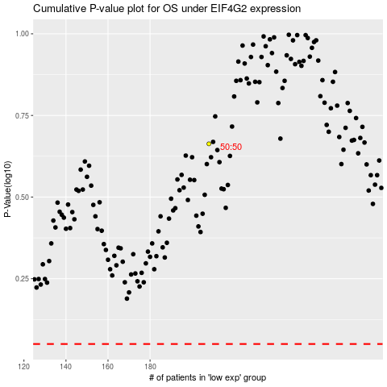

 |  |  |  |  |  | cases_OS | p_OS | rank | exp
 |  |  |  |  |  |  | cases_RFS | p_RFS | rank | exp

