EIF5A _multivariate
Reported by Tex Li-Hsing Chi. tex@gate.sinica.edu.tw 2019-08-20

Table 2. The clinicopathological features of HNSCC cohort and EIF5A expression. (Chi square test)
Cutoff at -0.111 (50.0%)
 |  | EIF5A expression |  | EIF5A expression |  | (Optimised)
 | Features | Low | (%) | High | (%) | Case no | P-value | Remark | Matthews
Gender | Female | 149 | 35.9 | 157 | 37.8 | 415 | 0.4848 | 0 | 0
2 | Male | 58 | 14 | 51 | 12.3
Age at diagnosis | <=65y | 143 | 34.5 | 131 | 31.6 | 415 | 0.2269 | 0 | 0
4 | >65y | 64 | 15.4 | 77 | 18.6
Clinical T Status | T1+T2 | 87 | 21 | 62 | 14.9 | 415 | 0.0127 | 1 | 0
6 | T3+T4 | 120 | 28.9 | 146 | 35.2
Clinical N Status | N0 | 113 | 27.2 | 103 | 24.8 | 415 | 0.3495 | 1 | 0
8 | N1-3 | 94 | 22.7 | 105 | 25.3
Clinical M Status | M0 | 206 | 49.6 | 206 | 49.6 | 415 | 1 | 0 | 0
10 | M1 | 1 | 0.2 | 2 | 0.5
Clinical Stage | Stage I+II | 59 | 14.2 | 43 | 10.4 | 415 | 0.0822 | 0 | 0
12 | Stage III+IV | 148 | 35.7 | 165 | 39.8
Surgical Margin status | Negative | 159 | 38.3 | 159 | 38.3 | 415 | 1 | 0 | 0
14 | Positive | 48 | 11.6 | 49 | 11.8
Tobacco Exposure | Low | 78 | 18.8 | 83 | 20 | 415 | 0.6873 | 0 | 0
16 | High | 129 | 31.1 | 125 | 30.1

Table 3. Univariate/Multivariate Cox's proportional hazards regression analyses on OS time of EIF5A gene expression in HNSCC

 |  | Univariate |  |  |  | Multivariate
 | Features | HR | CI95%(L) | CI95%(H) | P-value | HR | CI95%(L) | CI95%(H) | P-value
1 | Female | 1 |  |  |  | 1
Gender | Male | 1.157 | 0.843 | 1.587 | 0.367 | 1.201 | 0.86 | 1.678 | 0.283
11 | <=65y | 1 |  |  |  | 1
Age at diagnosis | >65y | 1.329 | 0.99 | 1.784 | 0.058 | 1.389 | 1.021 | 1.889 | 0.036
12 | T1+T2 | 1 |  |  |  | 1
Clinical T Status | T3+T4 | 1.409 | 1.028 | 1.931 | 0.033 | 2.191 | 1.157 | 4.149 | 0.016
13 | N0 | 1 |  |  |  | 1
Clinical N Status | N1-3 | 1.185 | 0.89 | 1.577 | 0.246 | 1.239 | 0.868 | 1.768 | 0.238
14 | M0 | 1 |  |  |  | 1
Clinical M Status | M1 | 4.097 | 1.009 | 16.644 | 0.049 | 9.27 | 2.011 | 42.719 | 0.004
15 | Stage I+II | 1 |  |  |  | 1
Clinical Stage | Stage III+IV | 1.245 | 0.882 | 1.759 | 0.213 | 0.507 | 0.236 | 1.09 | 0.082
16 | Negative | 1 |  |  |  | 1
Surgical Margin status | Positive | 1.591 | 1.155 | 2.191 | 0.004 | 1.67 | 1.209 | 2.308 | 0.002
17 | Low | 1 |  |  |  | 1
Tobacco Exposure | High | 1.364 | 1.008 | 1.844 | 0.044 | 1.454 | 1.055 | 2.005 | 0.022
18 | Low | 1 |  |  |  | 1
RNAseq(z-score) | High | 1.11 | 0.833 | 1.479 | 0.475 | 1.034 | 0.774 | 1.381 | 0.822

Table 4. Univariate/Multivariate Cox's proportional hazards regression analyses on RFS time of EIF5A gene expression in HNSCC

 |  | Univariate |  |  |  | Multivariate
 | Features | HR | CI95%(L) | CI95%(H) | P-value | HR | CI95%(L) | CI95%(H) | P-value
1 | Female | 1 |  |  |  | 1
Gender | Male | 1.157 | 0.843 | 1.587 | 0.367 | 1.201 | 0.86 | 1.678 | 0.283
11 | <=65y | 1 |  |  |  | 1
Age at diagnosis | >65y | 1.329 | 0.99 | 1.784 | 0.058 | 1.389 | 1.021 | 1.889 | 0.036
12 | T1+T2 | 1 |  |  |  | 1
Clinical T Status | T3+T4 | 1.409 | 1.028 | 1.931 | 0.033 | 2.191 | 1.157 | 4.149 | 0.016
13 | N0 | 1 |  |  |  | 1
Clinical N Status | N1-3 | 1.185 | 0.89 | 1.577 | 0.246 | 1.239 | 0.868 | 1.768 | 0.238
14 | M0 | 1 |  |  |  | 1
Clinical M Status | M1 | 4.097 | 1.009 | 16.644 | 0.049 | 9.27 | 2.011 | 42.719 | 0.004
15 | Stage I+II | 1 |  |  |  | 1
Clinical Stage | Stage III+IV | 1.245 | 0.882 | 1.759 | 0.213 | 0.507 | 0.236 | 1.09 | 0.082
16 | Negative | 1 |  |  |  | 1
Surgical Margin status | Positive | 1.591 | 1.155 | 2.191 | 0.004 | 1.67 | 1.209 | 2.308 | 0.002
17 | Low | 1 |  |  |  | 1
Tobacco Exposure | High | 1.364 | 1.008 | 1.844 | 0.044 | 1.454 | 1.055 | 2.005 | 0.022
18 | Low | 1 |  |  |  | 1
RNAseq(z-score) | High | 1.11 | 0.833 | 1.479 | 0.475 | 1.034 | 0.774 | 1.381 | 0.822

Kaplan-Meier survival estimate: Cutoff at -0.111 (50.0%)



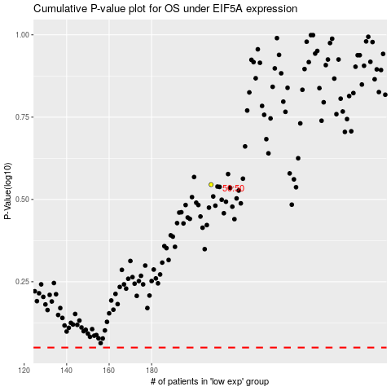

 |  |  |  |  |  | cases_OS | p_OS | rank | exp
 |  |  |  |  |  |  | cases_RFS | p_RFS | rank | exp

