EIF6 _multivariate
Reported by Tex Li-Hsing Chi. tex@gate.sinica.edu.tw 2019-08-20

Table 2. The clinicopathological features of HNSCC cohort and EIF6 expression. (Chi square test)
Cutoff at -0.163 (50.0%)
 |  | EIF6 expression |  | EIF6 expression |  | (Optimised)
 | Features | Low | (%) | High | (%) | Case no | P-value | Remark | Matthews
Gender | Female | 153 | 36.9 | 153 | 36.9 | 415 | 1 | 0 | 0
2 | Male | 54 | 13 | 55 | 13.3
Age at diagnosis | <=65y | 141 | 34 | 133 | 32 | 415 | 0.4272 | 0 | 0
4 | >65y | 66 | 15.9 | 75 | 18.1
Clinical T Status | T1+T2 | 84 | 20.2 | 65 | 15.7 | 415 | 0.0603 | 0 | 0
6 | T3+T4 | 123 | 29.6 | 143 | 34.5
Clinical N Status | N0 | 111 | 26.7 | 105 | 25.3 | 415 | 0.5875 | 0 | 0
8 | N1-3 | 96 | 23.1 | 103 | 24.8
Clinical M Status | M0 | 207 | 49.9 | 205 | 49.4 | 415 | 0.2482 | 0 | 0
10 | M1 | 0 | 0 | 3 | 0.7
Clinical Stage | Stage I+II | 56 | 13.5 | 46 | 11.1 | 415 | 0.2918 | 0 | 0
12 | Stage III+IV | 151 | 36.4 | 162 | 39
Surgical Margin status | Negative | 158 | 38.1 | 160 | 38.6 | 415 | 0.9081 | 0 | 0
14 | Positive | 49 | 11.8 | 48 | 11.6
Tobacco Exposure | Low | 74 | 17.8 | 87 | 21 | 415 | 0.227 | 0 | 0
16 | High | 133 | 32 | 121 | 29.2

Table 3. Univariate/Multivariate Cox's proportional hazards regression analyses on OS time of EIF6 gene expression in HNSCC

 |  | Univariate |  |  |  | Multivariate
 | Features | HR | CI95%(L) | CI95%(H) | P-value | HR | CI95%(L) | CI95%(H) | P-value
1 | Female | 1 |  |  |  | 1
Gender | Male | 1.157 | 0.843 | 1.587 | 0.367 | 1.198 | 0.857 | 1.674 | 0.291
11 | <=65y | 1 |  |  |  | 1
Age at diagnosis | >65y | 1.329 | 0.99 | 1.784 | 0.058 | 1.386 | 1.019 | 1.886 | 0.037
12 | T1+T2 | 1 |  |  |  | 1
Clinical T Status | T3+T4 | 1.409 | 1.028 | 1.931 | 0.033 | 2.189 | 1.157 | 4.143 | 0.016
13 | N0 | 1 |  |  |  | 1
Clinical N Status | N1-3 | 1.185 | 0.89 | 1.577 | 0.246 | 1.237 | 0.867 | 1.766 | 0.241
14 | M0 | 1 |  |  |  | 1
Clinical M Status | M1 | 4.097 | 1.009 | 16.644 | 0.049 | 9.13 | 1.973 | 42.253 | 0.005
15 | Stage I+II | 1 |  |  |  | 1
Clinical Stage | Stage III+IV | 1.245 | 0.882 | 1.759 | 0.213 | 0.507 | 0.236 | 1.088 | 0.081
16 | Negative | 1 |  |  |  | 1
Surgical Margin status | Positive | 1.591 | 1.155 | 2.191 | 0.004 | 1.675 | 1.212 | 2.314 | 0.002
17 | Low | 1 |  |  |  | 1
Tobacco Exposure | High | 1.364 | 1.008 | 1.844 | 0.044 | 1.456 | 1.057 | 2.006 | 0.022
18 | Low | 1 |  |  |  | 1
RNAseq(z-score) | High | 1.12 | 0.841 | 1.492 | 0.437 | 1.052 | 0.786 | 1.408 | 0.733

Table 4. Univariate/Multivariate Cox's proportional hazards regression analyses on RFS time of EIF6 gene expression in HNSCC

 |  | Univariate |  |  |  | Multivariate
 | Features | HR | CI95%(L) | CI95%(H) | P-value | HR | CI95%(L) | CI95%(H) | P-value
1 | Female | 1 |  |  |  | 1
Gender | Male | 1.157 | 0.843 | 1.587 | 0.367 | 1.198 | 0.857 | 1.674 | 0.291
11 | <=65y | 1 |  |  |  | 1
Age at diagnosis | >65y | 1.329 | 0.99 | 1.784 | 0.058 | 1.386 | 1.019 | 1.886 | 0.037
12 | T1+T2 | 1 |  |  |  | 1
Clinical T Status | T3+T4 | 1.409 | 1.028 | 1.931 | 0.033 | 2.189 | 1.157 | 4.143 | 0.016
13 | N0 | 1 |  |  |  | 1
Clinical N Status | N1-3 | 1.185 | 0.89 | 1.577 | 0.246 | 1.237 | 0.867 | 1.766 | 0.241
14 | M0 | 1 |  |  |  | 1
Clinical M Status | M1 | 4.097 | 1.009 | 16.644 | 0.049 | 9.13 | 1.973 | 42.253 | 0.005
15 | Stage I+II | 1 |  |  |  | 1
Clinical Stage | Stage III+IV | 1.245 | 0.882 | 1.759 | 0.213 | 0.507 | 0.236 | 1.088 | 0.081
16 | Negative | 1 |  |  |  | 1
Surgical Margin status | Positive | 1.591 | 1.155 | 2.191 | 0.004 | 1.675 | 1.212 | 2.314 | 0.002
17 | Low | 1 |  |  |  | 1
Tobacco Exposure | High | 1.364 | 1.008 | 1.844 | 0.044 | 1.456 | 1.057 | 2.006 | 0.022
18 | Low | 1 |  |  |  | 1
RNAseq(z-score) | High | 1.12 | 0.841 | 1.492 | 0.437 | 1.052 | 0.786 | 1.408 | 0.733

Kaplan-Meier survival estimate: Cutoff at -0.163 (50.0%)



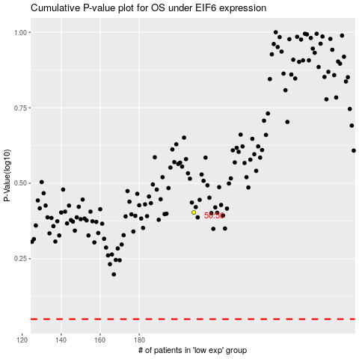

 |  |  |  |  |  | cases_OS | p_OS | rank | exp
 |  |  |  |  |  |  | cases_RFS | p_RFS | rank | exp

