ELAC1 _multivariate
Reported by Tex Li-Hsing Chi. tex@gate.sinica.edu.tw 2019-08-20

Table 2. The clinicopathological features of HNSCC cohort and ELAC1 expression. (Chi square test)
Cutoff at -0.134 (56.3%)
 |  | ELAC1 expression |  | ELAC1 expression |  | (Optimised)
 | Features | Low | (%) | High | (%) | Case no | P-value | Remark | Matthews
Gender | Female | 176 | 42.4 | 130 | 31.3 | 415 | 0.5055 | 0 | 0
2 | Male | 58 | 14 | 51 | 12.3
Age at diagnosis | <=65y | 159 | 38.3 | 115 | 27.7 | 415 | 0.4027 | 0 | 0
4 | >65y | 75 | 18.1 | 66 | 15.9
Clinical T Status | T1+T2 | 73 | 17.6 | 76 | 18.3 | 415 | 0.03 | 1 | 0
6 | T3+T4 | 161 | 38.8 | 105 | 25.3
Clinical N Status | N0 | 116 | 28 | 100 | 24.1 | 415 | 0.2943 | 0 | 0
8 | N1-3 | 118 | 28.4 | 81 | 19.5
Clinical M Status | M0 | 233 | 56.1 | 179 | 43.1 | 415 | 0.5828 | 0 | 0
10 | M1 | 1 | 0.2 | 2 | 0.5
Clinical Stage | Stage I+II | 53 | 12.8 | 49 | 11.8 | 415 | 0.3562 | 0 | 0
12 | Stage III+IV | 181 | 43.6 | 132 | 31.8
Surgical Margin status | Negative | 186 | 44.8 | 132 | 31.8 | 415 | 0.1291 | 0 | 0
14 | Positive | 48 | 11.6 | 49 | 11.8
Tobacco Exposure | Low | 83 | 20 | 78 | 18.8 | 415 | 0.1279 | 0 | 0
16 | High | 151 | 36.4 | 103 | 24.8

Table 3. Univariate/Multivariate Cox's proportional hazards regression analyses on OS time of ELAC1 gene expression in HNSCC

 |  | Univariate |  |  |  | Multivariate
 | Features | HR | CI95%(L) | CI95%(H) | P-value | HR | CI95%(L) | CI95%(H) | P-value
1 | Female | 1 |  |  |  | 1
Gender | Male | 1.157 | 0.843 | 1.587 | 0.367 | 1.229 | 0.88 | 1.717 | 0.227
11 | <=65y | 1 |  |  |  | 1
Age at diagnosis | >65y | 1.329 | 0.99 | 1.784 | 0.058 | 1.422 | 1.044 | 1.935 | 0.025
12 | T1+T2 | 1 |  |  |  | 1
Clinical T Status | T3+T4 | 1.409 | 1.028 | 1.931 | 0.033 | 2.121 | 1.122 | 4.01 | 0.021
13 | N0 | 1 |  |  |  | 1
Clinical N Status | N1-3 | 1.185 | 0.89 | 1.577 | 0.246 | 1.263 | 0.885 | 1.803 | 0.199
14 | M0 | 1 |  |  |  | 1
Clinical M Status | M1 | 4.097 | 1.009 | 16.644 | 0.049 | 9.81 | 2.137 | 45.03 | 0.003
15 | Stage I+II | 1 |  |  |  | 1
Clinical Stage | Stage III+IV | 1.245 | 0.882 | 1.759 | 0.213 | 0.507 | 0.236 | 1.088 | 0.081
16 | Negative | 1 |  |  |  | 1
Surgical Margin status | Positive | 1.591 | 1.155 | 2.191 | 0.004 | 1.777 | 1.282 | 2.464 | 0.001
17 | Low | 1 |  |  |  | 1
Tobacco Exposure | High | 1.364 | 1.008 | 1.844 | 0.044 | 1.475 | 1.068 | 2.036 | 0.018
18 | Low | 1 |  |  |  | 1
RNAseq(z-score) | High | 0.719 | 0.536 | 0.965 | 0.028 | 0.675 | 0.5 | 0.912 | 0.01

Table 4. Univariate/Multivariate Cox's proportional hazards regression analyses on RFS time of ELAC1 gene expression in HNSCC

 |  | Univariate |  |  |  | Multivariate
 | Features | HR | CI95%(L) | CI95%(H) | P-value | HR | CI95%(L) | CI95%(H) | P-value
1 | Female | 1 |  |  |  | 1
Gender | Male | 1.157 | 0.843 | 1.587 | 0.367 | 1.229 | 0.88 | 1.717 | 0.227
11 | <=65y | 1 |  |  |  | 1
Age at diagnosis | >65y | 1.329 | 0.99 | 1.784 | 0.058 | 1.422 | 1.044 | 1.935 | 0.025
12 | T1+T2 | 1 |  |  |  | 1
Clinical T Status | T3+T4 | 1.409 | 1.028 | 1.931 | 0.033 | 2.121 | 1.122 | 4.01 | 0.021
13 | N0 | 1 |  |  |  | 1
Clinical N Status | N1-3 | 1.185 | 0.89 | 1.577 | 0.246 | 1.263 | 0.885 | 1.803 | 0.199
14 | M0 | 1 |  |  |  | 1
Clinical M Status | M1 | 4.097 | 1.009 | 16.644 | 0.049 | 9.81 | 2.137 | 45.03 | 0.003
15 | Stage I+II | 1 |  |  |  | 1
Clinical Stage | Stage III+IV | 1.245 | 0.882 | 1.759 | 0.213 | 0.507 | 0.236 | 1.088 | 0.081
16 | Negative | 1 |  |  |  | 1
Surgical Margin status | Positive | 1.591 | 1.155 | 2.191 | 0.004 | 1.777 | 1.282 | 2.464 | 0.001
17 | Low | 1 |  |  |  | 1
Tobacco Exposure | High | 1.364 | 1.008 | 1.844 | 0.044 | 1.475 | 1.068 | 2.036 | 0.018
18 | Low | 1 |  |  |  | 1
RNAseq(z-score) | High | 0.719 | 0.536 | 0.965 | 0.028 | 0.675 | 0.5 | 0.912 | 0.01

Kaplan-Meier survival estimate: Cutoff at -0.134 (56.3%)



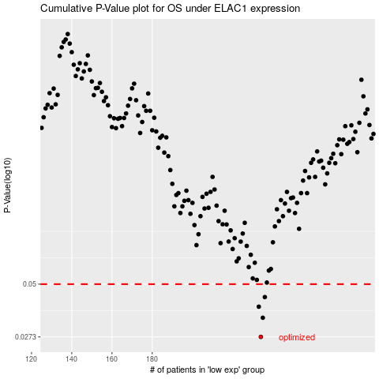

 |  |  |  |  |  | cases_OS | p_OS | rank | exp
 |  |  |  |  |  | 234 | 0.0273 | 130 | -0.13390681353
 |  |  |  |  |  | 235 | 0.034 | 399 | -0.11975573949
 |  |  |  |  |  | 233 | 0.0386 | 115 | -0.13718182442
 |  |  |  |  |  | 236 | 0.0431 | 167 | -0.11558735271
 |  |  |  |  |  |  | cases_RFS | p_RFS | rank | exp
 |  |  |  |  |  |  | 233 | 0.0273 | 115 | -0.13718182442
 |  |  |  |  |  |  | 234 | 0.034 | 130 | -0.13390681353
 |  |  |  |  |  |  | 232 | 0.0386 | 61 | -0.14037275288
 |  |  |  |  |  |  | 235 | 0.0431 | 399 | -0.11975573949

