ELAC2 _multivariate
Reported by Tex Li-Hsing Chi. tex@gate.sinica.edu.tw 2019-08-20

Table 2. The clinicopathological features of HNSCC cohort and ELAC2 expression. (Chi square test)
Cutoff at -0.107 (49.8%)
 |  | ELAC2 expression |  | ELAC2 expression |  | (Optimised)
 | Features | Low | (%) | High | (%) | Case no | P-value | Remark | Matthews
Gender | Female | 156 | 37.6 | 150 | 36.1 | 415 | 0.5222 | 0 | 0
2 | Male | 51 | 12.3 | 58 | 14
Age at diagnosis | <=65y | 139 | 33.5 | 135 | 32.5 | 415 | 0.7044 | 0 | 0
4 | >65y | 68 | 16.4 | 73 | 17.6
Clinical T Status | T1+T2 | 79 | 19 | 70 | 16.9 | 415 | 0.3924 | 0 | 0
6 | T3+T4 | 128 | 30.8 | 138 | 33.3
Clinical N Status | N0 | 99 | 23.9 | 117 | 28.2 | 415 | 0.1054 | 0 | 0
8 | N1-3 | 108 | 26 | 91 | 21.9
Clinical M Status | M0 | 206 | 49.6 | 206 | 49.6 | 415 | 1 | 0 | 0
10 | M1 | 1 | 0.2 | 2 | 0.5
Clinical Stage | Stage I+II | 51 | 12.3 | 51 | 12.3 | 415 | 1 | 0 | 0
12 | Stage III+IV | 156 | 37.6 | 157 | 37.8
Surgical Margin status | Negative | 157 | 37.8 | 161 | 38.8 | 415 | 0.729 | 0 | 0
14 | Positive | 50 | 12 | 47 | 11.3
Tobacco Exposure | Low | 69 | 16.6 | 92 | 22.2 | 415 | 0.0266 | 1 | 0
16 | High | 138 | 33.3 | 116 | 28

Table 3. Univariate/Multivariate Cox's proportional hazards regression analyses on OS time of ELAC2 gene expression in HNSCC

 |  | Univariate |  |  |  | Multivariate
 | Features | HR | CI95%(L) | CI95%(H) | P-value | HR | CI95%(L) | CI95%(H) | P-value
1 | Female | 1 |  |  |  | 1
Gender | Male | 1.157 | 0.843 | 1.587 | 0.367 | 1.202 | 0.861 | 1.678 | 0.28
11 | <=65y | 1 |  |  |  | 1
Age at diagnosis | >65y | 1.329 | 0.99 | 1.784 | 0.058 | 1.392 | 1.024 | 1.893 | 0.035
12 | T1+T2 | 1 |  |  |  | 1
Clinical T Status | T3+T4 | 1.409 | 1.028 | 1.931 | 0.033 | 2.228 | 1.177 | 4.219 | 0.014
13 | N0 | 1 |  |  |  | 1
Clinical N Status | N1-3 | 1.185 | 0.89 | 1.577 | 0.246 | 1.229 | 0.86 | 1.755 | 0.258
14 | M0 | 1 |  |  |  | 1
Clinical M Status | M1 | 4.097 | 1.009 | 16.644 | 0.049 | 9.81 | 2.128 | 45.227 | 0.003
15 | Stage I+II | 1 |  |  |  | 1
Clinical Stage | Stage III+IV | 1.245 | 0.882 | 1.759 | 0.213 | 0.502 | 0.234 | 1.079 | 0.077
16 | Negative | 1 |  |  |  | 1
Surgical Margin status | Positive | 1.591 | 1.155 | 2.191 | 0.004 | 1.669 | 1.207 | 2.306 | 0.002
17 | Low | 1 |  |  |  | 1
Tobacco Exposure | High | 1.364 | 1.008 | 1.844 | 0.044 | 1.433 | 1.037 | 1.98 | 0.029
18 | Low | 1 |  |  |  | 1
RNAseq(z-score) | High | 0.902 | 0.675 | 1.205 | 0.486 | 0.91 | 0.677 | 1.223 | 0.532

Table 4. Univariate/Multivariate Cox's proportional hazards regression analyses on RFS time of ELAC2 gene expression in HNSCC

 |  | Univariate |  |  |  | Multivariate
 | Features | HR | CI95%(L) | CI95%(H) | P-value | HR | CI95%(L) | CI95%(H) | P-value
1 | Female | 1 |  |  |  | 1
Gender | Male | 1.157 | 0.843 | 1.587 | 0.367 | 1.202 | 0.861 | 1.678 | 0.28
11 | <=65y | 1 |  |  |  | 1
Age at diagnosis | >65y | 1.329 | 0.99 | 1.784 | 0.058 | 1.392 | 1.024 | 1.893 | 0.035
12 | T1+T2 | 1 |  |  |  | 1
Clinical T Status | T3+T4 | 1.409 | 1.028 | 1.931 | 0.033 | 2.228 | 1.177 | 4.219 | 0.014
13 | N0 | 1 |  |  |  | 1
Clinical N Status | N1-3 | 1.185 | 0.89 | 1.577 | 0.246 | 1.229 | 0.86 | 1.755 | 0.258
14 | M0 | 1 |  |  |  | 1
Clinical M Status | M1 | 4.097 | 1.009 | 16.644 | 0.049 | 9.81 | 2.128 | 45.227 | 0.003
15 | Stage I+II | 1 |  |  |  | 1
Clinical Stage | Stage III+IV | 1.245 | 0.882 | 1.759 | 0.213 | 0.502 | 0.234 | 1.079 | 0.077
16 | Negative | 1 |  |  |  | 1
Surgical Margin status | Positive | 1.591 | 1.155 | 2.191 | 0.004 | 1.669 | 1.207 | 2.306 | 0.002
17 | Low | 1 |  |  |  | 1
Tobacco Exposure | High | 1.364 | 1.008 | 1.844 | 0.044 | 1.433 | 1.037 | 1.98 | 0.029
18 | Low | 1 |  |  |  | 1
RNAseq(z-score) | High | 0.902 | 0.675 | 1.205 | 0.486 | 0.91 | 0.677 | 1.223 | 0.532

Kaplan-Meier survival estimate: Cutoff at -0.107 (49.8%)



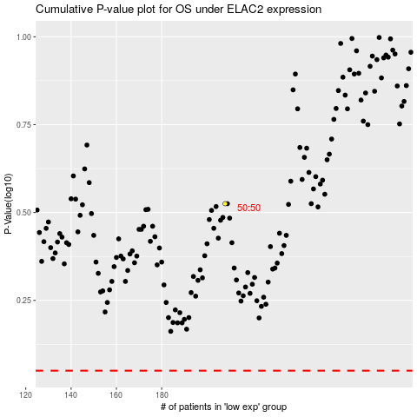

 |  |  |  |  |  | cases_OS | p_OS | rank | exp
 |  |  |  |  |  |  | cases_RFS | p_RFS | rank | exp

