ELAVL4 _multivariate
Reported by Tex Li-Hsing Chi. tex@gate.sinica.edu.tw 2019-08-20

Table 2. The clinicopathological features of HNSCC cohort and ELAVL4 expression. (Chi square test)
Cutoff at -0.345 (49.8%)
 |  | ELAVL4 expression |  | ELAVL4 expression |  | (Optimised)
 | Features | Low | (%) | High | (%) | Case no | P-value | Remark | Matthews
Gender | Female | 158 | 38.1 | 148 | 35.7 | 415 | 0.2774 | 0 | 0
2 | Male | 49 | 11.8 | 60 | 14.5
Age at diagnosis | <=65y | 140 | 33.7 | 134 | 32.3 | 415 | 0.5574 | 0 | 0
4 | >65y | 67 | 16.1 | 74 | 17.8
Clinical T Status | T1+T2 | 60 | 14.5 | 89 | 21.4 | 415 | 0.0047 | 1 | 0
6 | T3+T4 | 147 | 35.4 | 119 | 28.7
Clinical N Status | N0 | 106 | 25.5 | 110 | 26.5 | 415 | 0.8075 | 0 | 0
8 | N1-3 | 101 | 24.3 | 98 | 23.6
Clinical M Status | M0 | 206 | 49.6 | 206 | 49.6 | 415 | 1 | 0 | 0
10 | M1 | 1 | 0.2 | 2 | 0.5
Clinical Stage | Stage I+II | 40 | 9.6 | 62 | 14.9 | 415 | 0.018 | 1 | 0
12 | Stage III+IV | 167 | 40.2 | 146 | 35.2
Surgical Margin status | Negative | 158 | 38.1 | 160 | 38.6 | 415 | 0.9081 | 0 | 0
14 | Positive | 49 | 11.8 | 48 | 11.6
Tobacco Exposure | Low | 80 | 19.3 | 81 | 19.5 | 415 | 1 | 0 | 0
16 | High | 127 | 30.6 | 127 | 30.6

Table 3. Univariate/Multivariate Cox's proportional hazards regression analyses on OS time of ELAVL4 gene expression in HNSCC

 |  | Univariate |  |  |  | Multivariate
 | Features | HR | CI95%(L) | CI95%(H) | P-value | HR | CI95%(L) | CI95%(H) | P-value
1 | Female | 1 |  |  |  | 1
Gender | Male | 1.157 | 0.843 | 1.587 | 0.367 | 1.202 | 0.86 | 1.679 | 0.281
11 | <=65y | 1 |  |  |  | 1
Age at diagnosis | >65y | 1.329 | 0.99 | 1.784 | 0.058 | 1.394 | 1.025 | 1.895 | 0.034
12 | T1+T2 | 1 |  |  |  | 1
Clinical T Status | T3+T4 | 1.409 | 1.028 | 1.931 | 0.033 | 2.197 | 1.162 | 4.155 | 0.015
13 | N0 | 1 |  |  |  | 1
Clinical N Status | N1-3 | 1.185 | 0.89 | 1.577 | 0.246 | 1.242 | 0.87 | 1.772 | 0.233
14 | M0 | 1 |  |  |  | 1
Clinical M Status | M1 | 4.097 | 1.009 | 16.644 | 0.049 | 9.445 | 2.06 | 43.306 | 0.004
15 | Stage I+II | 1 |  |  |  | 1
Clinical Stage | Stage III+IV | 1.245 | 0.882 | 1.759 | 0.213 | 0.5 | 0.233 | 1.076 | 0.076
16 | Negative | 1 |  |  |  | 1
Surgical Margin status | Positive | 1.591 | 1.155 | 2.191 | 0.004 | 1.678 | 1.213 | 2.32 | 0.002
17 | Low | 1 |  |  |  | 1
Tobacco Exposure | High | 1.364 | 1.008 | 1.844 | 0.044 | 1.452 | 1.054 | 2 | 0.023
18 | Low | 1 |  |  |  | 1
RNAseq(z-score) | High | 0.951 | 0.713 | 1.267 | 0.73 | 0.954 | 0.712 | 1.279 | 0.752

Table 4. Univariate/Multivariate Cox's proportional hazards regression analyses on RFS time of ELAVL4 gene expression in HNSCC

 |  | Univariate |  |  |  | Multivariate
 | Features | HR | CI95%(L) | CI95%(H) | P-value | HR | CI95%(L) | CI95%(H) | P-value
1 | Female | 1 |  |  |  | 1
Gender | Male | 1.157 | 0.843 | 1.587 | 0.367 | 1.202 | 0.86 | 1.679 | 0.281
11 | <=65y | 1 |  |  |  | 1
Age at diagnosis | >65y | 1.329 | 0.99 | 1.784 | 0.058 | 1.394 | 1.025 | 1.895 | 0.034
12 | T1+T2 | 1 |  |  |  | 1
Clinical T Status | T3+T4 | 1.409 | 1.028 | 1.931 | 0.033 | 2.197 | 1.162 | 4.155 | 0.015
13 | N0 | 1 |  |  |  | 1
Clinical N Status | N1-3 | 1.185 | 0.89 | 1.577 | 0.246 | 1.242 | 0.87 | 1.772 | 0.233
14 | M0 | 1 |  |  |  | 1
Clinical M Status | M1 | 4.097 | 1.009 | 16.644 | 0.049 | 9.445 | 2.06 | 43.306 | 0.004
15 | Stage I+II | 1 |  |  |  | 1
Clinical Stage | Stage III+IV | 1.245 | 0.882 | 1.759 | 0.213 | 0.5 | 0.233 | 1.076 | 0.076
16 | Negative | 1 |  |  |  | 1
Surgical Margin status | Positive | 1.591 | 1.155 | 2.191 | 0.004 | 1.678 | 1.213 | 2.32 | 0.002
17 | Low | 1 |  |  |  | 1
Tobacco Exposure | High | 1.364 | 1.008 | 1.844 | 0.044 | 1.452 | 1.054 | 2 | 0.023
18 | Low | 1 |  |  |  | 1
RNAseq(z-score) | High | 0.951 | 0.713 | 1.267 | 0.73 | 0.954 | 0.712 | 1.279 | 0.752

Kaplan-Meier survival estimate: Cutoff at -0.345 (49.8%)



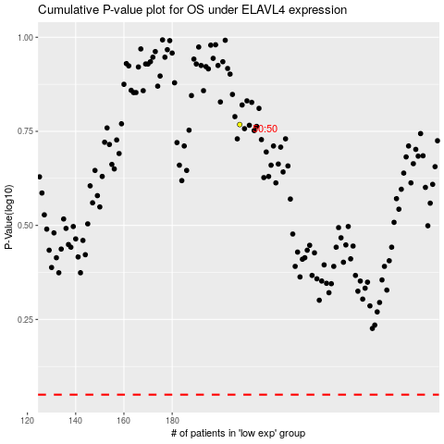

 |  |  |  |  |  | cases_OS | p_OS | rank | exp
 |  |  |  |  |  |  | cases_RFS | p_RFS | rank | exp

