ELF3 _multivariate
Reported by Tex Li-Hsing Chi. tex@gate.sinica.edu.tw 2019-08-20

Table 2. The clinicopathological features of HNSCC cohort and ELF3 expression. (Chi square test)
Cutoff at -0.529 (40.6%)
 |  | ELF3 expression |  | ELF3 expression |  | (Optimised)
 | Features | Low | (%) | High | (%) | Case no | P-value | Remark | Matthews
Gender | Female | 122 | 29.4 | 184 | 44.3 | 415 | 0.7547 | 0 | 0
2 | Male | 46 | 11.1 | 63 | 15.2
Age at diagnosis | <=65y | 108 | 26 | 166 | 40 | 415 | 0.6093 | 0 | 0
4 | >65y | 60 | 14.5 | 81 | 19.5
Clinical T Status | T1+T2 | 67 | 16.1 | 82 | 19.8 | 415 | 0.1975 | 0 | 0
6 | T3+T4 | 101 | 24.3 | 165 | 39.8
Clinical N Status | N0 | 86 | 20.7 | 130 | 31.3 | 415 | 0.8506 | 0 | 0
8 | N1-3 | 82 | 19.8 | 117 | 28.2
Clinical M Status | M0 | 166 | 40 | 246 | 59.3 | 415 | 0.5684 | 0 | 0
10 | M1 | 2 | 0.5 | 1 | 0.2
Clinical Stage | Stage I+II | 49 | 11.8 | 53 | 12.8 | 415 | 0.0941 | 0 | 0
12 | Stage III+IV | 119 | 28.7 | 194 | 46.7
Surgical Margin status | Negative | 127 | 30.6 | 191 | 46 | 415 | 0.7235 | 0 | 0
14 | Positive | 41 | 9.9 | 56 | 13.5
Tobacco Exposure | Low | 75 | 18.1 | 86 | 20.7 | 415 | 0.0512 | 0 | 0
16 | High | 93 | 22.4 | 161 | 38.8

Table 3. Univariate/Multivariate Cox's proportional hazards regression analyses on OS time of ELF3 gene expression in HNSCC

 |  | Univariate |  |  |  | Multivariate
 | Features | HR | CI95%(L) | CI95%(H) | P-value | HR | CI95%(L) | CI95%(H) | P-value
1 | Female | 1 |  |  |  | 1
Gender | Male | 1.157 | 0.843 | 1.587 | 0.367 | 1.194 | 0.853 | 1.672 | 0.302
11 | <=65y | 1 |  |  |  | 1
Age at diagnosis | >65y | 1.329 | 0.99 | 1.784 | 0.058 | 1.407 | 1.033 | 1.915 | 0.03
12 | T1+T2 | 1 |  |  |  | 1
Clinical T Status | T3+T4 | 1.409 | 1.028 | 1.931 | 0.033 | 2.141 | 1.131 | 4.054 | 0.019
13 | N0 | 1 |  |  |  | 1
Clinical N Status | N1-3 | 1.185 | 0.89 | 1.577 | 0.246 | 1.224 | 0.858 | 1.747 | 0.264
14 | M0 | 1 |  |  |  | 1
Clinical M Status | M1 | 4.097 | 1.009 | 16.644 | 0.049 | 7.991 | 1.732 | 36.875 | 0.008
15 | Stage I+II | 1 |  |  |  | 1
Clinical Stage | Stage III+IV | 1.245 | 0.882 | 1.759 | 0.213 | 0.556 | 0.257 | 1.2 | 0.135
16 | Negative | 1 |  |  |  | 1
Surgical Margin status | Positive | 1.591 | 1.155 | 2.191 | 0.004 | 1.654 | 1.198 | 2.285 | 0.002
17 | Low | 1 |  |  |  | 1
Tobacco Exposure | High | 1.364 | 1.008 | 1.844 | 0.044 | 1.526 | 1.102 | 2.112 | 0.011
18 | Low | 1 |  |  |  | 1
RNAseq(z-score) | High | 0.747 | 0.56 | 0.998 | 0.048 | 0.716 | 0.531 | 0.965 | 0.028

Table 4. Univariate/Multivariate Cox's proportional hazards regression analyses on RFS time of ELF3 gene expression in HNSCC

 |  | Univariate |  |  |  | Multivariate
 | Features | HR | CI95%(L) | CI95%(H) | P-value | HR | CI95%(L) | CI95%(H) | P-value
1 | Female | 1 |  |  |  | 1
Gender | Male | 1.157 | 0.843 | 1.587 | 0.367 | 1.194 | 0.853 | 1.672 | 0.302
11 | <=65y | 1 |  |  |  | 1
Age at diagnosis | >65y | 1.329 | 0.99 | 1.784 | 0.058 | 1.407 | 1.033 | 1.915 | 0.03
12 | T1+T2 | 1 |  |  |  | 1
Clinical T Status | T3+T4 | 1.409 | 1.028 | 1.931 | 0.033 | 2.141 | 1.131 | 4.054 | 0.019
13 | N0 | 1 |  |  |  | 1
Clinical N Status | N1-3 | 1.185 | 0.89 | 1.577 | 0.246 | 1.224 | 0.858 | 1.747 | 0.264
14 | M0 | 1 |  |  |  | 1
Clinical M Status | M1 | 4.097 | 1.009 | 16.644 | 0.049 | 7.991 | 1.732 | 36.875 | 0.008
15 | Stage I+II | 1 |  |  |  | 1
Clinical Stage | Stage III+IV | 1.245 | 0.882 | 1.759 | 0.213 | 0.556 | 0.257 | 1.2 | 0.135
16 | Negative | 1 |  |  |  | 1
Surgical Margin status | Positive | 1.591 | 1.155 | 2.191 | 0.004 | 1.654 | 1.198 | 2.285 | 0.002
17 | Low | 1 |  |  |  | 1
Tobacco Exposure | High | 1.364 | 1.008 | 1.844 | 0.044 | 1.526 | 1.102 | 2.112 | 0.011
18 | Low | 1 |  |  |  | 1
RNAseq(z-score) | High | 0.747 | 0.56 | 0.998 | 0.048 | 0.716 | 0.531 | 0.965 | 0.028

Kaplan-Meier survival estimate: Cutoff at -0.529 (40.6%)



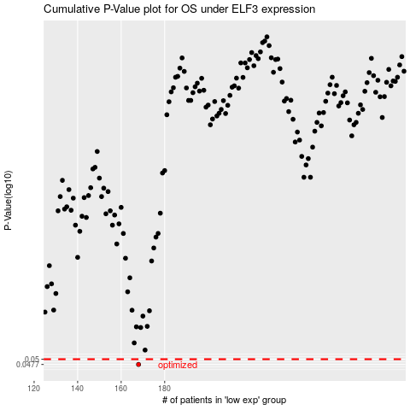

 |  |  |  |  |  | cases_OS | p_OS | rank | exp
 |  |  |  |  |  | 168 | 0.0477 | 35 | -0.52892375906
 |  |  |  |  |  |  | cases_RFS | p_RFS | rank | exp
 |  |  |  |  |  |  | 167 | 0.0477 | 241 | -0.530960275

