ELF4 _multivariate
Reported by Tex Li-Hsing Chi. tex@gate.sinica.edu.tw 2019-08-20

Table 2. The clinicopathological features of HNSCC cohort and ELF4 expression. (Chi square test)
Cutoff at -0.208 (40.6%)
 |  | ELF4 expression |  | ELF4 expression |  | (Optimised)
 | Features | Low | (%) | High | (%) | Case no | P-value | Remark | Matthews
Gender | Female | 122 | 29.4 | 184 | 44.3 | 415 | 0.6316 | 0 | 0
2 | Male | 47 | 11.3 | 62 | 14.9
Age at diagnosis | <=65y | 113 | 27.2 | 161 | 38.8 | 415 | 0.8462 | 0 | 0
4 | >65y | 56 | 13.5 | 85 | 20.5
Clinical T Status | T1+T2 | 56 | 13.5 | 93 | 22.4 | 415 | 0.3843 | 0 | 0
6 | T3+T4 | 113 | 27.2 | 153 | 36.9
Clinical N Status | N0 | 90 | 21.7 | 126 | 30.4 | 415 | 0.7583 | 0 | 0
8 | N1-3 | 79 | 19 | 120 | 28.9
Clinical M Status | M0 | 169 | 40.7 | 243 | 58.6 | 415 | 0.2741 | 0 | 0
10 | M1 | 0 | 0 | 3 | 0.7
Clinical Stage | Stage I+II | 37 | 8.9 | 65 | 15.7 | 415 | 0.3488 | 0 | 0
12 | Stage III+IV | 132 | 31.8 | 181 | 43.6
Surgical Margin status | Negative | 124 | 29.9 | 194 | 46.7 | 415 | 0.1968 | 0 | 0
14 | Positive | 45 | 10.8 | 52 | 12.5
Tobacco Exposure | Low | 71 | 17.1 | 90 | 21.7 | 415 | 0.3053 | 0 | 0
16 | High | 98 | 23.6 | 156 | 37.6

Table 3. Univariate/Multivariate Cox's proportional hazards regression analyses on OS time of ELF4 gene expression in HNSCC

 |  | Univariate |  |  |  | Multivariate
 | Features | HR | CI95%(L) | CI95%(H) | P-value | HR | CI95%(L) | CI95%(H) | P-value
1 | Female | 1 |  |  |  | 1
Gender | Male | 1.157 | 0.843 | 1.587 | 0.367 | 1.243 | 0.89 | 1.734 | 0.201
11 | <=65y | 1 |  |  |  | 1
Age at diagnosis | >65y | 1.329 | 0.99 | 1.784 | 0.058 | 1.381 | 1.015 | 1.878 | 0.04
12 | T1+T2 | 1 |  |  |  | 1
Clinical T Status | T3+T4 | 1.409 | 1.028 | 1.931 | 0.033 | 2.197 | 1.162 | 4.155 | 0.015
13 | N0 | 1 |  |  |  | 1
Clinical N Status | N1-3 | 1.185 | 0.89 | 1.577 | 0.246 | 1.216 | 0.852 | 1.736 | 0.281
14 | M0 | 1 |  |  |  | 1
Clinical M Status | M1 | 4.097 | 1.009 | 16.644 | 0.049 | 8.215 | 1.788 | 37.739 | 0.007
15 | Stage I+II | 1 |  |  |  | 1
Clinical Stage | Stage III+IV | 1.245 | 0.882 | 1.759 | 0.213 | 0.512 | 0.238 | 1.099 | 0.086
16 | Negative | 1 |  |  |  | 1
Surgical Margin status | Positive | 1.591 | 1.155 | 2.191 | 0.004 | 1.751 | 1.265 | 2.423 | 0.001
17 | Low | 1 |  |  |  | 1
Tobacco Exposure | High | 1.364 | 1.008 | 1.844 | 0.044 | 1.47 | 1.067 | 2.027 | 0.019
18 | Low | 1 |  |  |  | 1
RNAseq(z-score) | High | 1.474 | 1.088 | 1.997 | 0.012 | 1.534 | 1.127 | 2.088 | 0.007

Table 4. Univariate/Multivariate Cox's proportional hazards regression analyses on RFS time of ELF4 gene expression in HNSCC

 |  | Univariate |  |  |  | Multivariate
 | Features | HR | CI95%(L) | CI95%(H) | P-value | HR | CI95%(L) | CI95%(H) | P-value
1 | Female | 1 |  |  |  | 1
Gender | Male | 1.157 | 0.843 | 1.587 | 0.367 | 1.243 | 0.89 | 1.734 | 0.201
11 | <=65y | 1 |  |  |  | 1
Age at diagnosis | >65y | 1.329 | 0.99 | 1.784 | 0.058 | 1.381 | 1.015 | 1.878 | 0.04
12 | T1+T2 | 1 |  |  |  | 1
Clinical T Status | T3+T4 | 1.409 | 1.028 | 1.931 | 0.033 | 2.197 | 1.162 | 4.155 | 0.015
13 | N0 | 1 |  |  |  | 1
Clinical N Status | N1-3 | 1.185 | 0.89 | 1.577 | 0.246 | 1.216 | 0.852 | 1.736 | 0.281
14 | M0 | 1 |  |  |  | 1
Clinical M Status | M1 | 4.097 | 1.009 | 16.644 | 0.049 | 8.215 | 1.788 | 37.739 | 0.007
15 | Stage I+II | 1 |  |  |  | 1
Clinical Stage | Stage III+IV | 1.245 | 0.882 | 1.759 | 0.213 | 0.512 | 0.238 | 1.099 | 0.086
16 | Negative | 1 |  |  |  | 1
Surgical Margin status | Positive | 1.591 | 1.155 | 2.191 | 0.004 | 1.751 | 1.265 | 2.423 | 0.001
17 | Low | 1 |  |  |  | 1
Tobacco Exposure | High | 1.364 | 1.008 | 1.844 | 0.044 | 1.47 | 1.067 | 2.027 | 0.019
18 | Low | 1 |  |  |  | 1
RNAseq(z-score) | High | 1.474 | 1.088 | 1.997 | 0.012 | 1.534 | 1.127 | 2.088 | 0.007

Kaplan-Meier survival estimate: Cutoff at -0.208 (40.6%)

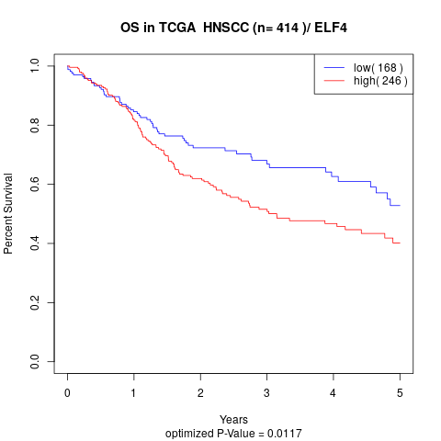

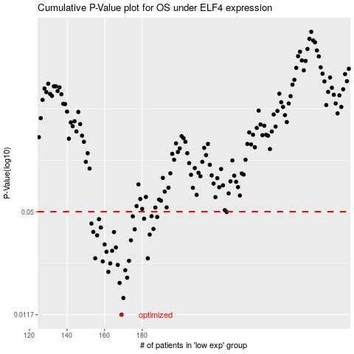

 |  |  |  |  |  | cases_OS | p_OS | rank | exp
 |  |  |  |  |  | 169 | 0.0117 | 249 | -0.20845543542
 |  |  |  |  |  | 170 | 0.0148 | 370 | -0.20654202579
 |  |  |  |  |  | 168 | 0.0183 | 232 | -0.22076211833
 |  |  |  |  |  | 172 | 0.0197 | 202 | -0.1982902033
 |  |  |  |  |  | 162 | 0.0214 | 256 | -0.26004763838
 |  |  |  |  |  | 171 | 0.0219 | 352 | -0.20559141463
 |  |  |  |  |  | 167 | 0.0236 | 189 | -0.22590994285
 |  |  |  |  |  | 163 | 0.0241 | 273 | -0.25349299479
 |  |  |  |  |  | 159 | 0.0248 | 375 | -0.26576650807
 |  |  |  |  |  | 173 | 0.025 | 123 | -0.19675259038
 |  |  |  |  |  | 183 | 0.0259 | 283 | -0.14318503603
 |  |  |  |  |  | 155 | 0.0259 | 296 | -0.3048364256
 |  |  |  |  |  | 161 | 0.0284 | 51 | -0.2622504027
 |  |  |  |  |  | 164 | 0.0288 | 258 | -0.23703508368
 |  |  |  |  |  | 166 | 0.0302 | 71 | -0.22872621949
 |  |  |  |  |  | 160 | 0.0315 | 147 | -0.26359741594
 |  |  |  |  |  | 174 | 0.0334 | 115 | -0.19554579416
 |  |  |  |  |  | 156 | 0.0358 | 410 | -0.29993661937
 |  |  |  |  |  | 184 | 0.0362 | 117 | -0.14113191193
 |  |  |  |  |  | 165 | 0.0375 | 6 | -0.23113667086
 |  |  |  |  |  | 154 | 0.0376 | 272 | -0.30531663123
 |  |  |  |  |  | 176 | 0.039 | 239 | -0.18847513682
 |  |  |  |  |  | 186 | 0.0392 | 199 | -0.13186628011
 |  |  |  |  |  | 158 | 0.04 | 26 | -0.28362030736
 |  |  |  |  |  | 153 | 0.0423 | 353 | -0.30951057789
 |  |  |  |  |  | 157 | 0.045 | 408 | -0.28917471101
 |  |  |  |  |  | 181 | 0.0453 | 261 | -0.16058840695
 |  |  |  |  |  | 188 | 0.0464 | 361 | -0.11561831761
 |  |  |  |  |  | 175 | 0.0468 | 164 | -0.19021201874
 |  |  |  |  |  | 185 | 0.0469 | 392 | -0.13330727394
 |  |  |  |  |  | 225 | 0.0498 | 52 | 0.052663226693
 |  |  |  |  |  |  | cases_RFS | p_RFS | rank | exp
 |  |  |  |  |  |  | 168 | 0.0117 | 232 | -0.22076211833
 |  |  |  |  |  |  | 169 | 0.0148 | 249 | -0.20845543542
 |  |  |  |  |  |  | 167 | 0.0183 | 189 | -0.22590994285
 |  |  |  |  |  |  | 171 | 0.0197 | 352 | -0.20559141463
 |  |  |  |  |  |  | 161 | 0.0214 | 51 | -0.2622504027
 |  |  |  |  |  |  | 170 | 0.0219 | 370 | -0.20654202579
 |  |  |  |  |  |  | 166 | 0.0236 | 71 | -0.22872621949
 |  |  |  |  |  |  | 162 | 0.0241 | 256 | -0.26004763838
 |  |  |  |  |  |  | 158 | 0.0248 | 26 | -0.28362030736
 |  |  |  |  |  |  | 172 | 0.025 | 202 | -0.1982902033
 |  |  |  |  |  |  | 182 | 0.0259 | 245 | -0.15104171286
 |  |  |  |  |  |  | 154 | 0.0259 | 272 | -0.30531663123
 |  |  |  |  |  |  | 160 | 0.0284 | 147 | -0.26359741594
 |  |  |  |  |  |  | 163 | 0.0288 | 273 | -0.25349299479
 |  |  |  |  |  |  | 165 | 0.0302 | 6 | -0.23113667086
 |  |  |  |  |  |  | 159 | 0.0315 | 375 | -0.26576650807
 |  |  |  |  |  |  | 173 | 0.0334 | 123 | -0.19675259038
 |  |  |  |  |  |  | 155 | 0.0358 | 296 | -0.3048364256
 |  |  |  |  |  |  | 183 | 0.0362 | 283 | -0.14318503603
 |  |  |  |  |  |  | 164 | 0.0375 | 258 | -0.23703508368
 |  |  |  |  |  |  | 153 | 0.0376 | 353 | -0.30951057789
 |  |  |  |  |  |  | 175 | 0.039 | 164 | -0.19021201874
 |  |  |  |  |  |  | 185 | 0.0392 | 392 | -0.13330727394
 |  |  |  |  |  |  | 157 | 0.04 | 408 | -0.28917471101
 |  |  |  |  |  |  | 152 | 0.0423 | 271 | -0.30968961845
 |  |  |  |  |  |  | 156 | 0.045 | 410 | -0.29993661937
 |  |  |  |  |  |  | 180 | 0.0453 | 336 | -0.162610623
 |  |  |  |  |  |  | 187 | 0.0464 | 376 | -0.11700038512
 |  |  |  |  |  |  | 174 | 0.0468 | 115 | -0.19554579416
 |  |  |  |  |  |  | 184 | 0.0469 | 117 | -0.14113191193
 |  |  |  |  |  |  | 224 | 0.0498 | 25 | 0.051475779422

