ELK1 _multivariate
Reported by Tex Li-Hsing Chi. tex@gate.sinica.edu.tw 2019-08-20

Table 2. The clinicopathological features of HNSCC cohort and ELK1 expression. (Chi square test)
Cutoff at -0.069 (49.8%)
 |  | ELK1 expression |  | ELK1 expression |  | (Optimised)
 | Features | Low | (%) | High | (%) | Case no | P-value | Remark | Matthews
Gender | Female | 146 | 35.2 | 160 | 38.6 | 415 | 0.1714 | 0 | 0
2 | Male | 61 | 14.7 | 48 | 11.6
Age at diagnosis | <=65y | 128 | 30.8 | 146 | 35.2 | 415 | 0.0904 | 0 | 0
4 | >65y | 79 | 19 | 62 | 14.9
Clinical T Status | T1+T2 | 62 | 14.9 | 87 | 21 | 415 | 0.0156 | 1 | 0
6 | T3+T4 | 145 | 34.9 | 121 | 29.2
Clinical N Status | N0 | 111 | 26.7 | 105 | 25.3 | 415 | 0.5875 | 0 | 0
8 | N1-3 | 96 | 23.1 | 103 | 24.8
Clinical M Status | M0 | 204 | 49.2 | 208 | 50.1 | 415 | 0.1232 | 0 | 0
10 | M1 | 3 | 0.7 | 0 | 0
Clinical Stage | Stage I+II | 45 | 10.8 | 57 | 13.7 | 415 | 0.2202 | 0 | 0
12 | Stage III+IV | 162 | 39 | 151 | 36.4
Surgical Margin status | Negative | 164 | 39.5 | 154 | 37.1 | 415 | 0.2462 | 0 | 0
14 | Positive | 43 | 10.4 | 54 | 13
Tobacco Exposure | Low | 86 | 20.7 | 75 | 18.1 | 415 | 0.2687 | 0 | 0
16 | High | 121 | 29.2 | 133 | 32

Table 3. Univariate/Multivariate Cox's proportional hazards regression analyses on OS time of ELK1 gene expression in HNSCC

 |  | Univariate |  |  |  | Multivariate
 | Features | HR | CI95%(L) | CI95%(H) | P-value | HR | CI95%(L) | CI95%(H) | P-value
1 | Female | 1 |  |  |  | 1
Gender | Male | 1.157 | 0.843 | 1.587 | 0.367 | 1.226 | 0.875 | 1.718 | 0.236
11 | <=65y | 1 |  |  |  | 1
Age at diagnosis | >65y | 1.329 | 0.99 | 1.784 | 0.058 | 1.412 | 1.036 | 1.923 | 0.029
12 | T1+T2 | 1 |  |  |  | 1
Clinical T Status | T3+T4 | 1.409 | 1.028 | 1.931 | 0.033 | 2.227 | 1.177 | 4.214 | 0.014
13 | N0 | 1 |  |  |  | 1
Clinical N Status | N1-3 | 1.185 | 0.89 | 1.577 | 0.246 | 1.222 | 0.854 | 1.747 | 0.273
14 | M0 | 1 |  |  |  | 1
Clinical M Status | M1 | 4.097 | 1.009 | 16.644 | 0.049 | 10.25 | 2.204 | 47.661 | 0.003
15 | Stage I+II | 1 |  |  |  | 1
Clinical Stage | Stage III+IV | 1.245 | 0.882 | 1.759 | 0.213 | 0.507 | 0.236 | 1.089 | 0.082
16 | Negative | 1 |  |  |  | 1
Surgical Margin status | Positive | 1.591 | 1.155 | 2.191 | 0.004 | 1.685 | 1.219 | 2.331 | 0.002
17 | Low | 1 |  |  |  | 1
Tobacco Exposure | High | 1.364 | 1.008 | 1.844 | 0.044 | 1.449 | 1.052 | 1.997 | 0.023
18 | Low | 1 |  |  |  | 1
RNAseq(z-score) | High | 1.019 | 0.765 | 1.356 | 0.899 | 1.133 | 0.842 | 1.525 | 0.41

Table 4. Univariate/Multivariate Cox's proportional hazards regression analyses on RFS time of ELK1 gene expression in HNSCC

 |  | Univariate |  |  |  | Multivariate
 | Features | HR | CI95%(L) | CI95%(H) | P-value | HR | CI95%(L) | CI95%(H) | P-value
1 | Female | 1 |  |  |  | 1
Gender | Male | 1.157 | 0.843 | 1.587 | 0.367 | 1.226 | 0.875 | 1.718 | 0.236
11 | <=65y | 1 |  |  |  | 1
Age at diagnosis | >65y | 1.329 | 0.99 | 1.784 | 0.058 | 1.412 | 1.036 | 1.923 | 0.029
12 | T1+T2 | 1 |  |  |  | 1
Clinical T Status | T3+T4 | 1.409 | 1.028 | 1.931 | 0.033 | 2.227 | 1.177 | 4.214 | 0.014
13 | N0 | 1 |  |  |  | 1
Clinical N Status | N1-3 | 1.185 | 0.89 | 1.577 | 0.246 | 1.222 | 0.854 | 1.747 | 0.273
14 | M0 | 1 |  |  |  | 1
Clinical M Status | M1 | 4.097 | 1.009 | 16.644 | 0.049 | 10.25 | 2.204 | 47.661 | 0.003
15 | Stage I+II | 1 |  |  |  | 1
Clinical Stage | Stage III+IV | 1.245 | 0.882 | 1.759 | 0.213 | 0.507 | 0.236 | 1.089 | 0.082
16 | Negative | 1 |  |  |  | 1
Surgical Margin status | Positive | 1.591 | 1.155 | 2.191 | 0.004 | 1.685 | 1.219 | 2.331 | 0.002
17 | Low | 1 |  |  |  | 1
Tobacco Exposure | High | 1.364 | 1.008 | 1.844 | 0.044 | 1.449 | 1.052 | 1.997 | 0.023
18 | Low | 1 |  |  |  | 1
RNAseq(z-score) | High | 1.019 | 0.765 | 1.356 | 0.899 | 1.133 | 0.842 | 1.525 | 0.41

Kaplan-Meier survival estimate: Cutoff at -0.069 (49.8%)



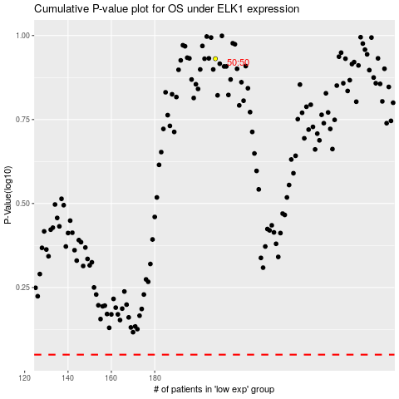

 |  |  |  |  |  | cases_OS | p_OS | rank | exp
 |  |  |  |  |  |  | cases_RFS | p_RFS | rank | exp

