ELK3 _multivariate
Reported by Tex Li-Hsing Chi. tex@gate.sinica.edu.tw 2019-08-20

Table 2. The clinicopathological features of HNSCC cohort and ELK3 expression. (Chi square test)
Cutoff at -0.056 (50.0%)
 |  | ELK3 expression |  | ELK3 expression |  | (Optimised)
 | Features | Low | (%) | High | (%) | Case no | P-value | Remark | Matthews
Gender | Female | 157 | 37.8 | 149 | 35.9 | 415 | 0.3881 | 0 | 0
2 | Male | 50 | 12 | 59 | 14.2
Age at diagnosis | <=65y | 145 | 34.9 | 129 | 31.1 | 415 | 0.1046 | 0 | 0
4 | >65y | 62 | 14.9 | 79 | 19
Clinical T Status | T1+T2 | 77 | 18.6 | 72 | 17.3 | 415 | 0.6556 | 0 | 0
6 | T3+T4 | 130 | 31.3 | 136 | 32.8
Clinical N Status | N0 | 109 | 26.3 | 107 | 25.8 | 415 | 0.8812 | 0 | 0
8 | N1-3 | 98 | 23.6 | 101 | 24.3
Clinical M Status | M0 | 205 | 49.4 | 207 | 49.9 | 415 | 0.6232 | 0 | 0
10 | M1 | 2 | 0.5 | 1 | 0.2
Clinical Stage | Stage I+II | 48 | 11.6 | 54 | 13 | 415 | 0.5878 | 0 | 0
12 | Stage III+IV | 159 | 38.3 | 154 | 37.1
Surgical Margin status | Negative | 159 | 38.3 | 159 | 38.3 | 415 | 1 | 0 | 0
14 | Positive | 48 | 11.6 | 49 | 11.8
Tobacco Exposure | Low | 72 | 17.3 | 89 | 21.4 | 415 | 0.1071 | 0 | 0
16 | High | 135 | 32.5 | 119 | 28.7

Table 3. Univariate/Multivariate Cox's proportional hazards regression analyses on OS time of ELK3 gene expression in HNSCC

 |  | Univariate |  |  |  | Multivariate
 | Features | HR | CI95%(L) | CI95%(H) | P-value | HR | CI95%(L) | CI95%(H) | P-value
1 | Female | 1 |  |  |  | 1
Gender | Male | 1.157 | 0.843 | 1.587 | 0.367 | 1.2 | 0.859 | 1.675 | 0.286
11 | <=65y | 1 |  |  |  | 1
Age at diagnosis | >65y | 1.329 | 0.99 | 1.784 | 0.058 | 1.383 | 1.017 | 1.881 | 0.039
12 | T1+T2 | 1 |  |  |  | 1
Clinical T Status | T3+T4 | 1.409 | 1.028 | 1.931 | 0.033 | 2.169 | 1.146 | 4.106 | 0.017
13 | N0 | 1 |  |  |  | 1
Clinical N Status | N1-3 | 1.185 | 0.89 | 1.577 | 0.246 | 1.241 | 0.87 | 1.771 | 0.234
14 | M0 | 1 |  |  |  | 1
Clinical M Status | M1 | 4.097 | 1.009 | 16.644 | 0.049 | 9.613 | 2.096 | 44.102 | 0.004
15 | Stage I+II | 1 |  |  |  | 1
Clinical Stage | Stage III+IV | 1.245 | 0.882 | 1.759 | 0.213 | 0.518 | 0.24 | 1.114 | 0.092
16 | Negative | 1 |  |  |  | 1
Surgical Margin status | Positive | 1.591 | 1.155 | 2.191 | 0.004 | 1.683 | 1.218 | 2.327 | 0.002
17 | Low | 1 |  |  |  | 1
Tobacco Exposure | High | 1.364 | 1.008 | 1.844 | 0.044 | 1.471 | 1.066 | 2.029 | 0.019
18 | Low | 1 |  |  |  | 1
RNAseq(z-score) | High | 1.084 | 0.814 | 1.444 | 0.583 | 1.131 | 0.845 | 1.516 | 0.408

Table 4. Univariate/Multivariate Cox's proportional hazards regression analyses on RFS time of ELK3 gene expression in HNSCC

 |  | Univariate |  |  |  | Multivariate
 | Features | HR | CI95%(L) | CI95%(H) | P-value | HR | CI95%(L) | CI95%(H) | P-value
1 | Female | 1 |  |  |  | 1
Gender | Male | 1.157 | 0.843 | 1.587 | 0.367 | 1.2 | 0.859 | 1.675 | 0.286
11 | <=65y | 1 |  |  |  | 1
Age at diagnosis | >65y | 1.329 | 0.99 | 1.784 | 0.058 | 1.383 | 1.017 | 1.881 | 0.039
12 | T1+T2 | 1 |  |  |  | 1
Clinical T Status | T3+T4 | 1.409 | 1.028 | 1.931 | 0.033 | 2.169 | 1.146 | 4.106 | 0.017
13 | N0 | 1 |  |  |  | 1
Clinical N Status | N1-3 | 1.185 | 0.89 | 1.577 | 0.246 | 1.241 | 0.87 | 1.771 | 0.234
14 | M0 | 1 |  |  |  | 1
Clinical M Status | M1 | 4.097 | 1.009 | 16.644 | 0.049 | 9.613 | 2.096 | 44.102 | 0.004
15 | Stage I+II | 1 |  |  |  | 1
Clinical Stage | Stage III+IV | 1.245 | 0.882 | 1.759 | 0.213 | 0.518 | 0.24 | 1.114 | 0.092
16 | Negative | 1 |  |  |  | 1
Surgical Margin status | Positive | 1.591 | 1.155 | 2.191 | 0.004 | 1.683 | 1.218 | 2.327 | 0.002
17 | Low | 1 |  |  |  | 1
Tobacco Exposure | High | 1.364 | 1.008 | 1.844 | 0.044 | 1.471 | 1.066 | 2.029 | 0.019
18 | Low | 1 |  |  |  | 1
RNAseq(z-score) | High | 1.084 | 0.814 | 1.444 | 0.583 | 1.131 | 0.845 | 1.516 | 0.408

Kaplan-Meier survival estimate: Cutoff at -0.056 (50.0%)



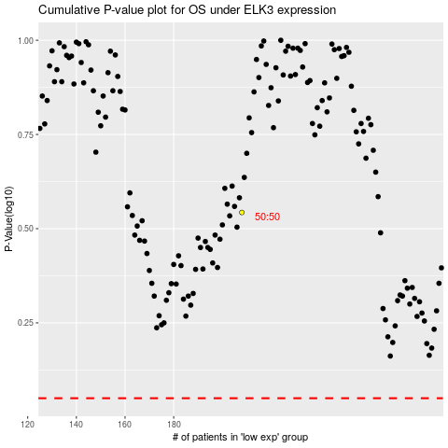

 |  |  |  |  |  | cases_OS | p_OS | rank | exp
 |  |  |  |  |  |  | cases_RFS | p_RFS | rank | exp

