ELK4 _multivariate
Reported by Tex Li-Hsing Chi. tex@gate.sinica.edu.tw 2019-08-20

Table 2. The clinicopathological features of HNSCC cohort and ELK4 expression. (Chi square test)
Cutoff at -0.133 (49.8%)
 |  | ELK4 expression |  | ELK4 expression |  | (Optimised)
 | Features | Low | (%) | High | (%) | Case no | P-value | Remark | Matthews
Gender | Female | 155 | 37.3 | 151 | 36.4 | 415 | 0.6768 | 0 | 0
2 | Male | 52 | 12.5 | 57 | 13.7
Age at diagnosis | <=65y | 140 | 33.7 | 134 | 32.3 | 415 | 0.5574 | 0 | 0
4 | >65y | 67 | 16.1 | 74 | 17.8
Clinical T Status | T1+T2 | 78 | 18.8 | 71 | 17.1 | 415 | 0.5152 | 0 | 0
6 | T3+T4 | 129 | 31.1 | 137 | 33
Clinical N Status | N0 | 113 | 27.2 | 103 | 24.8 | 415 | 0.3495 | 1 | 0
8 | N1-3 | 94 | 22.7 | 105 | 25.3
Clinical M Status | M0 | 204 | 49.2 | 208 | 50.1 | 415 | 0.1232 | 0 | 0
10 | M1 | 3 | 0.7 | 0 | 0
Clinical Stage | Stage I+II | 55 | 13.3 | 47 | 11.3 | 415 | 0.4087 | 0 | 0
12 | Stage III+IV | 152 | 36.6 | 161 | 38.8
Surgical Margin status | Negative | 151 | 36.4 | 167 | 40.2 | 415 | 0.0828 | 0 | 0
14 | Positive | 56 | 13.5 | 41 | 9.9
Tobacco Exposure | Low | 92 | 22.2 | 69 | 16.6 | 415 | 0.0206 | 1 | 0
16 | High | 115 | 27.7 | 139 | 33.5

Table 3. Univariate/Multivariate Cox's proportional hazards regression analyses on OS time of ELK4 gene expression in HNSCC

 |  | Univariate |  |  |  | Multivariate
 | Features | HR | CI95%(L) | CI95%(H) | P-value | HR | CI95%(L) | CI95%(H) | P-value
1 | Female | 1 |  |  |  | 1
Gender | Male | 1.157 | 0.843 | 1.587 | 0.367 | 1.202 | 0.86 | 1.679 | 0.282
11 | <=65y | 1 |  |  |  | 1
Age at diagnosis | >65y | 1.329 | 0.99 | 1.784 | 0.058 | 1.393 | 1.025 | 1.893 | 0.034
12 | T1+T2 | 1 |  |  |  | 1
Clinical T Status | T3+T4 | 1.409 | 1.028 | 1.931 | 0.033 | 2.195 | 1.16 | 4.151 | 0.016
13 | N0 | 1 |  |  |  | 1
Clinical N Status | N1-3 | 1.185 | 0.89 | 1.577 | 0.246 | 1.243 | 0.871 | 1.774 | 0.23
14 | M0 | 1 |  |  |  | 1
Clinical M Status | M1 | 4.097 | 1.009 | 16.644 | 0.049 | 9.107 | 1.968 | 42.144 | 0.005
15 | Stage I+II | 1 |  |  |  | 1
Clinical Stage | Stage III+IV | 1.245 | 0.882 | 1.759 | 0.213 | 0.507 | 0.236 | 1.089 | 0.082
16 | Negative | 1 |  |  |  | 1
Surgical Margin status | Positive | 1.591 | 1.155 | 2.191 | 0.004 | 1.662 | 1.201 | 2.299 | 0.002
17 | Low | 1 |  |  |  | 1
Tobacco Exposure | High | 1.364 | 1.008 | 1.844 | 0.044 | 1.459 | 1.058 | 2.013 | 0.021
18 | Low | 1 |  |  |  | 1
RNAseq(z-score) | High | 0.922 | 0.692 | 1.228 | 0.577 | 0.947 | 0.707 | 1.268 | 0.714

Table 4. Univariate/Multivariate Cox's proportional hazards regression analyses on RFS time of ELK4 gene expression in HNSCC

 |  | Univariate |  |  |  | Multivariate
 | Features | HR | CI95%(L) | CI95%(H) | P-value | HR | CI95%(L) | CI95%(H) | P-value
1 | Female | 1 |  |  |  | 1
Gender | Male | 1.157 | 0.843 | 1.587 | 0.367 | 1.202 | 0.86 | 1.679 | 0.282
11 | <=65y | 1 |  |  |  | 1
Age at diagnosis | >65y | 1.329 | 0.99 | 1.784 | 0.058 | 1.393 | 1.025 | 1.893 | 0.034
12 | T1+T2 | 1 |  |  |  | 1
Clinical T Status | T3+T4 | 1.409 | 1.028 | 1.931 | 0.033 | 2.195 | 1.16 | 4.151 | 0.016
13 | N0 | 1 |  |  |  | 1
Clinical N Status | N1-3 | 1.185 | 0.89 | 1.577 | 0.246 | 1.243 | 0.871 | 1.774 | 0.23
14 | M0 | 1 |  |  |  | 1
Clinical M Status | M1 | 4.097 | 1.009 | 16.644 | 0.049 | 9.107 | 1.968 | 42.144 | 0.005
15 | Stage I+II | 1 |  |  |  | 1
Clinical Stage | Stage III+IV | 1.245 | 0.882 | 1.759 | 0.213 | 0.507 | 0.236 | 1.089 | 0.082
16 | Negative | 1 |  |  |  | 1
Surgical Margin status | Positive | 1.591 | 1.155 | 2.191 | 0.004 | 1.662 | 1.201 | 2.299 | 0.002
17 | Low | 1 |  |  |  | 1
Tobacco Exposure | High | 1.364 | 1.008 | 1.844 | 0.044 | 1.459 | 1.058 | 2.013 | 0.021
18 | Low | 1 |  |  |  | 1
RNAseq(z-score) | High | 0.922 | 0.692 | 1.228 | 0.577 | 0.947 | 0.707 | 1.268 | 0.714

Kaplan-Meier survival estimate: Cutoff at -0.133 (49.8%)



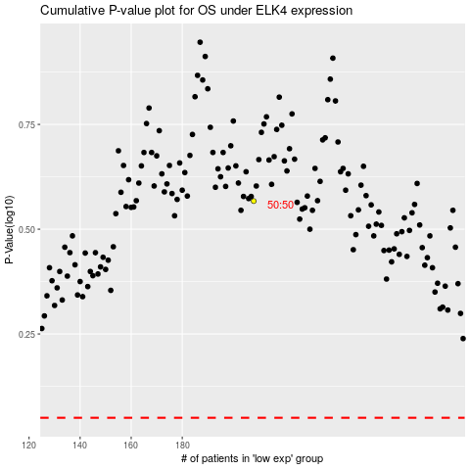

 |  |  |  |  |  | cases_OS | p_OS | rank | exp
 |  |  |  |  |  |  | cases_RFS | p_RFS | rank | exp

