ELL2 _multivariate
Reported by Tex Li-Hsing Chi. tex@gate.sinica.edu.tw 2019-08-20

Table 2. The clinicopathological features of HNSCC cohort and ELL2 expression. (Chi square test)
Cutoff at -0.217 (50.0%)
 |  | ELL2 expression |  | ELL2 expression |  | (Optimised)
 | Features | Low | (%) | High | (%) | Case no | P-value | Remark | Matthews
Gender | Female | 162 | 39 | 144 | 34.7 | 415 | 0.0479 | 1 | 0
2 | Male | 45 | 10.8 | 64 | 15.4
Age at diagnosis | <=65y | 138 | 33.3 | 136 | 32.8 | 415 | 0.8634 | 0 | 0
4 | >65y | 69 | 16.6 | 72 | 17.3
Clinical T Status | T1+T2 | 70 | 16.9 | 79 | 19 | 415 | 0.4343 | 0 | 0
6 | T3+T4 | 137 | 33 | 129 | 31.1
Clinical N Status | N0 | 100 | 24.1 | 116 | 28 | 415 | 0.1548 | 0 | 0
8 | N1-3 | 107 | 25.8 | 92 | 22.2
Clinical M Status | M0 | 207 | 49.9 | 205 | 49.4 | 415 | 0.2482 | 0 | 0
10 | M1 | 0 | 0 | 3 | 0.7
Clinical Stage | Stage I+II | 44 | 10.6 | 58 | 14 | 415 | 0.1459 | 0 | 0
12 | Stage III+IV | 163 | 39.3 | 150 | 36.1
Surgical Margin status | Negative | 159 | 38.3 | 159 | 38.3 | 415 | 1 | 0 | 0
14 | Positive | 48 | 11.6 | 49 | 11.8
Tobacco Exposure | Low | 71 | 17.1 | 90 | 21.7 | 415 | 0.0698 | 0 | 0
16 | High | 136 | 32.8 | 118 | 28.4

Table 3. Univariate/Multivariate Cox's proportional hazards regression analyses on OS time of ELL2 gene expression in HNSCC

 |  | Univariate |  |  |  | Multivariate
 | Features | HR | CI95%(L) | CI95%(H) | P-value | HR | CI95%(L) | CI95%(H) | P-value
1 | Female | 1 |  |  |  | 1
Gender | Male | 1.157 | 0.843 | 1.587 | 0.367 | 1.188 | 0.85 | 1.66 | 0.314
11 | <=65y | 1 |  |  |  | 1
Age at diagnosis | >65y | 1.329 | 0.99 | 1.784 | 0.058 | 1.402 | 1.031 | 1.906 | 0.031
12 | T1+T2 | 1 |  |  |  | 1
Clinical T Status | T3+T4 | 1.409 | 1.028 | 1.931 | 0.033 | 2.206 | 1.167 | 4.169 | 0.015
13 | N0 | 1 |  |  |  | 1
Clinical N Status | N1-3 | 1.185 | 0.89 | 1.577 | 0.246 | 1.264 | 0.885 | 1.806 | 0.198
14 | M0 | 1 |  |  |  | 1
Clinical M Status | M1 | 4.097 | 1.009 | 16.644 | 0.049 | 8.55 | 1.849 | 39.535 | 0.006
15 | Stage I+II | 1 |  |  |  | 1
Clinical Stage | Stage III+IV | 1.245 | 0.882 | 1.759 | 0.213 | 0.515 | 0.24 | 1.108 | 0.089
16 | Negative | 1 |  |  |  | 1
Surgical Margin status | Positive | 1.591 | 1.155 | 2.191 | 0.004 | 1.648 | 1.192 | 2.279 | 0.003
17 | Low | 1 |  |  |  | 1
Tobacco Exposure | High | 1.364 | 1.008 | 1.844 | 0.044 | 1.478 | 1.071 | 2.04 | 0.017
18 | Low | 1 |  |  |  | 1
RNAseq(z-score) | High | 1.137 | 0.852 | 1.515 | 0.383 | 1.181 | 0.876 | 1.592 | 0.276

Table 4. Univariate/Multivariate Cox's proportional hazards regression analyses on RFS time of ELL2 gene expression in HNSCC

 |  | Univariate |  |  |  | Multivariate
 | Features | HR | CI95%(L) | CI95%(H) | P-value | HR | CI95%(L) | CI95%(H) | P-value
1 | Female | 1 |  |  |  | 1
Gender | Male | 1.157 | 0.843 | 1.587 | 0.367 | 1.188 | 0.85 | 1.66 | 0.314
11 | <=65y | 1 |  |  |  | 1
Age at diagnosis | >65y | 1.329 | 0.99 | 1.784 | 0.058 | 1.402 | 1.031 | 1.906 | 0.031
12 | T1+T2 | 1 |  |  |  | 1
Clinical T Status | T3+T4 | 1.409 | 1.028 | 1.931 | 0.033 | 2.206 | 1.167 | 4.169 | 0.015
13 | N0 | 1 |  |  |  | 1
Clinical N Status | N1-3 | 1.185 | 0.89 | 1.577 | 0.246 | 1.264 | 0.885 | 1.806 | 0.198
14 | M0 | 1 |  |  |  | 1
Clinical M Status | M1 | 4.097 | 1.009 | 16.644 | 0.049 | 8.55 | 1.849 | 39.535 | 0.006
15 | Stage I+II | 1 |  |  |  | 1
Clinical Stage | Stage III+IV | 1.245 | 0.882 | 1.759 | 0.213 | 0.515 | 0.24 | 1.108 | 0.089
16 | Negative | 1 |  |  |  | 1
Surgical Margin status | Positive | 1.591 | 1.155 | 2.191 | 0.004 | 1.648 | 1.192 | 2.279 | 0.003
17 | Low | 1 |  |  |  | 1
Tobacco Exposure | High | 1.364 | 1.008 | 1.844 | 0.044 | 1.478 | 1.071 | 2.04 | 0.017
18 | Low | 1 |  |  |  | 1
RNAseq(z-score) | High | 1.137 | 0.852 | 1.515 | 0.383 | 1.181 | 0.876 | 1.592 | 0.276

Kaplan-Meier survival estimate: Cutoff at -0.217 (50.0%)



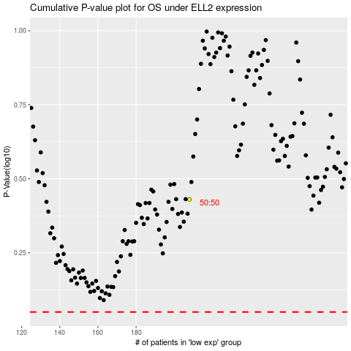

 |  |  |  |  |  | cases_OS | p_OS | rank | exp
 |  |  |  |  |  |  | cases_RFS | p_RFS | rank | exp

