ELMOD2 _multivariate
Reported by Tex Li-Hsing Chi. tex@gate.sinica.edu.tw 2019-08-20

Table 2. The clinicopathological features of HNSCC cohort and ELMOD2 expression. (Chi square test)
Cutoff at -0.137 (49.8%)
 |  | ELMOD2 expression |  | ELMOD2 expression |  | (Optimised)
 | Features | Low | (%) | High | (%) | Case no | P-value | Remark | Matthews
Gender | Female | 159 | 38.3 | 147 | 35.4 | 415 | 0.1905 | 0 | 0
2 | Male | 48 | 11.6 | 61 | 14.7
Age at diagnosis | <=65y | 138 | 33.3 | 136 | 32.8 | 415 | 0.8634 | 0 | 0
4 | >65y | 69 | 16.6 | 72 | 17.3
Clinical T Status | T1+T2 | 70 | 16.9 | 79 | 19 | 415 | 0.4343 | 0 | 0
6 | T3+T4 | 137 | 33 | 129 | 31.1
Clinical N Status | N0 | 95 | 22.9 | 121 | 29.2 | 415 | 0.0162 | 1 | 0
8 | N1-3 | 112 | 27 | 87 | 21
Clinical M Status | M0 | 205 | 49.4 | 207 | 49.9 | 415 | 0.6232 | 0 | 0
10 | M1 | 2 | 0.5 | 1 | 0.2
Clinical Stage | Stage I+II | 44 | 10.6 | 58 | 14 | 415 | 0.1459 | 0 | 0
12 | Stage III+IV | 163 | 39.3 | 150 | 36.1
Surgical Margin status | Negative | 159 | 38.3 | 159 | 38.3 | 415 | 1 | 0 | 0
14 | Positive | 48 | 11.6 | 49 | 11.8
Tobacco Exposure | Low | 72 | 17.3 | 89 | 21.4 | 415 | 0.1071 | 0 | 0
16 | High | 135 | 32.5 | 119 | 28.7

Table 3. Univariate/Multivariate Cox's proportional hazards regression analyses on OS time of ELMOD2 gene expression in HNSCC

 |  | Univariate |  |  |  | Multivariate
 | Features | HR | CI95%(L) | CI95%(H) | P-value | HR | CI95%(L) | CI95%(H) | P-value
1 | Female | 1 |  |  |  | 1
Gender | Male | 1.157 | 0.843 | 1.587 | 0.367 | 1.198 | 0.857 | 1.674 | 0.29
11 | <=65y | 1 |  |  |  | 1
Age at diagnosis | >65y | 1.329 | 0.99 | 1.784 | 0.058 | 1.396 | 1.027 | 1.899 | 0.033
12 | T1+T2 | 1 |  |  |  | 1
Clinical T Status | T3+T4 | 1.409 | 1.028 | 1.931 | 0.033 | 2.229 | 1.176 | 4.227 | 0.014
13 | N0 | 1 |  |  |  | 1
Clinical N Status | N1-3 | 1.185 | 0.89 | 1.577 | 0.246 | 1.255 | 0.876 | 1.798 | 0.216
14 | M0 | 1 |  |  |  | 1
Clinical M Status | M1 | 4.097 | 1.009 | 16.644 | 0.049 | 9.505 | 2.071 | 43.614 | 0.004
15 | Stage I+II | 1 |  |  |  | 1
Clinical Stage | Stage III+IV | 1.245 | 0.882 | 1.759 | 0.213 | 0.5 | 0.233 | 1.074 | 0.076
16 | Negative | 1 |  |  |  | 1
Surgical Margin status | Positive | 1.591 | 1.155 | 2.191 | 0.004 | 1.677 | 1.213 | 2.319 | 0.002
17 | Low | 1 |  |  |  | 1
Tobacco Exposure | High | 1.364 | 1.008 | 1.844 | 0.044 | 1.459 | 1.058 | 2.012 | 0.021
18 | Low | 1 |  |  |  | 1
RNAseq(z-score) | High | 0.951 | 0.714 | 1.267 | 0.731 | 1.063 | 0.791 | 1.427 | 0.686

Table 4. Univariate/Multivariate Cox's proportional hazards regression analyses on RFS time of ELMOD2 gene expression in HNSCC

 |  | Univariate |  |  |  | Multivariate
 | Features | HR | CI95%(L) | CI95%(H) | P-value | HR | CI95%(L) | CI95%(H) | P-value
1 | Female | 1 |  |  |  | 1
Gender | Male | 1.157 | 0.843 | 1.587 | 0.367 | 1.198 | 0.857 | 1.674 | 0.29
11 | <=65y | 1 |  |  |  | 1
Age at diagnosis | >65y | 1.329 | 0.99 | 1.784 | 0.058 | 1.396 | 1.027 | 1.899 | 0.033
12 | T1+T2 | 1 |  |  |  | 1
Clinical T Status | T3+T4 | 1.409 | 1.028 | 1.931 | 0.033 | 2.229 | 1.176 | 4.227 | 0.014
13 | N0 | 1 |  |  |  | 1
Clinical N Status | N1-3 | 1.185 | 0.89 | 1.577 | 0.246 | 1.255 | 0.876 | 1.798 | 0.216
14 | M0 | 1 |  |  |  | 1
Clinical M Status | M1 | 4.097 | 1.009 | 16.644 | 0.049 | 9.505 | 2.071 | 43.614 | 0.004
15 | Stage I+II | 1 |  |  |  | 1
Clinical Stage | Stage III+IV | 1.245 | 0.882 | 1.759 | 0.213 | 0.5 | 0.233 | 1.074 | 0.076
16 | Negative | 1 |  |  |  | 1
Surgical Margin status | Positive | 1.591 | 1.155 | 2.191 | 0.004 | 1.677 | 1.213 | 2.319 | 0.002
17 | Low | 1 |  |  |  | 1
Tobacco Exposure | High | 1.364 | 1.008 | 1.844 | 0.044 | 1.459 | 1.058 | 2.012 | 0.021
18 | Low | 1 |  |  |  | 1
RNAseq(z-score) | High | 0.951 | 0.714 | 1.267 | 0.731 | 1.063 | 0.791 | 1.427 | 0.686

Kaplan-Meier survival estimate: Cutoff at -0.137 (49.8%)



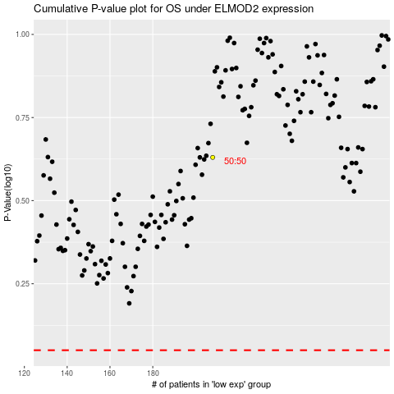

 |  |  |  |  |  | cases_OS | p_OS | rank | exp
 |  |  |  |  |  |  | cases_RFS | p_RFS | rank | exp

