ELMOD3 _multivariate
Reported by Tex Li-Hsing Chi. tex@gate.sinica.edu.tw 2019-08-20

Table 2. The clinicopathological features of HNSCC cohort and ELMOD3 expression. (Chi square test)
Cutoff at -0.195 (49.8%)
 |  | ELMOD3 expression |  | ELMOD3 expression |  | (Optimised)
 | Features | Low | (%) | High | (%) | Case no | P-value | Remark | Matthews
Gender | Female | 142 | 34.2 | 164 | 39.5 | 415 | 0.0238 | 1 | 0
2 | Male | 65 | 15.7 | 44 | 10.6
Age at diagnosis | <=65y | 134 | 32.3 | 140 | 33.7 | 415 | 0.6529 | 0 | 0
4 | >65y | 73 | 17.6 | 68 | 16.4
Clinical T Status | T1+T2 | 72 | 17.3 | 77 | 18.6 | 415 | 0.7095 | 0 | 0
6 | T3+T4 | 135 | 32.5 | 131 | 31.6
Clinical N Status | N0 | 110 | 26.5 | 106 | 25.5 | 415 | 0.7294 | 0 | 0
8 | N1-3 | 97 | 23.4 | 102 | 24.6
Clinical M Status | M0 | 207 | 49.9 | 205 | 49.4 | 415 | 0.2482 | 0 | 0
10 | M1 | 0 | 0 | 3 | 0.7
Clinical Stage | Stage I+II | 55 | 13.3 | 47 | 11.3 | 415 | 0.4087 | 0 | 0
12 | Stage III+IV | 152 | 36.6 | 161 | 38.8
Surgical Margin status | Negative | 163 | 39.3 | 155 | 37.3 | 415 | 0.3537 | 0 | 0
14 | Positive | 44 | 10.6 | 53 | 12.8
Tobacco Exposure | Low | 79 | 19 | 82 | 19.8 | 415 | 0.8405 | 0 | 0
16 | High | 128 | 30.8 | 126 | 30.4

Table 3. Univariate/Multivariate Cox's proportional hazards regression analyses on OS time of ELMOD3 gene expression in HNSCC

 |  | Univariate |  |  |  | Multivariate
 | Features | HR | CI95%(L) | CI95%(H) | P-value | HR | CI95%(L) | CI95%(H) | P-value
1 | Female | 1 |  |  |  | 1
Gender | Male | 1.157 | 0.843 | 1.587 | 0.367 | 1.186 | 0.847 | 1.66 | 0.321
11 | <=65y | 1 |  |  |  | 1
Age at diagnosis | >65y | 1.329 | 0.99 | 1.784 | 0.058 | 1.389 | 1.022 | 1.888 | 0.036
12 | T1+T2 | 1 |  |  |  | 1
Clinical T Status | T3+T4 | 1.409 | 1.028 | 1.931 | 0.033 | 2.159 | 1.139 | 4.093 | 0.018
13 | N0 | 1 |  |  |  | 1
Clinical N Status | N1-3 | 1.185 | 0.89 | 1.577 | 0.246 | 1.232 | 0.863 | 1.759 | 0.25
14 | M0 | 1 |  |  |  | 1
Clinical M Status | M1 | 4.097 | 1.009 | 16.644 | 0.049 | 9.775 | 2.124 | 44.974 | 0.003
15 | Stage I+II | 1 |  |  |  | 1
Clinical Stage | Stage III+IV | 1.245 | 0.882 | 1.759 | 0.213 | 0.515 | 0.239 | 1.107 | 0.089
16 | Negative | 1 |  |  |  | 1
Surgical Margin status | Positive | 1.591 | 1.155 | 2.191 | 0.004 | 1.698 | 1.225 | 2.353 | 0.001
17 | Low | 1 |  |  |  | 1
Tobacco Exposure | High | 1.364 | 1.008 | 1.844 | 0.044 | 1.458 | 1.058 | 2.01 | 0.021
18 | Low | 1 |  |  |  | 1
RNAseq(z-score) | High | 0.914 | 0.686 | 1.219 | 0.54 | 0.899 | 0.669 | 1.209 | 0.481

Table 4. Univariate/Multivariate Cox's proportional hazards regression analyses on RFS time of ELMOD3 gene expression in HNSCC

 |  | Univariate |  |  |  | Multivariate
 | Features | HR | CI95%(L) | CI95%(H) | P-value | HR | CI95%(L) | CI95%(H) | P-value
1 | Female | 1 |  |  |  | 1
Gender | Male | 1.157 | 0.843 | 1.587 | 0.367 | 1.186 | 0.847 | 1.66 | 0.321
11 | <=65y | 1 |  |  |  | 1
Age at diagnosis | >65y | 1.329 | 0.99 | 1.784 | 0.058 | 1.389 | 1.022 | 1.888 | 0.036
12 | T1+T2 | 1 |  |  |  | 1
Clinical T Status | T3+T4 | 1.409 | 1.028 | 1.931 | 0.033 | 2.159 | 1.139 | 4.093 | 0.018
13 | N0 | 1 |  |  |  | 1
Clinical N Status | N1-3 | 1.185 | 0.89 | 1.577 | 0.246 | 1.232 | 0.863 | 1.759 | 0.25
14 | M0 | 1 |  |  |  | 1
Clinical M Status | M1 | 4.097 | 1.009 | 16.644 | 0.049 | 9.775 | 2.124 | 44.974 | 0.003
15 | Stage I+II | 1 |  |  |  | 1
Clinical Stage | Stage III+IV | 1.245 | 0.882 | 1.759 | 0.213 | 0.515 | 0.239 | 1.107 | 0.089
16 | Negative | 1 |  |  |  | 1
Surgical Margin status | Positive | 1.591 | 1.155 | 2.191 | 0.004 | 1.698 | 1.225 | 2.353 | 0.001
17 | Low | 1 |  |  |  | 1
Tobacco Exposure | High | 1.364 | 1.008 | 1.844 | 0.044 | 1.458 | 1.058 | 2.01 | 0.021
18 | Low | 1 |  |  |  | 1
RNAseq(z-score) | High | 0.914 | 0.686 | 1.219 | 0.54 | 0.899 | 0.669 | 1.209 | 0.481

Kaplan-Meier survival estimate: Cutoff at -0.195 (49.8%)



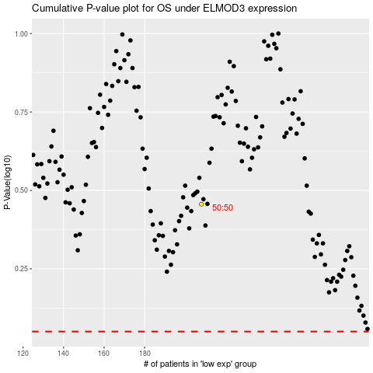

 |  |  |  |  |  | cases_OS | p_OS | rank | exp
 |  |  |  |  |  |  | cases_RFS | p_RFS | rank | exp

