ELOVL1 _multivariate
Reported by Tex Li-Hsing Chi. tex@gate.sinica.edu.tw 2019-08-20

Table 2. The clinicopathological features of HNSCC cohort and ELOVL1 expression. (Chi square test)
Cutoff at 0.172 (69.8%)
 |  | ELOVL1 expression |  | ELOVL1 expression |  | (Optimised)
 | Features | Low | (%) | High | (%) | Case no | P-value | Remark | Matthews
Gender | Female | 217 | 52.3 | 89 | 21.4 | 415 | 0.4087 | 0 | 0
2 | Male | 72 | 17.3 | 37 | 8.9
Age at diagnosis | <=65y | 195 | 47 | 79 | 19 | 415 | 0.4055 | 0 | 0
4 | >65y | 94 | 22.7 | 47 | 11.3
Clinical T Status | T1+T2 | 110 | 26.5 | 39 | 9.4 | 415 | 0.2016 | 0 | 0
6 | T3+T4 | 179 | 43.1 | 87 | 21
Clinical N Status | N0 | 148 | 35.7 | 68 | 16.4 | 415 | 0.6817 | 0 | 0
8 | N1-3 | 141 | 34 | 58 | 14
Clinical M Status | M0 | 288 | 69.4 | 124 | 29.9 | 415 | 0.22 | 0 | 0
10 | M1 | 1 | 0.2 | 2 | 0.5
Clinical Stage | Stage I+II | 72 | 17.3 | 30 | 7.2 | 415 | 0.9075 | 0 | 0
12 | Stage III+IV | 217 | 52.3 | 96 | 23.1
Surgical Margin status | Negative | 220 | 53 | 98 | 23.6 | 415 | 0.8011 | 0 | 0
14 | Positive | 69 | 16.6 | 28 | 6.7
Tobacco Exposure | Low | 106 | 25.5 | 55 | 13.3 | 415 | 0.1899 | 0 | 0
16 | High | 183 | 44.1 | 71 | 17.1

Table 3. Univariate/Multivariate Cox's proportional hazards regression analyses on OS time of ELOVL1 gene expression in HNSCC

 |  | Univariate |  |  |  | Multivariate
 | Features | HR | CI95%(L) | CI95%(H) | P-value | HR | CI95%(L) | CI95%(H) | P-value
1 | Female | 1 |  |  |  | 1
Gender | Male | 1.157 | 0.843 | 1.587 | 0.367 | 1.271 | 0.906 | 1.782 | 0.165
11 | <=65y | 1 |  |  |  | 1
Age at diagnosis | >65y | 1.329 | 0.99 | 1.784 | 0.058 | 1.438 | 1.058 | 1.956 | 0.021
12 | T1+T2 | 1 |  |  |  | 1
Clinical T Status | T3+T4 | 1.409 | 1.028 | 1.931 | 0.033 | 2.391 | 1.262 | 4.531 | 0.008
13 | N0 | 1 |  |  |  | 1
Clinical N Status | N1-3 | 1.185 | 0.89 | 1.577 | 0.246 | 1.217 | 0.852 | 1.738 | 0.28
14 | M0 | 1 |  |  |  | 1
Clinical M Status | M1 | 4.097 | 1.009 | 16.644 | 0.049 | 13.086 | 2.803 | 61.098 | 0.001
15 | Stage I+II | 1 |  |  |  | 1
Clinical Stage | Stage III+IV | 1.245 | 0.882 | 1.759 | 0.213 | 0.479 | 0.223 | 1.031 | 0.06
16 | Negative | 1 |  |  |  | 1
Surgical Margin status | Positive | 1.591 | 1.155 | 2.191 | 0.004 | 1.735 | 1.253 | 2.403 | 0.001
17 | Low | 1 |  |  |  | 1
Tobacco Exposure | High | 1.364 | 1.008 | 1.844 | 0.044 | 1.416 | 1.026 | 1.953 | 0.034
18 | Low | 1 |  |  |  | 1
RNAseq(z-score) | High | 0.708 | 0.507 | 0.987 | 0.042 | 0.623 | 0.442 | 0.878 | 0.007

Table 4. Univariate/Multivariate Cox's proportional hazards regression analyses on RFS time of ELOVL1 gene expression in HNSCC

 |  | Univariate |  |  |  | Multivariate
 | Features | HR | CI95%(L) | CI95%(H) | P-value | HR | CI95%(L) | CI95%(H) | P-value
1 | Female | 1 |  |  |  | 1
Gender | Male | 1.157 | 0.843 | 1.587 | 0.367 | 1.271 | 0.906 | 1.782 | 0.165
11 | <=65y | 1 |  |  |  | 1
Age at diagnosis | >65y | 1.329 | 0.99 | 1.784 | 0.058 | 1.438 | 1.058 | 1.956 | 0.021
12 | T1+T2 | 1 |  |  |  | 1
Clinical T Status | T3+T4 | 1.409 | 1.028 | 1.931 | 0.033 | 2.391 | 1.262 | 4.531 | 0.008
13 | N0 | 1 |  |  |  | 1
Clinical N Status | N1-3 | 1.185 | 0.89 | 1.577 | 0.246 | 1.217 | 0.852 | 1.738 | 0.28
14 | M0 | 1 |  |  |  | 1
Clinical M Status | M1 | 4.097 | 1.009 | 16.644 | 0.049 | 13.086 | 2.803 | 61.098 | 0.001
15 | Stage I+II | 1 |  |  |  | 1
Clinical Stage | Stage III+IV | 1.245 | 0.882 | 1.759 | 0.213 | 0.479 | 0.223 | 1.031 | 0.06
16 | Negative | 1 |  |  |  | 1
Surgical Margin status | Positive | 1.591 | 1.155 | 2.191 | 0.004 | 1.735 | 1.253 | 2.403 | 0.001
17 | Low | 1 |  |  |  | 1
Tobacco Exposure | High | 1.364 | 1.008 | 1.844 | 0.044 | 1.416 | 1.026 | 1.953 | 0.034
18 | Low | 1 |  |  |  | 1
RNAseq(z-score) | High | 0.708 | 0.507 | 0.987 | 0.042 | 0.623 | 0.442 | 0.878 | 0.007

Kaplan-Meier survival estimate: Cutoff at 0.172 (69.8%)

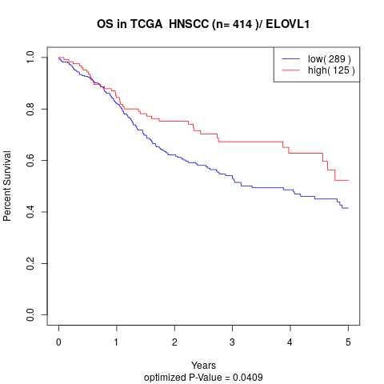

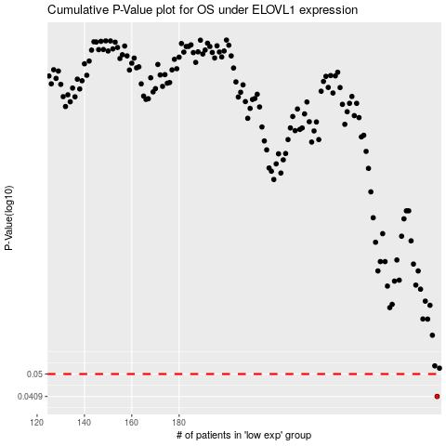

 |  |  |  |  |  | cases_OS | p_OS | rank | exp
 |  |  |  |  |  | 289 | 0.0409 | 406 | 0.17193319414
 |  |  |  |  |  |  | cases_RFS | p_RFS | rank | exp
 |  |  |  |  |  |  | 288 | 0.0409 | 284 | 0.16722085273

