ELOVL4 _multivariate
Reported by Tex Li-Hsing Chi. tex@gate.sinica.edu.tw 2019-08-20

Table 2. The clinicopathological features of HNSCC cohort and ELOVL4 expression. (Chi square test)
Cutoff at -0.325 (50.0%)
 |  | ELOVL4 expression |  | ELOVL4 expression |  | (Optimised)
 | Features | Low | (%) | High | (%) | Case no | P-value | Remark | Matthews
Gender | Female | 155 | 37.3 | 151 | 36.4 | 415 | 0.6768 | 0 | 0
2 | Male | 52 | 12.5 | 57 | 13.7
Age at diagnosis | <=65y | 136 | 32.8 | 138 | 33.3 | 415 | 0.9719 | 0 | 0
4 | >65y | 71 | 17.1 | 70 | 16.9
Clinical T Status | T1+T2 | 82 | 19.8 | 67 | 16.1 | 415 | 0.1417 | 0 | 0
6 | T3+T4 | 125 | 30.1 | 141 | 34
Clinical N Status | N0 | 103 | 24.8 | 113 | 27.2 | 415 | 0.4047 | 0 | 0
8 | N1-3 | 104 | 25.1 | 95 | 22.9
Clinical M Status | M0 | 205 | 49.4 | 207 | 49.9 | 415 | 0.6232 | 0 | 0
10 | M1 | 2 | 0.5 | 1 | 0.2
Clinical Stage | Stage I+II | 55 | 13.3 | 47 | 11.3 | 415 | 0.4087 | 0 | 0
12 | Stage III+IV | 152 | 36.6 | 161 | 38.8
Surgical Margin status | Negative | 158 | 38.1 | 160 | 38.6 | 415 | 0.9081 | 0 | 0
14 | Positive | 49 | 11.8 | 48 | 11.6
Tobacco Exposure | Low | 79 | 19 | 82 | 19.8 | 415 | 0.8405 | 0 | 0
16 | High | 128 | 30.8 | 126 | 30.4

Table 3. Univariate/Multivariate Cox's proportional hazards regression analyses on OS time of ELOVL4 gene expression in HNSCC

 |  | Univariate |  |  |  | Multivariate
 | Features | HR | CI95%(L) | CI95%(H) | P-value | HR | CI95%(L) | CI95%(H) | P-value
1 | Female | 1 |  |  |  | 1
Gender | Male | 1.157 | 0.843 | 1.587 | 0.367 | 1.2 | 0.859 | 1.677 | 0.285
11 | <=65y | 1 |  |  |  | 1
Age at diagnosis | >65y | 1.329 | 0.99 | 1.784 | 0.058 | 1.392 | 1.024 | 1.892 | 0.035
12 | T1+T2 | 1 |  |  |  | 1
Clinical T Status | T3+T4 | 1.409 | 1.028 | 1.931 | 0.033 | 2.203 | 1.165 | 4.165 | 0.015
13 | N0 | 1 |  |  |  | 1
Clinical N Status | N1-3 | 1.185 | 0.89 | 1.577 | 0.246 | 1.247 | 0.871 | 1.784 | 0.228
14 | M0 | 1 |  |  |  | 1
Clinical M Status | M1 | 4.097 | 1.009 | 16.644 | 0.049 | 9.412 | 2.053 | 43.145 | 0.004
15 | Stage I+II | 1 |  |  |  | 1
Clinical Stage | Stage III+IV | 1.245 | 0.882 | 1.759 | 0.213 | 0.503 | 0.234 | 1.08 | 0.078
16 | Negative | 1 |  |  |  | 1
Surgical Margin status | Positive | 1.591 | 1.155 | 2.191 | 0.004 | 1.672 | 1.21 | 2.31 | 0.002
17 | Low | 1 |  |  |  | 1
Tobacco Exposure | High | 1.364 | 1.008 | 1.844 | 0.044 | 1.452 | 1.054 | 2.001 | 0.023
18 | Low | 1 |  |  |  | 1
RNAseq(z-score) | High | 1.032 | 0.775 | 1.375 | 0.828 | 1.03 | 0.771 | 1.375 | 0.844

Table 4. Univariate/Multivariate Cox's proportional hazards regression analyses on RFS time of ELOVL4 gene expression in HNSCC

 |  | Univariate |  |  |  | Multivariate
 | Features | HR | CI95%(L) | CI95%(H) | P-value | HR | CI95%(L) | CI95%(H) | P-value
1 | Female | 1 |  |  |  | 1
Gender | Male | 1.157 | 0.843 | 1.587 | 0.367 | 1.2 | 0.859 | 1.677 | 0.285
11 | <=65y | 1 |  |  |  | 1
Age at diagnosis | >65y | 1.329 | 0.99 | 1.784 | 0.058 | 1.392 | 1.024 | 1.892 | 0.035
12 | T1+T2 | 1 |  |  |  | 1
Clinical T Status | T3+T4 | 1.409 | 1.028 | 1.931 | 0.033 | 2.203 | 1.165 | 4.165 | 0.015
13 | N0 | 1 |  |  |  | 1
Clinical N Status | N1-3 | 1.185 | 0.89 | 1.577 | 0.246 | 1.247 | 0.871 | 1.784 | 0.228
14 | M0 | 1 |  |  |  | 1
Clinical M Status | M1 | 4.097 | 1.009 | 16.644 | 0.049 | 9.412 | 2.053 | 43.145 | 0.004
15 | Stage I+II | 1 |  |  |  | 1
Clinical Stage | Stage III+IV | 1.245 | 0.882 | 1.759 | 0.213 | 0.503 | 0.234 | 1.08 | 0.078
16 | Negative | 1 |  |  |  | 1
Surgical Margin status | Positive | 1.591 | 1.155 | 2.191 | 0.004 | 1.672 | 1.21 | 2.31 | 0.002
17 | Low | 1 |  |  |  | 1
Tobacco Exposure | High | 1.364 | 1.008 | 1.844 | 0.044 | 1.452 | 1.054 | 2.001 | 0.023
18 | Low | 1 |  |  |  | 1
RNAseq(z-score) | High | 1.032 | 0.775 | 1.375 | 0.828 | 1.03 | 0.771 | 1.375 | 0.844

Kaplan-Meier survival estimate: Cutoff at -0.325 (50.0%)



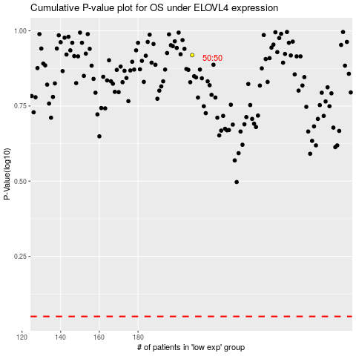

 |  |  |  |  |  | cases_OS | p_OS | rank | exp
 |  |  |  |  |  |  | cases_RFS | p_RFS | rank | exp

