ELOVL7 _multivariate
Reported by Tex Li-Hsing Chi. tex@gate.sinica.edu.tw 2019-08-20

Table 2. The clinicopathological features of HNSCC cohort and ELOVL7 expression. (Chi square test)
Cutoff at -0.241 (50.0%)
 |  | ELOVL7 expression |  | ELOVL7 expression |  | (Optimised)
 | Features | Low | (%) | High | (%) | Case no | P-value | Remark | Matthews
Gender | Female | 161 | 38.8 | 145 | 34.9 | 415 | 0.0792 | 0 | 0
2 | Male | 46 | 11.1 | 63 | 15.2
Age at diagnosis | <=65y | 136 | 32.8 | 138 | 33.3 | 415 | 0.9719 | 0 | 0
4 | >65y | 71 | 17.1 | 70 | 16.9
Clinical T Status | T1+T2 | 80 | 19.3 | 69 | 16.6 | 415 | 0.2891 | 0 | 0
6 | T3+T4 | 127 | 30.6 | 139 | 33.5
Clinical N Status | N0 | 105 | 25.3 | 111 | 26.7 | 415 | 0.6598 | 0 | 0
8 | N1-3 | 102 | 24.6 | 97 | 23.4
Clinical M Status | M0 | 205 | 49.4 | 207 | 49.9 | 415 | 0.6232 | 0 | 0
10 | M1 | 2 | 0.5 | 1 | 0.2
Clinical Stage | Stage I+II | 57 | 13.7 | 45 | 10.8 | 415 | 0.1998 | 0 | 0
12 | Stage III+IV | 150 | 36.1 | 163 | 39.3
Surgical Margin status | Negative | 155 | 37.3 | 163 | 39.3 | 415 | 0.4187 | 0 | 0
14 | Positive | 52 | 12.5 | 45 | 10.8
Tobacco Exposure | Low | 74 | 17.8 | 87 | 21 | 415 | 0.227 | 0 | 0
16 | High | 133 | 32 | 121 | 29.2

Table 3. Univariate/Multivariate Cox's proportional hazards regression analyses on OS time of ELOVL7 gene expression in HNSCC

 |  | Univariate |  |  |  | Multivariate
 | Features | HR | CI95%(L) | CI95%(H) | P-value | HR | CI95%(L) | CI95%(H) | P-value
1 | Female | 1 |  |  |  | 1
Gender | Male | 1.157 | 0.843 | 1.587 | 0.367 | 1.185 | 0.848 | 1.657 | 0.321
11 | <=65y | 1 |  |  |  | 1
Age at diagnosis | >65y | 1.329 | 0.99 | 1.784 | 0.058 | 1.404 | 1.032 | 1.91 | 0.031
12 | T1+T2 | 1 |  |  |  | 1
Clinical T Status | T3+T4 | 1.409 | 1.028 | 1.931 | 0.033 | 2.236 | 1.181 | 4.233 | 0.013
13 | N0 | 1 |  |  |  | 1
Clinical N Status | N1-3 | 1.185 | 0.89 | 1.577 | 0.246 | 1.256 | 0.88 | 1.793 | 0.21
14 | M0 | 1 |  |  |  | 1
Clinical M Status | M1 | 4.097 | 1.009 | 16.644 | 0.049 | 9.624 | 2.098 | 44.153 | 0.004
15 | Stage I+II | 1 |  |  |  | 1
Clinical Stage | Stage III+IV | 1.245 | 0.882 | 1.759 | 0.213 | 0.493 | 0.229 | 1.06 | 0.07
16 | Negative | 1 |  |  |  | 1
Surgical Margin status | Positive | 1.591 | 1.155 | 2.191 | 0.004 | 1.683 | 1.218 | 2.326 | 0.002
17 | Low | 1 |  |  |  | 1
Tobacco Exposure | High | 1.364 | 1.008 | 1.844 | 0.044 | 1.472 | 1.067 | 2.029 | 0.019
18 | Low | 1 |  |  |  | 1
RNAseq(z-score) | High | 1.058 | 0.794 | 1.411 | 0.699 | 1.135 | 0.848 | 1.519 | 0.395

Table 4. Univariate/Multivariate Cox's proportional hazards regression analyses on RFS time of ELOVL7 gene expression in HNSCC

 |  | Univariate |  |  |  | Multivariate
 | Features | HR | CI95%(L) | CI95%(H) | P-value | HR | CI95%(L) | CI95%(H) | P-value
1 | Female | 1 |  |  |  | 1
Gender | Male | 1.157 | 0.843 | 1.587 | 0.367 | 1.185 | 0.848 | 1.657 | 0.321
11 | <=65y | 1 |  |  |  | 1
Age at diagnosis | >65y | 1.329 | 0.99 | 1.784 | 0.058 | 1.404 | 1.032 | 1.91 | 0.031
12 | T1+T2 | 1 |  |  |  | 1
Clinical T Status | T3+T4 | 1.409 | 1.028 | 1.931 | 0.033 | 2.236 | 1.181 | 4.233 | 0.013
13 | N0 | 1 |  |  |  | 1
Clinical N Status | N1-3 | 1.185 | 0.89 | 1.577 | 0.246 | 1.256 | 0.88 | 1.793 | 0.21
14 | M0 | 1 |  |  |  | 1
Clinical M Status | M1 | 4.097 | 1.009 | 16.644 | 0.049 | 9.624 | 2.098 | 44.153 | 0.004
15 | Stage I+II | 1 |  |  |  | 1
Clinical Stage | Stage III+IV | 1.245 | 0.882 | 1.759 | 0.213 | 0.493 | 0.229 | 1.06 | 0.07
16 | Negative | 1 |  |  |  | 1
Surgical Margin status | Positive | 1.591 | 1.155 | 2.191 | 0.004 | 1.683 | 1.218 | 2.326 | 0.002
17 | Low | 1 |  |  |  | 1
Tobacco Exposure | High | 1.364 | 1.008 | 1.844 | 0.044 | 1.472 | 1.067 | 2.029 | 0.019
18 | Low | 1 |  |  |  | 1
RNAseq(z-score) | High | 1.058 | 0.794 | 1.411 | 0.699 | 1.135 | 0.848 | 1.519 | 0.395

Kaplan-Meier survival estimate: Cutoff at -0.241 (50.0%)



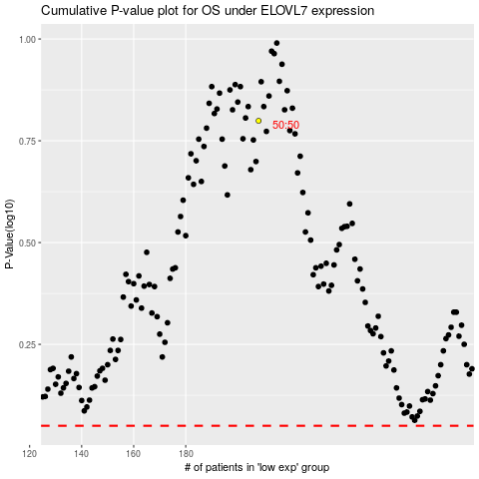

 |  |  |  |  |  | cases_OS | p_OS | rank | exp
 |  |  |  |  |  |  | cases_RFS | p_RFS | rank | exp

