EMCN _multivariate
Reported by Tex Li-Hsing Chi. tex@gate.sinica.edu.tw 2019-08-20

Table 2. The clinicopathological features of HNSCC cohort and EMCN expression. (Chi square test)
Cutoff at -0.323 (50.0%)
 |  | EMCN expression |  | EMCN expression |  | (Optimised)
 | Features | Low | (%) | High | (%) | Case no | P-value | Remark | Matthews
Gender | Female | 158 | 38.1 | 148 | 35.7 | 415 | 0.2774 | 0 | 0
2 | Male | 49 | 11.8 | 60 | 14.5
Age at diagnosis | <=65y | 134 | 32.3 | 140 | 33.7 | 415 | 0.6529 | 0 | 0
4 | >65y | 73 | 17.6 | 68 | 16.4
Clinical T Status | T1+T2 | 64 | 15.4 | 85 | 20.5 | 415 | 0.0445 | 1 | 0
6 | T3+T4 | 143 | 34.5 | 123 | 29.6
Clinical N Status | N0 | 111 | 26.7 | 105 | 25.3 | 415 | 0.5875 | 0 | 0
8 | N1-3 | 96 | 23.1 | 103 | 24.8
Clinical M Status | M0 | 204 | 49.2 | 208 | 50.1 | 415 | 0.1232 | 0 | 0
10 | M1 | 3 | 0.7 | 0 | 0
Clinical Stage | Stage I+II | 44 | 10.6 | 58 | 14 | 415 | 0.1459 | 0 | 0
12 | Stage III+IV | 163 | 39.3 | 150 | 36.1
Surgical Margin status | Negative | 166 | 40 | 152 | 36.6 | 415 | 0.1042 | 0 | 0
14 | Positive | 41 | 9.9 | 56 | 13.5
Tobacco Exposure | Low | 72 | 17.3 | 89 | 21.4 | 415 | 0.1071 | 0 | 0
16 | High | 135 | 32.5 | 119 | 28.7

Table 3. Univariate/Multivariate Cox's proportional hazards regression analyses on OS time of EMCN gene expression in HNSCC

 |  | Univariate |  |  |  | Multivariate
 | Features | HR | CI95%(L) | CI95%(H) | P-value | HR | CI95%(L) | CI95%(H) | P-value
1 | Female | 1 |  |  |  | 1
Gender | Male | 1.157 | 0.843 | 1.587 | 0.367 | 1.214 | 0.868 | 1.697 | 0.258
11 | <=65y | 1 |  |  |  | 1
Age at diagnosis | >65y | 1.329 | 0.99 | 1.784 | 0.058 | 1.379 | 1.015 | 1.874 | 0.04
12 | T1+T2 | 1 |  |  |  | 1
Clinical T Status | T3+T4 | 1.409 | 1.028 | 1.931 | 0.033 | 2.182 | 1.153 | 4.128 | 0.016
13 | N0 | 1 |  |  |  | 1
Clinical N Status | N1-3 | 1.185 | 0.89 | 1.577 | 0.246 | 1.262 | 0.883 | 1.803 | 0.201
14 | M0 | 1 |  |  |  | 1
Clinical M Status | M1 | 4.097 | 1.009 | 16.644 | 0.049 | 8.612 | 1.865 | 39.756 | 0.006
15 | Stage I+II | 1 |  |  |  | 1
Clinical Stage | Stage III+IV | 1.245 | 0.882 | 1.759 | 0.213 | 0.492 | 0.229 | 1.058 | 0.069
16 | Negative | 1 |  |  |  | 1
Surgical Margin status | Positive | 1.591 | 1.155 | 2.191 | 0.004 | 1.717 | 1.238 | 2.382 | 0.001
17 | Low | 1 |  |  |  | 1
Tobacco Exposure | High | 1.364 | 1.008 | 1.844 | 0.044 | 1.448 | 1.051 | 1.995 | 0.024
18 | Low | 1 |  |  |  | 1
RNAseq(z-score) | High | 0.845 | 0.634 | 1.127 | 0.252 | 0.841 | 0.625 | 1.131 | 0.252

Table 4. Univariate/Multivariate Cox's proportional hazards regression analyses on RFS time of EMCN gene expression in HNSCC

 |  | Univariate |  |  |  | Multivariate
 | Features | HR | CI95%(L) | CI95%(H) | P-value | HR | CI95%(L) | CI95%(H) | P-value
1 | Female | 1 |  |  |  | 1
Gender | Male | 1.157 | 0.843 | 1.587 | 0.367 | 1.214 | 0.868 | 1.697 | 0.258
11 | <=65y | 1 |  |  |  | 1
Age at diagnosis | >65y | 1.329 | 0.99 | 1.784 | 0.058 | 1.379 | 1.015 | 1.874 | 0.04
12 | T1+T2 | 1 |  |  |  | 1
Clinical T Status | T3+T4 | 1.409 | 1.028 | 1.931 | 0.033 | 2.182 | 1.153 | 4.128 | 0.016
13 | N0 | 1 |  |  |  | 1
Clinical N Status | N1-3 | 1.185 | 0.89 | 1.577 | 0.246 | 1.262 | 0.883 | 1.803 | 0.201
14 | M0 | 1 |  |  |  | 1
Clinical M Status | M1 | 4.097 | 1.009 | 16.644 | 0.049 | 8.612 | 1.865 | 39.756 | 0.006
15 | Stage I+II | 1 |  |  |  | 1
Clinical Stage | Stage III+IV | 1.245 | 0.882 | 1.759 | 0.213 | 0.492 | 0.229 | 1.058 | 0.069
16 | Negative | 1 |  |  |  | 1
Surgical Margin status | Positive | 1.591 | 1.155 | 2.191 | 0.004 | 1.717 | 1.238 | 2.382 | 0.001
17 | Low | 1 |  |  |  | 1
Tobacco Exposure | High | 1.364 | 1.008 | 1.844 | 0.044 | 1.448 | 1.051 | 1.995 | 0.024
18 | Low | 1 |  |  |  | 1
RNAseq(z-score) | High | 0.845 | 0.634 | 1.127 | 0.252 | 0.841 | 0.625 | 1.131 | 0.252

Kaplan-Meier survival estimate: Cutoff at -0.323 (50.0%)



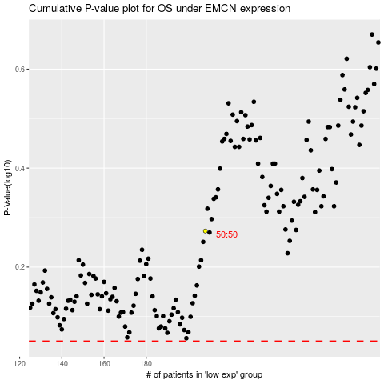

 |  |  |  |  |  | cases_OS | p_OS | rank | exp
 |  |  |  |  |  |  | cases_RFS | p_RFS | rank | exp

