EME2 _multivariate
Reported by Tex Li-Hsing Chi. tex@gate.sinica.edu.tw 2019-08-20

Table 2. The clinicopathological features of HNSCC cohort and EME2 expression. (Chi square test)
Cutoff at -0.584 (31.4%)
 |  | EME2 expression |  | EME2 expression |  | (Optimised)
 | Features | Low | (%) | High | (%) | Case no | P-value | Remark | Matthews
Gender | Female | 100 | 24.1 | 206 | 49.6 | 415 | 0.4854 | 0 | 0
2 | Male | 31 | 7.5 | 78 | 18.8
Age at diagnosis | <=65y | 92 | 22.2 | 182 | 43.9 | 415 | 0.2641 | 0 | 0
4 | >65y | 39 | 9.4 | 102 | 24.6
Clinical T Status | T1+T2 | 48 | 11.6 | 101 | 24.3 | 415 | 0.9182 | 0 | 0
6 | T3+T4 | 83 | 20 | 183 | 44.1
Clinical N Status | N0 | 60 | 14.5 | 156 | 37.6 | 415 | 0.1043 | 0 | 0
8 | N1-3 | 71 | 17.1 | 128 | 30.8
Clinical M Status | M0 | 130 | 31.3 | 282 | 68 | 415 | 1 | 0 | 0
10 | M1 | 1 | 0.2 | 2 | 0.5
Clinical Stage | Stage I+II | 32 | 7.7 | 70 | 16.9 | 415 | 1 | 0 | 0
12 | Stage III+IV | 99 | 23.9 | 214 | 51.6
Surgical Margin status | Negative | 99 | 23.9 | 219 | 52.8 | 415 | 0.803 | 0 | 0
14 | Positive | 32 | 7.7 | 65 | 15.7
Tobacco Exposure | Low | 42 | 10.1 | 119 | 28.7 | 415 | 0.0654 | 0 | 0
16 | High | 89 | 21.4 | 165 | 39.8

Table 3. Univariate/Multivariate Cox's proportional hazards regression analyses on OS time of EME2 gene expression in HNSCC

 |  | Univariate |  |  |  | Multivariate
 | Features | HR | CI95%(L) | CI95%(H) | P-value | HR | CI95%(L) | CI95%(H) | P-value
1 | Female | 1 |  |  |  | 1
Gender | Male | 1.157 | 0.843 | 1.587 | 0.367 | 1.203 | 0.861 | 1.679 | 0.278
11 | <=65y | 1 |  |  |  | 1
Age at diagnosis | >65y | 1.329 | 0.99 | 1.784 | 0.058 | 1.428 | 1.05 | 1.944 | 0.023
12 | T1+T2 | 1 |  |  |  | 1
Clinical T Status | T3+T4 | 1.409 | 1.028 | 1.931 | 0.033 | 2.151 | 1.137 | 4.069 | 0.019
13 | N0 | 1 |  |  |  | 1
Clinical N Status | N1-3 | 1.185 | 0.89 | 1.577 | 0.246 | 1.161 | 0.81 | 1.662 | 0.416
14 | M0 | 1 |  |  |  | 1
Clinical M Status | M1 | 4.097 | 1.009 | 16.644 | 0.049 | 9.162 | 1.998 | 42.013 | 0.004
15 | Stage I+II | 1 |  |  |  | 1
Clinical Stage | Stage III+IV | 1.245 | 0.882 | 1.759 | 0.213 | 0.538 | 0.251 | 1.155 | 0.112
16 | Negative | 1 |  |  |  | 1
Surgical Margin status | Positive | 1.591 | 1.155 | 2.191 | 0.004 | 1.662 | 1.202 | 2.298 | 0.002
17 | Low | 1 |  |  |  | 1
Tobacco Exposure | High | 1.364 | 1.008 | 1.844 | 0.044 | 1.419 | 1.029 | 1.957 | 0.033
18 | Low | 1 |  |  |  | 1
RNAseq(z-score) | High | 0.66 | 0.489 | 0.889 | 0.006 | 0.672 | 0.496 | 0.911 | 0.011

Table 4. Univariate/Multivariate Cox's proportional hazards regression analyses on RFS time of EME2 gene expression in HNSCC

 |  | Univariate |  |  |  | Multivariate
 | Features | HR | CI95%(L) | CI95%(H) | P-value | HR | CI95%(L) | CI95%(H) | P-value
1 | Female | 1 |  |  |  | 1
Gender | Male | 1.157 | 0.843 | 1.587 | 0.367 | 1.203 | 0.861 | 1.679 | 0.278
11 | <=65y | 1 |  |  |  | 1
Age at diagnosis | >65y | 1.329 | 0.99 | 1.784 | 0.058 | 1.428 | 1.05 | 1.944 | 0.023
12 | T1+T2 | 1 |  |  |  | 1
Clinical T Status | T3+T4 | 1.409 | 1.028 | 1.931 | 0.033 | 2.151 | 1.137 | 4.069 | 0.019
13 | N0 | 1 |  |  |  | 1
Clinical N Status | N1-3 | 1.185 | 0.89 | 1.577 | 0.246 | 1.161 | 0.81 | 1.662 | 0.416
14 | M0 | 1 |  |  |  | 1
Clinical M Status | M1 | 4.097 | 1.009 | 16.644 | 0.049 | 9.162 | 1.998 | 42.013 | 0.004
15 | Stage I+II | 1 |  |  |  | 1
Clinical Stage | Stage III+IV | 1.245 | 0.882 | 1.759 | 0.213 | 0.538 | 0.251 | 1.155 | 0.112
16 | Negative | 1 |  |  |  | 1
Surgical Margin status | Positive | 1.591 | 1.155 | 2.191 | 0.004 | 1.662 | 1.202 | 2.298 | 0.002
17 | Low | 1 |  |  |  | 1
Tobacco Exposure | High | 1.364 | 1.008 | 1.844 | 0.044 | 1.419 | 1.029 | 1.957 | 0.033
18 | Low | 1 |  |  |  | 1
RNAseq(z-score) | High | 0.66 | 0.489 | 0.889 | 0.006 | 0.672 | 0.496 | 0.911 | 0.011

Kaplan-Meier survival estimate: Cutoff at -0.584 (31.4%)

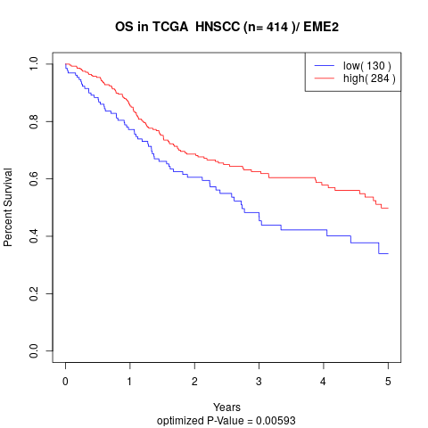

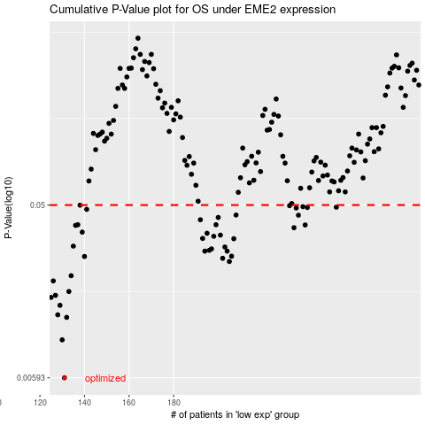

 |  |  |  |  |  | cases_OS | p_OS | rank | exp
 |  |  |  |  |  | 131 | 0.00593 | 177 | -0.5844323945
 |  |  |  |  |  | 130 | 0.00947 | 155 | -0.58570462518
 |  |  |  |  |  | 132 | 0.0125 | 141 | -0.58228116809
 |  |  |  |  |  | 128 | 0.0129 | 246 | -0.58891218859
 |  |  |  |  |  | 129 | 0.0145 | 210 | -0.58625978039
 |  |  |  |  |  | 125 | 0.016 | 295 | -0.59368498125
 |  |  |  |  |  | 127 | 0.0164 | 4 | -0.59028465562
 |  |  |  |  |  | 133 | 0.0172 | 341 | -0.58134048843
 |  |  |  |  |  | 126 | 0.0196 | 273 | -0.59238190862
 |  |  |  |  |  | 134 | 0.0209 | 396 | -0.57410804979
 |  |  |  |  |  | 205 | 0.0249 | 19 | -0.23624213427
 |  |  |  |  |  | 202 | 0.0259 | 36 | -0.26445481336
 |  |  |  |  |  | 140 | 0.0265 | 230 | -0.54857091037
 |  |  |  |  |  | 206 | 0.0266 | 328 | -0.23517037631
 |  |  |  |  |  | 204 | 0.0283 | 278 | -0.25248042401
 |  |  |  |  |  | 194 | 0.0283 | 327 | -0.29496521815
 |  |  |  |  |  | 196 | 0.0286 | 13 | -0.27730048796
 |  |  |  |  |  | 197 | 0.0291 | 293 | -0.27470205318
 |  |  |  |  |  | 203 | 0.0298 | 218 | -0.2556263035
 |  |  |  |  |  | 135 | 0.0301 | 152 | -0.5687261285
 |  |  |  |  |  | 207 | 0.033 | 190 | -0.23155415699
 |  |  |  |  |  | 193 | 0.0331 | 153 | -0.29840409623
 |  |  |  |  |  | 198 | 0.034 | 382 | -0.26953602558
 |  |  |  |  |  | 201 | 0.0345 | 52 | -0.26507165247
 |  |  |  |  |  | 195 | 0.0353 | 405 | -0.28350743157
 |  |  |  |  |  | 139 | 0.0358 | 186 | -0.55493206376
 |  |  |  |  |  | 234 | 0.0378 | 193 | -0.054798908178
 |  |  |  |  |  | 136 | 0.0389 | 228 | -0.56541832874
 |  |  |  |  |  | 239 | 0.0391 | 121 | -0.018528768133
 |  |  |  |  |  | 137 | 0.0392 | 130 | -0.55903404389
 |  |  |  |  |  | 199 | 0.0392 | 348 | -0.26820211099
 |  |  |  |  |  | 192 | 0.0417 | 77 | -0.29868167383
 |  |  |  |  |  | 200 | 0.0429 | 200 | -0.2663824356
 |  |  |  |  |  | 236 | 0.0441 | 231 | -0.045006587205
 |  |  |  |  |  | 208 | 0.0442 | 111 | -0.22745988735
 |  |  |  |  |  | 141 | 0.0474 | 35 | -0.54594934413
 |  |  |  |  |  | 235 | 0.0482 | 72 | -0.0469650514
 |  |  |  |  |  | 240 | 0.0485 | 255 | -0.0062151172721
 |  |  |  |  |  | 253 | 0.0487 | 132 | 0.048567906754
 |  |  |  |  |  | 238 | 0.049 | 260 | -0.036756364023
 |  |  |  |  |  | 232 | 0.0496 | 25 | -0.061753769216
 |  |  |  |  |  | 138 | 0.0499 | 61 | -0.55523277283
 |  |  |  |  |  |  | cases_RFS | p_RFS | rank | exp
 |  |  |  |  |  |  | 130 | 0.00593 | 155 | -0.58570462518
 |  |  |  |  |  |  | 129 | 0.00947 | 210 | -0.58625978039
 |  |  |  |  |  |  | 131 | 0.0125 | 177 | -0.5844323945
 |  |  |  |  |  |  | 127 | 0.0129 | 4 | -0.59028465562
 |  |  |  |  |  |  | 128 | 0.0145 | 246 | -0.58891218859
 |  |  |  |  |  |  |  | 0.016 | 297 | -0.59507286926
 |  |  |  |  |  |  | 126 | 0.0164 | 273 | -0.59238190862
 |  |  |  |  |  |  | 132 | 0.0172 | 141 | -0.58228116809
 |  |  |  |  |  |  | 125 | 0.0196 | 295 | -0.59368498125
 |  |  |  |  |  |  | 133 | 0.0209 | 341 | -0.58134048843
 |  |  |  |  |  |  | 204 | 0.0249 | 278 | -0.25248042401
 |  |  |  |  |  |  | 201 | 0.0259 | 52 | -0.26507165247
 |  |  |  |  |  |  | 139 | 0.0265 | 186 | -0.55493206376
 |  |  |  |  |  |  | 205 | 0.0266 | 19 | -0.23624213427
 |  |  |  |  |  |  | 193 | 0.0283 | 153 | -0.29840409623
 |  |  |  |  |  |  | 203 | 0.0283 | 218 | -0.2556263035
 |  |  |  |  |  |  | 195 | 0.0286 | 405 | -0.28350743157
 |  |  |  |  |  |  | 196 | 0.0291 | 13 | -0.27730048796
 |  |  |  |  |  |  | 202 | 0.0298 | 36 | -0.26445481336
 |  |  |  |  |  |  | 134 | 0.0301 | 396 | -0.57410804979
 |  |  |  |  |  |  | 206 | 0.033 | 328 | -0.23517037631
 |  |  |  |  |  |  | 192 | 0.0331 | 77 | -0.29868167383
 |  |  |  |  |  |  | 197 | 0.034 | 293 | -0.27470205318
 |  |  |  |  |  |  | 200 | 0.0345 | 200 | -0.2663824356
 |  |  |  |  |  |  | 194 | 0.0353 | 327 | -0.29496521815
 |  |  |  |  |  |  | 138 | 0.0358 | 61 | -0.55523277283
 |  |  |  |  |  |  | 233 | 0.0378 | 38 | -0.060288776314
 |  |  |  |  |  |  | 135 | 0.0389 | 152 | -0.5687261285
 |  |  |  |  |  |  | 238 | 0.0391 | 260 | -0.036756364023
 |  |  |  |  |  |  | 136 | 0.0392 | 228 | -0.56541832874
 |  |  |  |  |  |  | 198 | 0.0392 | 382 | -0.26953602558
 |  |  |  |  |  |  | 191 | 0.0417 | 404 | -0.30047821775
 |  |  |  |  |  |  | 199 | 0.0429 | 348 | -0.26820211099
 |  |  |  |  |  |  | 235 | 0.0441 | 72 | -0.0469650514
 |  |  |  |  |  |  | 207 | 0.0442 | 190 | -0.23155415699
 |  |  |  |  |  |  | 140 | 0.0474 | 230 | -0.54857091037
 |  |  |  |  |  |  | 234 | 0.0482 | 193 | -0.054798908178
 |  |  |  |  |  |  | 239 | 0.0485 | 121 | -0.018528768133
 |  |  |  |  |  |  | 252 | 0.0487 | 389 | 0.046501495714
 |  |  |  |  |  |  | 237 | 0.049 | 181 | -0.037851253455
 |  |  |  |  |  |  | 231 | 0.0496 | 287 | -0.077992058955
 |  |  |  |  |  |  | 137 | 0.0499 | 130 | -0.55903404389

