EMID2 _multivariate
Reported by Tex Li-Hsing Chi. tex@gate.sinica.edu.tw 2019-08-20

Table 2. The clinicopathological features of HNSCC cohort and EMID2 expression. (Chi square test)
Cutoff at -0.07 (49.8%)
 |  | EMID2 expression |  | EMID2 expression |  | (Optimised)
 | Features | Low | (%) | High | (%) | Case no | P-value | Remark | Matthews
Gender | Female | 155 | 37.3 | 151 | 36.4 | 415 | 0.6768 | 0 | 0
2 | Male | 52 | 12.5 | 57 | 13.7
Age at diagnosis | <=65y | 145 | 34.9 | 129 | 31.1 | 415 | 0.1046 | 0 | 0
4 | >65y | 62 | 14.9 | 79 | 19
Clinical T Status | T1+T2 | 73 | 17.6 | 76 | 18.3 | 415 | 0.8666 | 0 | 0
6 | T3+T4 | 134 | 32.3 | 132 | 31.8
Clinical N Status | N0 | 97 | 23.4 | 119 | 28.7 | 415 | 0.0442 | 1 | 0
8 | N1-3 | 110 | 26.5 | 89 | 21.4
Clinical M Status | M0 | 204 | 49.2 | 208 | 50.1 | 415 | 0.1232 | 0 | 0
10 | M1 | 3 | 0.7 | 0 | 0
Clinical Stage | Stage I+II | 42 | 10.1 | 60 | 14.5 | 415 | 0.0561 | 0 | 0
12 | Stage III+IV | 165 | 39.8 | 148 | 35.7
Surgical Margin status | Negative | 159 | 38.3 | 159 | 38.3 | 415 | 1 | 0 | 0
14 | Positive | 48 | 11.6 | 49 | 11.8
Tobacco Exposure | Low | 77 | 18.6 | 84 | 20.2 | 415 | 0.5459 | 0 | 0
16 | High | 130 | 31.3 | 124 | 29.9

Table 3. Univariate/Multivariate Cox's proportional hazards regression analyses on OS time of EMID2 gene expression in HNSCC

 |  | Univariate |  |  |  | Multivariate
 | Features | HR | CI95%(L) | CI95%(H) | P-value | HR | CI95%(L) | CI95%(H) | P-value
1 | Female | 1 |  |  |  | 1
Gender | Male | 1.157 | 0.843 | 1.587 | 0.367 | 1.2 | 0.859 | 1.677 | 0.285
11 | <=65y | 1 |  |  |  | 1
Age at diagnosis | >65y | 1.329 | 0.99 | 1.784 | 0.058 | 1.387 | 1.019 | 1.888 | 0.038
12 | T1+T2 | 1 |  |  |  | 1
Clinical T Status | T3+T4 | 1.409 | 1.028 | 1.931 | 0.033 | 2.195 | 1.161 | 4.153 | 0.016
13 | N0 | 1 |  |  |  | 1
Clinical N Status | N1-3 | 1.185 | 0.89 | 1.577 | 0.246 | 1.246 | 0.872 | 1.779 | 0.227
14 | M0 | 1 |  |  |  | 1
Clinical M Status | M1 | 4.097 | 1.009 | 16.644 | 0.049 | 9.538 | 2.074 | 43.877 | 0.004
15 | Stage I+II | 1 |  |  |  | 1
Clinical Stage | Stage III+IV | 1.245 | 0.882 | 1.759 | 0.213 | 0.507 | 0.236 | 1.089 | 0.082
16 | Negative | 1 |  |  |  | 1
Surgical Margin status | Positive | 1.591 | 1.155 | 2.191 | 0.004 | 1.665 | 1.203 | 2.303 | 0.002
17 | Low | 1 |  |  |  | 1
Tobacco Exposure | High | 1.364 | 1.008 | 1.844 | 0.044 | 1.453 | 1.055 | 2.002 | 0.022
18 | Low | 1 |  |  |  | 1
RNAseq(z-score) | High | 1.065 | 0.798 | 1.422 | 0.668 | 1.041 | 0.774 | 1.4 | 0.79

Table 4. Univariate/Multivariate Cox's proportional hazards regression analyses on RFS time of EMID2 gene expression in HNSCC

 |  | Univariate |  |  |  | Multivariate
 | Features | HR | CI95%(L) | CI95%(H) | P-value | HR | CI95%(L) | CI95%(H) | P-value
1 | Female | 1 |  |  |  | 1
Gender | Male | 1.157 | 0.843 | 1.587 | 0.367 | 1.2 | 0.859 | 1.677 | 0.285
11 | <=65y | 1 |  |  |  | 1
Age at diagnosis | >65y | 1.329 | 0.99 | 1.784 | 0.058 | 1.387 | 1.019 | 1.888 | 0.038
12 | T1+T2 | 1 |  |  |  | 1
Clinical T Status | T3+T4 | 1.409 | 1.028 | 1.931 | 0.033 | 2.195 | 1.161 | 4.153 | 0.016
13 | N0 | 1 |  |  |  | 1
Clinical N Status | N1-3 | 1.185 | 0.89 | 1.577 | 0.246 | 1.246 | 0.872 | 1.779 | 0.227
14 | M0 | 1 |  |  |  | 1
Clinical M Status | M1 | 4.097 | 1.009 | 16.644 | 0.049 | 9.538 | 2.074 | 43.877 | 0.004
15 | Stage I+II | 1 |  |  |  | 1
Clinical Stage | Stage III+IV | 1.245 | 0.882 | 1.759 | 0.213 | 0.507 | 0.236 | 1.089 | 0.082
16 | Negative | 1 |  |  |  | 1
Surgical Margin status | Positive | 1.591 | 1.155 | 2.191 | 0.004 | 1.665 | 1.203 | 2.303 | 0.002
17 | Low | 1 |  |  |  | 1
Tobacco Exposure | High | 1.364 | 1.008 | 1.844 | 0.044 | 1.453 | 1.055 | 2.002 | 0.022
18 | Low | 1 |  |  |  | 1
RNAseq(z-score) | High | 1.065 | 0.798 | 1.422 | 0.668 | 1.041 | 0.774 | 1.4 | 0.79

Kaplan-Meier survival estimate: Cutoff at -0.07 (49.8%)



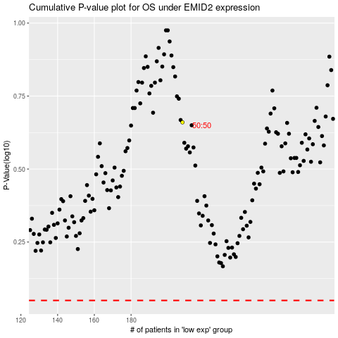

 |  |  |  |  |  | cases_OS | p_OS | rank | exp
 |  |  |  |  |  |  | cases_RFS | p_RFS | rank | exp

