EMILIN1 _multivariate
Reported by Tex Li-Hsing Chi. tex@gate.sinica.edu.tw 2019-08-20

Table 2. The clinicopathological features of HNSCC cohort and EMILIN1 expression. (Chi square test)
Cutoff at -0.241 (49.8%)
 |  | EMILIN1 expression |  | EMILIN1 expression |  | (Optimised)
 | Features | Low | (%) | High | (%) | Case no | P-value | Remark | Matthews
Gender | Female | 151 | 36.4 | 155 | 37.3 | 415 | 0.8007 | 0 | 0
2 | Male | 56 | 13.5 | 53 | 12.8
Age at diagnosis | <=65y | 140 | 33.7 | 134 | 32.3 | 415 | 0.5574 | 0 | 0
4 | >65y | 67 | 16.1 | 74 | 17.8
Clinical T Status | T1+T2 | 83 | 20 | 66 | 15.9 | 415 | 0.0941 | 0 | 0
6 | T3+T4 | 124 | 29.9 | 142 | 34.2
Clinical N Status | N0 | 108 | 26 | 108 | 26 | 415 | 1 | 0 | 0
8 | N1-3 | 99 | 23.9 | 100 | 24.1
Clinical M Status | M0 | 204 | 49.2 | 208 | 50.1 | 415 | 0.1232 | 0 | 0
10 | M1 | 3 | 0.7 | 0 | 0
Clinical Stage | Stage I+II | 54 | 13 | 48 | 11.6 | 415 | 0.5498 | 0 | 0
12 | Stage III+IV | 153 | 36.9 | 160 | 38.6
Surgical Margin status | Negative | 156 | 37.6 | 162 | 39 | 415 | 0.5636 | 0 | 0
14 | Positive | 51 | 12.3 | 46 | 11.1
Tobacco Exposure | Low | 87 | 21 | 74 | 17.8 | 415 | 0.1911 | 0 | 0
16 | High | 120 | 28.9 | 134 | 32.3

Table 3. Univariate/Multivariate Cox's proportional hazards regression analyses on OS time of EMILIN1 gene expression in HNSCC

 |  | Univariate |  |  |  | Multivariate
 | Features | HR | CI95%(L) | CI95%(H) | P-value | HR | CI95%(L) | CI95%(H) | P-value
1 | Female | 1 |  |  |  | 1
Gender | Male | 1.157 | 0.843 | 1.587 | 0.367 | 1.199 | 0.858 | 1.676 | 0.287
11 | <=65y | 1 |  |  |  | 1
Age at diagnosis | >65y | 1.329 | 0.99 | 1.784 | 0.058 | 1.391 | 1.023 | 1.89 | 0.035
12 | T1+T2 | 1 |  |  |  | 1
Clinical T Status | T3+T4 | 1.409 | 1.028 | 1.931 | 0.033 | 2.223 | 1.174 | 4.211 | 0.014
13 | N0 | 1 |  |  |  | 1
Clinical N Status | N1-3 | 1.185 | 0.89 | 1.577 | 0.246 | 1.243 | 0.871 | 1.774 | 0.23
14 | M0 | 1 |  |  |  | 1
Clinical M Status | M1 | 4.097 | 1.009 | 16.644 | 0.049 | 9.172 | 1.992 | 42.233 | 0.004
15 | Stage I+II | 1 |  |  |  | 1
Clinical Stage | Stage III+IV | 1.245 | 0.882 | 1.759 | 0.213 | 0.501 | 0.233 | 1.076 | 0.077
16 | Negative | 1 |  |  |  | 1
Surgical Margin status | Positive | 1.591 | 1.155 | 2.191 | 0.004 | 1.668 | 1.207 | 2.305 | 0.002
17 | Low | 1 |  |  |  | 1
Tobacco Exposure | High | 1.364 | 1.008 | 1.844 | 0.044 | 1.456 | 1.056 | 2.007 | 0.022
18 | Low | 1 |  |  |  | 1
RNAseq(z-score) | High | 0.944 | 0.708 | 1.257 | 0.692 | 0.94 | 0.702 | 1.257 | 0.676

Table 4. Univariate/Multivariate Cox's proportional hazards regression analyses on RFS time of EMILIN1 gene expression in HNSCC

 |  | Univariate |  |  |  | Multivariate
 | Features | HR | CI95%(L) | CI95%(H) | P-value | HR | CI95%(L) | CI95%(H) | P-value
1 | Female | 1 |  |  |  | 1
Gender | Male | 1.157 | 0.843 | 1.587 | 0.367 | 1.199 | 0.858 | 1.676 | 0.287
11 | <=65y | 1 |  |  |  | 1
Age at diagnosis | >65y | 1.329 | 0.99 | 1.784 | 0.058 | 1.391 | 1.023 | 1.89 | 0.035
12 | T1+T2 | 1 |  |  |  | 1
Clinical T Status | T3+T4 | 1.409 | 1.028 | 1.931 | 0.033 | 2.223 | 1.174 | 4.211 | 0.014
13 | N0 | 1 |  |  |  | 1
Clinical N Status | N1-3 | 1.185 | 0.89 | 1.577 | 0.246 | 1.243 | 0.871 | 1.774 | 0.23
14 | M0 | 1 |  |  |  | 1
Clinical M Status | M1 | 4.097 | 1.009 | 16.644 | 0.049 | 9.172 | 1.992 | 42.233 | 0.004
15 | Stage I+II | 1 |  |  |  | 1
Clinical Stage | Stage III+IV | 1.245 | 0.882 | 1.759 | 0.213 | 0.501 | 0.233 | 1.076 | 0.077
16 | Negative | 1 |  |  |  | 1
Surgical Margin status | Positive | 1.591 | 1.155 | 2.191 | 0.004 | 1.668 | 1.207 | 2.305 | 0.002
17 | Low | 1 |  |  |  | 1
Tobacco Exposure | High | 1.364 | 1.008 | 1.844 | 0.044 | 1.456 | 1.056 | 2.007 | 0.022
18 | Low | 1 |  |  |  | 1
RNAseq(z-score) | High | 0.944 | 0.708 | 1.257 | 0.692 | 0.94 | 0.702 | 1.257 | 0.676

Kaplan-Meier survival estimate: Cutoff at -0.241 (49.8%)



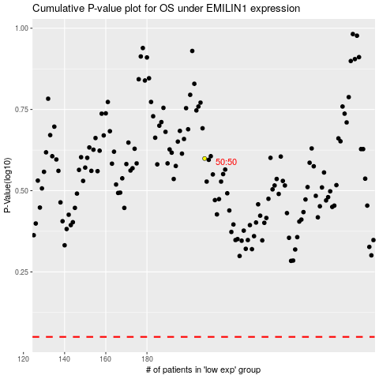

 |  |  |  |  |  | cases_OS | p_OS | rank | exp
 |  |  |  |  |  |  | cases_RFS | p_RFS | rank | exp

