EML1 _multivariate
Reported by Tex Li-Hsing Chi. tex@gate.sinica.edu.tw 2019-08-20

Table 2. The clinicopathological features of HNSCC cohort and EML1 expression. (Chi square test)
Cutoff at -0.2 (50.0%)
 |  | EML1 expression |  | EML1 expression |  | (Optimised)
 | Features | Low | (%) | High | (%) | Case no | P-value | Remark | Matthews
Gender | Female | 163 | 39.3 | 143 | 34.5 | 415 | 0.0277 | 1 | 0
2 | Male | 44 | 10.6 | 65 | 15.7
Age at diagnosis | <=65y | 141 | 34 | 133 | 32 | 415 | 0.4272 | 0 | 0
4 | >65y | 66 | 15.9 | 75 | 18.1
Clinical T Status | T1+T2 | 73 | 17.6 | 76 | 18.3 | 415 | 0.8666 | 0 | 0
6 | T3+T4 | 134 | 32.3 | 132 | 31.8
Clinical N Status | N0 | 100 | 24.1 | 116 | 28 | 415 | 0.1548 | 0 | 0
8 | N1-3 | 107 | 25.8 | 92 | 22.2
Clinical M Status | M0 | 205 | 49.4 | 207 | 49.9 | 415 | 0.6232 | 0 | 0
10 | M1 | 2 | 0.5 | 1 | 0.2
Clinical Stage | Stage I+II | 43 | 10.4 | 59 | 14.2 | 415 | 0.0925 | 0 | 0
12 | Stage III+IV | 164 | 39.5 | 149 | 35.9
Surgical Margin status | Negative | 157 | 37.8 | 161 | 38.8 | 415 | 0.729 | 0 | 0
14 | Positive | 50 | 12 | 47 | 11.3
Tobacco Exposure | Low | 82 | 19.8 | 79 | 19 | 415 | 0.763 | 0 | 0
16 | High | 125 | 30.1 | 129 | 31.1

Table 3. Univariate/Multivariate Cox's proportional hazards regression analyses on OS time of EML1 gene expression in HNSCC

 |  | Univariate |  |  |  | Multivariate
 | Features | HR | CI95%(L) | CI95%(H) | P-value | HR | CI95%(L) | CI95%(H) | P-value
1 | Female | 1 |  |  |  | 1
Gender | Male | 1.157 | 0.843 | 1.587 | 0.367 | 1.2 | 0.857 | 1.68 | 0.289
11 | <=65y | 1 |  |  |  | 1
Age at diagnosis | >65y | 1.329 | 0.99 | 1.784 | 0.058 | 1.391 | 1.022 | 1.892 | 0.036
12 | T1+T2 | 1 |  |  |  | 1
Clinical T Status | T3+T4 | 1.409 | 1.028 | 1.931 | 0.033 | 2.199 | 1.16 | 4.166 | 0.016
13 | N0 | 1 |  |  |  | 1
Clinical N Status | N1-3 | 1.185 | 0.89 | 1.577 | 0.246 | 1.241 | 0.87 | 1.772 | 0.233
14 | M0 | 1 |  |  |  | 1
Clinical M Status | M1 | 4.097 | 1.009 | 16.644 | 0.049 | 9.394 | 2.048 | 43.082 | 0.004
15 | Stage I+II | 1 |  |  |  | 1
Clinical Stage | Stage III+IV | 1.245 | 0.882 | 1.759 | 0.213 | 0.506 | 0.235 | 1.091 | 0.082
16 | Negative | 1 |  |  |  | 1
Surgical Margin status | Positive | 1.591 | 1.155 | 2.191 | 0.004 | 1.67 | 1.208 | 2.309 | 0.002
17 | Low | 1 |  |  |  | 1
Tobacco Exposure | High | 1.364 | 1.008 | 1.844 | 0.044 | 1.453 | 1.055 | 2.002 | 0.022
18 | Low | 1 |  |  |  | 1
RNAseq(z-score) | High | 1.055 | 0.792 | 1.405 | 0.715 | 1.01 | 0.752 | 1.357 | 0.947

Table 4. Univariate/Multivariate Cox's proportional hazards regression analyses on RFS time of EML1 gene expression in HNSCC

 |  | Univariate |  |  |  | Multivariate
 | Features | HR | CI95%(L) | CI95%(H) | P-value | HR | CI95%(L) | CI95%(H) | P-value
1 | Female | 1 |  |  |  | 1
Gender | Male | 1.157 | 0.843 | 1.587 | 0.367 | 1.2 | 0.857 | 1.68 | 0.289
11 | <=65y | 1 |  |  |  | 1
Age at diagnosis | >65y | 1.329 | 0.99 | 1.784 | 0.058 | 1.391 | 1.022 | 1.892 | 0.036
12 | T1+T2 | 1 |  |  |  | 1
Clinical T Status | T3+T4 | 1.409 | 1.028 | 1.931 | 0.033 | 2.199 | 1.16 | 4.166 | 0.016
13 | N0 | 1 |  |  |  | 1
Clinical N Status | N1-3 | 1.185 | 0.89 | 1.577 | 0.246 | 1.241 | 0.87 | 1.772 | 0.233
14 | M0 | 1 |  |  |  | 1
Clinical M Status | M1 | 4.097 | 1.009 | 16.644 | 0.049 | 9.394 | 2.048 | 43.082 | 0.004
15 | Stage I+II | 1 |  |  |  | 1
Clinical Stage | Stage III+IV | 1.245 | 0.882 | 1.759 | 0.213 | 0.506 | 0.235 | 1.091 | 0.082
16 | Negative | 1 |  |  |  | 1
Surgical Margin status | Positive | 1.591 | 1.155 | 2.191 | 0.004 | 1.67 | 1.208 | 2.309 | 0.002
17 | Low | 1 |  |  |  | 1
Tobacco Exposure | High | 1.364 | 1.008 | 1.844 | 0.044 | 1.453 | 1.055 | 2.002 | 0.022
18 | Low | 1 |  |  |  | 1
RNAseq(z-score) | High | 1.055 | 0.792 | 1.405 | 0.715 | 1.01 | 0.752 | 1.357 | 0.947

Kaplan-Meier survival estimate: Cutoff at -0.2 (50.0%)



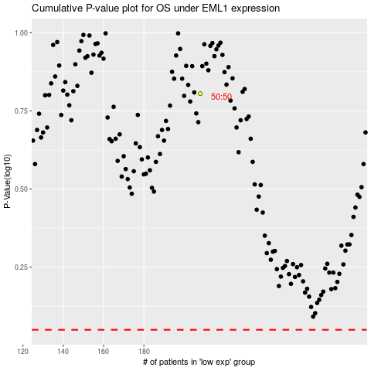

 |  |  |  |  |  | cases_OS | p_OS | rank | exp
 |  |  |  |  |  |  | cases_RFS | p_RFS | rank | exp

