EML2 _multivariate
Reported by Tex Li-Hsing Chi. tex@gate.sinica.edu.tw 2019-08-20

Table 2. The clinicopathological features of HNSCC cohort and EML2 expression. (Chi square test)
Cutoff at -0.215 (50.0%)
 |  | EML2 expression |  | EML2 expression |  | (Optimised)
 | Features | Low | (%) | High | (%) | Case no | P-value | Remark | Matthews
Gender | Female | 158 | 38.1 | 148 | 35.7 | 415 | 0.2774 | 0 | 0
2 | Male | 49 | 11.8 | 60 | 14.5
Age at diagnosis | <=65y | 138 | 33.3 | 136 | 32.8 | 415 | 0.8634 | 0 | 0
4 | >65y | 69 | 16.6 | 72 | 17.3
Clinical T Status | T1+T2 | 87 | 21 | 62 | 14.9 | 415 | 0.0127 | 1 | 0
6 | T3+T4 | 120 | 28.9 | 146 | 35.2
Clinical N Status | N0 | 101 | 24.3 | 115 | 27.7 | 415 | 0.2201 | 0 | 0
8 | N1-3 | 106 | 25.5 | 93 | 22.4
Clinical M Status | M0 | 206 | 49.6 | 206 | 49.6 | 415 | 1 | 0 | 0
10 | M1 | 1 | 0.2 | 2 | 0.5
Clinical Stage | Stage I+II | 59 | 14.2 | 43 | 10.4 | 415 | 0.0822 | 0 | 0
12 | Stage III+IV | 148 | 35.7 | 165 | 39.8
Surgical Margin status | Negative | 171 | 41.2 | 147 | 35.4 | 415 | 0.0052 | 1 | 0
14 | Positive | 36 | 8.7 | 61 | 14.7
Tobacco Exposure | Low | 73 | 17.6 | 88 | 21.2 | 415 | 0.1587 | 0 | 0
16 | High | 134 | 32.3 | 120 | 28.9

Table 3. Univariate/Multivariate Cox's proportional hazards regression analyses on OS time of EML2 gene expression in HNSCC

 |  | Univariate |  |  |  | Multivariate
 | Features | HR | CI95%(L) | CI95%(H) | P-value | HR | CI95%(L) | CI95%(H) | P-value
1 | Female | 1 |  |  |  | 1
Gender | Male | 1.157 | 0.843 | 1.587 | 0.367 | 1.193 | 0.852 | 1.669 | 0.304
11 | <=65y | 1 |  |  |  | 1
Age at diagnosis | >65y | 1.329 | 0.99 | 1.784 | 0.058 | 1.399 | 1.029 | 1.904 | 0.032
12 | T1+T2 | 1 |  |  |  | 1
Clinical T Status | T3+T4 | 1.409 | 1.028 | 1.931 | 0.033 | 2.179 | 1.151 | 4.124 | 0.017
13 | N0 | 1 |  |  |  | 1
Clinical N Status | N1-3 | 1.185 | 0.89 | 1.577 | 0.246 | 1.261 | 0.88 | 1.807 | 0.206
14 | M0 | 1 |  |  |  | 1
Clinical M Status | M1 | 4.097 | 1.009 | 16.644 | 0.049 | 9.058 | 1.965 | 41.747 | 0.005
15 | Stage I+II | 1 |  |  |  | 1
Clinical Stage | Stage III+IV | 1.245 | 0.882 | 1.759 | 0.213 | 0.496 | 0.23 | 1.066 | 0.072
16 | Negative | 1 |  |  |  | 1
Surgical Margin status | Positive | 1.591 | 1.155 | 2.191 | 0.004 | 1.661 | 1.201 | 2.296 | 0.002
17 | Low | 1 |  |  |  | 1
Tobacco Exposure | High | 1.364 | 1.008 | 1.844 | 0.044 | 1.457 | 1.056 | 2.009 | 0.022
18 | Low | 1 |  |  |  | 1
RNAseq(z-score) | High | 1.165 | 0.875 | 1.552 | 0.296 | 1.091 | 0.81 | 1.468 | 0.567

Table 4. Univariate/Multivariate Cox's proportional hazards regression analyses on RFS time of EML2 gene expression in HNSCC

 |  | Univariate |  |  |  | Multivariate
 | Features | HR | CI95%(L) | CI95%(H) | P-value | HR | CI95%(L) | CI95%(H) | P-value
1 | Female | 1 |  |  |  | 1
Gender | Male | 1.157 | 0.843 | 1.587 | 0.367 | 1.193 | 0.852 | 1.669 | 0.304
11 | <=65y | 1 |  |  |  | 1
Age at diagnosis | >65y | 1.329 | 0.99 | 1.784 | 0.058 | 1.399 | 1.029 | 1.904 | 0.032
12 | T1+T2 | 1 |  |  |  | 1
Clinical T Status | T3+T4 | 1.409 | 1.028 | 1.931 | 0.033 | 2.179 | 1.151 | 4.124 | 0.017
13 | N0 | 1 |  |  |  | 1
Clinical N Status | N1-3 | 1.185 | 0.89 | 1.577 | 0.246 | 1.261 | 0.88 | 1.807 | 0.206
14 | M0 | 1 |  |  |  | 1
Clinical M Status | M1 | 4.097 | 1.009 | 16.644 | 0.049 | 9.058 | 1.965 | 41.747 | 0.005
15 | Stage I+II | 1 |  |  |  | 1
Clinical Stage | Stage III+IV | 1.245 | 0.882 | 1.759 | 0.213 | 0.496 | 0.23 | 1.066 | 0.072
16 | Negative | 1 |  |  |  | 1
Surgical Margin status | Positive | 1.591 | 1.155 | 2.191 | 0.004 | 1.661 | 1.201 | 2.296 | 0.002
17 | Low | 1 |  |  |  | 1
Tobacco Exposure | High | 1.364 | 1.008 | 1.844 | 0.044 | 1.457 | 1.056 | 2.009 | 0.022
18 | Low | 1 |  |  |  | 1
RNAseq(z-score) | High | 1.165 | 0.875 | 1.552 | 0.296 | 1.091 | 0.81 | 1.468 | 0.567

Kaplan-Meier survival estimate: Cutoff at -0.215 (50.0%)



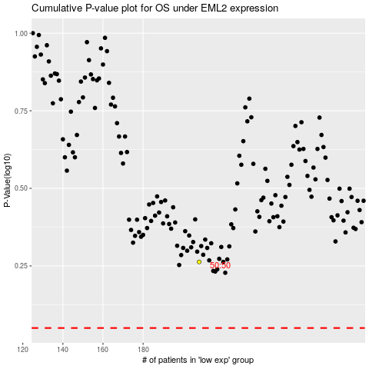

 |  |  |  |  |  | cases_OS | p_OS | rank | exp
 |  |  |  |  |  |  | cases_RFS | p_RFS | rank | exp

