EMP2 _multivariate
Reported by Tex Li-Hsing Chi. tex@gate.sinica.edu.tw 2019-08-20

Table 2. The clinicopathological features of HNSCC cohort and EMP2 expression. (Chi square test)
Cutoff at -0.273 (49.8%)
 |  | EMP2 expression |  | EMP2 expression |  | (Optimised)
 | Features | Low | (%) | High | (%) | Case no | P-value | Remark | Matthews
Gender | Female | 147 | 35.4 | 159 | 38.3 | 415 | 0.2523 | 0 | 0
2 | Male | 60 | 14.5 | 49 | 11.8
Age at diagnosis | <=65y | 132 | 31.8 | 142 | 34.2 | 415 | 0.3874 | 0 | 0
4 | >65y | 75 | 18.1 | 66 | 15.9
Clinical T Status | T1+T2 | 78 | 18.8 | 71 | 17.1 | 415 | 0.5152 | 0 | 0
6 | T3+T4 | 129 | 31.1 | 137 | 33
Clinical N Status | N0 | 110 | 26.5 | 106 | 25.5 | 415 | 0.7294 | 0 | 0
8 | N1-3 | 97 | 23.4 | 102 | 24.6
Clinical M Status | M0 | 205 | 49.4 | 207 | 49.9 | 415 | 0.6232 | 0 | 0
10 | M1 | 2 | 0.5 | 1 | 0.2
Clinical Stage | Stage I+II | 56 | 13.5 | 46 | 11.1 | 415 | 0.2918 | 0 | 0
12 | Stage III+IV | 151 | 36.4 | 162 | 39
Surgical Margin status | Negative | 155 | 37.3 | 163 | 39.3 | 415 | 0.4187 | 0 | 0
14 | Positive | 52 | 12.5 | 45 | 10.8
Tobacco Exposure | Low | 93 | 22.4 | 68 | 16.4 | 415 | 0.0118 | 1 | 0
16 | High | 114 | 27.5 | 140 | 33.7

Table 3. Univariate/Multivariate Cox's proportional hazards regression analyses on OS time of EMP2 gene expression in HNSCC

 |  | Univariate |  |  |  | Multivariate
 | Features | HR | CI95%(L) | CI95%(H) | P-value | HR | CI95%(L) | CI95%(H) | P-value
1 | Female | 1 |  |  |  | 1
Gender | Male | 1.157 | 0.843 | 1.587 | 0.367 | 1.199 | 0.858 | 1.676 | 0.287
11 | <=65y | 1 |  |  |  | 1
Age at diagnosis | >65y | 1.329 | 0.99 | 1.784 | 0.058 | 1.389 | 1.021 | 1.889 | 0.036
12 | T1+T2 | 1 |  |  |  | 1
Clinical T Status | T3+T4 | 1.409 | 1.028 | 1.931 | 0.033 | 2.199 | 1.163 | 4.157 | 0.015
13 | N0 | 1 |  |  |  | 1
Clinical N Status | N1-3 | 1.185 | 0.89 | 1.577 | 0.246 | 1.241 | 0.87 | 1.77 | 0.234
14 | M0 | 1 |  |  |  | 1
Clinical M Status | M1 | 4.097 | 1.009 | 16.644 | 0.049 | 9.314 | 2.03 | 42.733 | 0.004
15 | Stage I+II | 1 |  |  |  | 1
Clinical Stage | Stage III+IV | 1.245 | 0.882 | 1.759 | 0.213 | 0.509 | 0.237 | 1.093 | 0.083
16 | Negative | 1 |  |  |  | 1
Surgical Margin status | Positive | 1.591 | 1.155 | 2.191 | 0.004 | 1.665 | 1.204 | 2.302 | 0.002
17 | Low | 1 |  |  |  | 1
Tobacco Exposure | High | 1.364 | 1.008 | 1.844 | 0.044 | 1.468 | 1.06 | 2.032 | 0.021
18 | Low | 1 |  |  |  | 1
RNAseq(z-score) | High | 0.981 | 0.736 | 1.306 | 0.893 | 0.948 | 0.704 | 1.274 | 0.722

Table 4. Univariate/Multivariate Cox's proportional hazards regression analyses on RFS time of EMP2 gene expression in HNSCC

 |  | Univariate |  |  |  | Multivariate
 | Features | HR | CI95%(L) | CI95%(H) | P-value | HR | CI95%(L) | CI95%(H) | P-value
1 | Female | 1 |  |  |  | 1
Gender | Male | 1.157 | 0.843 | 1.587 | 0.367 | 1.199 | 0.858 | 1.676 | 0.287
11 | <=65y | 1 |  |  |  | 1
Age at diagnosis | >65y | 1.329 | 0.99 | 1.784 | 0.058 | 1.389 | 1.021 | 1.889 | 0.036
12 | T1+T2 | 1 |  |  |  | 1
Clinical T Status | T3+T4 | 1.409 | 1.028 | 1.931 | 0.033 | 2.199 | 1.163 | 4.157 | 0.015
13 | N0 | 1 |  |  |  | 1
Clinical N Status | N1-3 | 1.185 | 0.89 | 1.577 | 0.246 | 1.241 | 0.87 | 1.77 | 0.234
14 | M0 | 1 |  |  |  | 1
Clinical M Status | M1 | 4.097 | 1.009 | 16.644 | 0.049 | 9.314 | 2.03 | 42.733 | 0.004
15 | Stage I+II | 1 |  |  |  | 1
Clinical Stage | Stage III+IV | 1.245 | 0.882 | 1.759 | 0.213 | 0.509 | 0.237 | 1.093 | 0.083
16 | Negative | 1 |  |  |  | 1
Surgical Margin status | Positive | 1.591 | 1.155 | 2.191 | 0.004 | 1.665 | 1.204 | 2.302 | 0.002
17 | Low | 1 |  |  |  | 1
Tobacco Exposure | High | 1.364 | 1.008 | 1.844 | 0.044 | 1.468 | 1.06 | 2.032 | 0.021
18 | Low | 1 |  |  |  | 1
RNAseq(z-score) | High | 0.981 | 0.736 | 1.306 | 0.893 | 0.948 | 0.704 | 1.274 | 0.722

Kaplan-Meier survival estimate: Cutoff at -0.273 (49.8%)



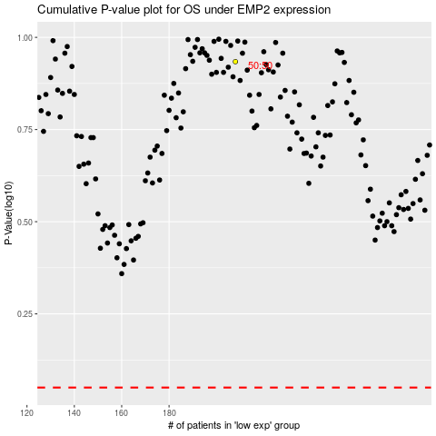

 |  |  |  |  |  | cases_OS | p_OS | rank | exp
 |  |  |  |  |  |  | cases_RFS | p_RFS | rank | exp

