EMR1 _multivariate
Reported by Tex Li-Hsing Chi. tex@gate.sinica.edu.tw 2019-08-20

Table 2. The clinicopathological features of HNSCC cohort and EMR1 expression. (Chi square test)
Cutoff at -0.039 (69.6%)
 |  | EMR1 expression |  | EMR1 expression |  | (Optimised)
 | Features | Low | (%) | High | (%) | Case no | P-value | Remark | Matthews
Gender | Female | 221 | 53.3 | 85 | 20.5 | 415 | 0.0724 | 0 | 0
2 | Male | 68 | 16.4 | 41 | 9.9
Age at diagnosis | <=65y | 195 | 47 | 79 | 19 | 415 | 0.4055 | 0 | 0
4 | >65y | 94 | 22.7 | 47 | 11.3
Clinical T Status | T1+T2 | 109 | 26.3 | 40 | 9.6 | 415 | 0.2917 | 0 | 0
6 | T3+T4 | 180 | 43.4 | 86 | 20.7
Clinical N Status | N0 | 159 | 38.3 | 57 | 13.7 | 415 | 0.0842 | 0 | 0
8 | N1-3 | 130 | 31.3 | 69 | 16.6
Clinical M Status | M0 | 288 | 69.4 | 124 | 29.9 | 415 | 0.22 | 0 | 0
10 | M1 | 1 | 0.2 | 2 | 0.5
Clinical Stage | Stage I+II | 77 | 18.6 | 25 | 6 | 415 | 0.1751 | 0 | 0
12 | Stage III+IV | 212 | 51.1 | 101 | 24.3
Surgical Margin status | Negative | 220 | 53 | 98 | 23.6 | 415 | 0.8011 | 0 | 0
14 | Positive | 69 | 16.6 | 28 | 6.7
Tobacco Exposure | Low | 112 | 27 | 49 | 11.8 | 415 | 1 | 0 | 0
16 | High | 177 | 42.7 | 77 | 18.6

Table 3. Univariate/Multivariate Cox's proportional hazards regression analyses on OS time of EMR1 gene expression in HNSCC

 |  | Univariate |  |  |  | Multivariate
 | Features | HR | CI95%(L) | CI95%(H) | P-value | HR | CI95%(L) | CI95%(H) | P-value
1 | Female | 1 |  |  |  | 1
Gender | Male | 1.157 | 0.843 | 1.587 | 0.367 | 1.184 | 0.847 | 1.653 | 0.323
11 | <=65y | 1 |  |  |  | 1
Age at diagnosis | >65y | 1.329 | 0.99 | 1.784 | 0.058 | 1.342 | 0.985 | 1.83 | 0.063
12 | T1+T2 | 1 |  |  |  | 1
Clinical T Status | T3+T4 | 1.409 | 1.028 | 1.931 | 0.033 | 2.15 | 1.136 | 4.07 | 0.019
13 | N0 | 1 |  |  |  | 1
Clinical N Status | N1-3 | 1.185 | 0.89 | 1.577 | 0.246 | 1.171 | 0.818 | 1.678 | 0.388
14 | M0 | 1 |  |  |  | 1
Clinical M Status | M1 | 4.097 | 1.009 | 16.644 | 0.049 | 8.393 | 1.824 | 38.611 | 0.006
15 | Stage I+II | 1 |  |  |  | 1
Clinical Stage | Stage III+IV | 1.245 | 0.882 | 1.759 | 0.213 | 0.523 | 0.244 | 1.125 | 0.097
16 | Negative | 1 |  |  |  | 1
Surgical Margin status | Positive | 1.591 | 1.155 | 2.191 | 0.004 | 1.7 | 1.229 | 2.351 | 0.001
17 | Low | 1 |  |  |  | 1
Tobacco Exposure | High | 1.364 | 1.008 | 1.844 | 0.044 | 1.468 | 1.064 | 2.025 | 0.019
18 | Low | 1 |  |  |  | 1
RNAseq(z-score) | High | 1.497 | 1.112 | 2.014 | 0.008 | 1.41 | 1.04 | 1.911 | 0.027

Table 4. Univariate/Multivariate Cox's proportional hazards regression analyses on RFS time of EMR1 gene expression in HNSCC

 |  | Univariate |  |  |  | Multivariate
 | Features | HR | CI95%(L) | CI95%(H) | P-value | HR | CI95%(L) | CI95%(H) | P-value
1 | Female | 1 |  |  |  | 1
Gender | Male | 1.157 | 0.843 | 1.587 | 0.367 | 1.184 | 0.847 | 1.653 | 0.323
11 | <=65y | 1 |  |  |  | 1
Age at diagnosis | >65y | 1.329 | 0.99 | 1.784 | 0.058 | 1.342 | 0.985 | 1.83 | 0.063
12 | T1+T2 | 1 |  |  |  | 1
Clinical T Status | T3+T4 | 1.409 | 1.028 | 1.931 | 0.033 | 2.15 | 1.136 | 4.07 | 0.019
13 | N0 | 1 |  |  |  | 1
Clinical N Status | N1-3 | 1.185 | 0.89 | 1.577 | 0.246 | 1.171 | 0.818 | 1.678 | 0.388
14 | M0 | 1 |  |  |  | 1
Clinical M Status | M1 | 4.097 | 1.009 | 16.644 | 0.049 | 8.393 | 1.824 | 38.611 | 0.006
15 | Stage I+II | 1 |  |  |  | 1
Clinical Stage | Stage III+IV | 1.245 | 0.882 | 1.759 | 0.213 | 0.523 | 0.244 | 1.125 | 0.097
16 | Negative | 1 |  |  |  | 1
Surgical Margin status | Positive | 1.591 | 1.155 | 2.191 | 0.004 | 1.7 | 1.229 | 2.351 | 0.001
17 | Low | 1 |  |  |  | 1
Tobacco Exposure | High | 1.364 | 1.008 | 1.844 | 0.044 | 1.468 | 1.064 | 2.025 | 0.019
18 | Low | 1 |  |  |  | 1
RNAseq(z-score) | High | 1.497 | 1.112 | 2.014 | 0.008 | 1.41 | 1.04 | 1.911 | 0.027

Kaplan-Meier survival estimate: Cutoff at -0.039 (69.6%)

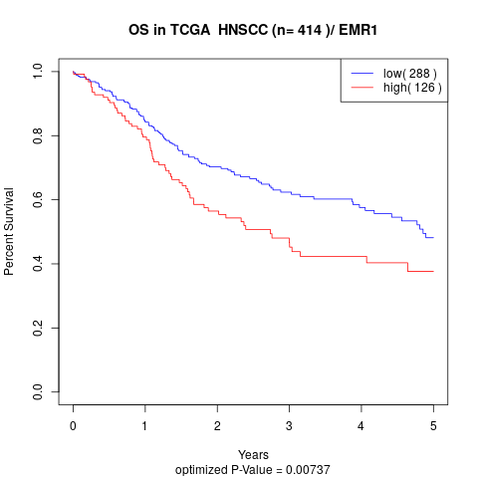

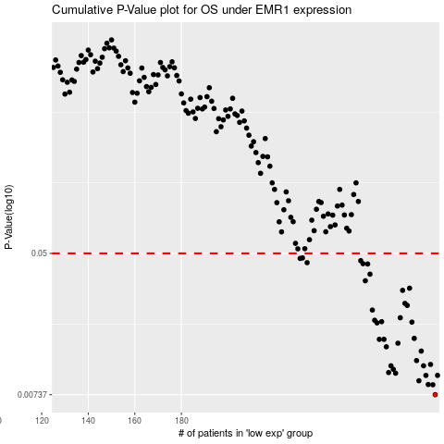

 |  |  |  |  |  | cases_OS | p_OS | rank | exp
 |  |  |  |  |  | 289 | 0.00737 | 74 | -0.039077329008
 |  |  |  |  |  | 288 | 0.00843 | 415 | -0.040980871987
 |  |  |  |  |  | 286 | 0.00846 | 200 | -0.055415199149
 |  |  |  |  |  | 282 | 0.0089 | 214 | -0.088073781809
 |  |  |  |  |  | 290 | 0.00957 | 9 | -0.036184363087
 |  |  |  |  |  | 285 | 0.00957 | 393 | -0.074892914346
 |  |  |  |  |  | 272 | 0.00986 | 276 | -0.12273122758
 |  |  |  |  |  | 269 | 0.00995 | 254 | -0.13065423671
 |  |  |  |  |  | 271 | 0.0104 | 356 | -0.1288707971
 |  |  |  |  |  | 270 | 0.0109 | 94 | -0.12951897398
 |  |  |  |  |  | 284 | 0.0109 | 348 | -0.07691084148
 |  |  |  |  |  | 287 | 0.0111 | 300 | -0.053540252208
 |  |  |  |  |  | 281 | 0.0117 | 160 | -0.091560592134
 |  |  |  |  |  | 283 | 0.0133 | 187 | -0.084073195987
 |  |  |  |  |  | 268 | 0.0141 | 282 | -0.14475875623
 |  |  |  |  |  | 273 | 0.0148 | 66 | -0.12247862923
 |  |  |  |  |  | 267 | 0.0156 | 380 | -0.14632677235
 |  |  |  |  |  | 265 | 0.0156 | 411 | -0.15582256362
 |  |  |  |  |  | 280 | 0.0158 | 121 | -0.091890399781
 |  |  |  |  |  | 264 | 0.0195 | 158 | -0.16246161062
 |  |  |  |  |  | 279 | 0.0197 | 167 | -0.099699977965
 |  |  |  |  |  | 266 | 0.0198 | 329 | -0.15055517328
 |  |  |  |  |  | 263 | 0.0202 | 25 | -0.163481536
 |  |  |  |  |  | 274 | 0.0209 | 264 | -0.12176944747
 |  |  |  |  |  | 262 | 0.0232 | 386 | -0.16758983357
 |  |  |  |  |  | 277 | 0.0247 | 375 | -0.10920530125
 |  |  |  |  |  | 276 | 0.0254 | 172 | -0.1112337136
 |  |  |  |  |  | 275 | 0.0303 | 341 | -0.11185901364
 |  |  |  |  |  | 278 | 0.0312 | 272 | -0.10217067571
 |  |  |  |  |  | 259 | 0.0345 | 161 | -0.18487137299
 |  |  |  |  |  | 261 | 0.0377 | 184 | -0.17162187503
 |  |  |  |  |  | 260 | 0.0433 | 252 | -0.178682237
 |  |  |  |  |  | 258 | 0.0435 | 139 | -0.20028368468
 |  |  |  |  |  | 234 | 0.0441 | 191 | -0.3099475869
 |  |  |  |  |  | 257 | 0.0453 | 145 | -0.20077839615
 |  |  |  |  |  | 231 | 0.0467 | 228 | -0.3243428328
 |  |  |  |  |  | 232 | 0.047 | 275 | -0.31812033477
 |  |  |  |  |  |  | cases_RFS | p_RFS | rank | exp
 |  |  |  |  |  |  | 288 | 0.00737 | 415 | -0.040980871987
 |  |  |  |  |  |  | 287 | 0.00843 | 300 | -0.053540252208
 |  |  |  |  |  |  | 285 | 0.00846 | 393 | -0.074892914346
 |  |  |  |  |  |  | 281 | 0.0089 | 160 | -0.091560592134
 |  |  |  |  |  |  | 289 | 0.00957 | 74 | -0.039077329008
 |  |  |  |  |  |  | 284 | 0.00957 | 348 | -0.07691084148
 |  |  |  |  |  |  | 271 | 0.00986 | 356 | -0.1288707971
 |  |  |  |  |  |  | 268 | 0.00995 | 282 | -0.14475875623
 |  |  |  |  |  |  | 270 | 0.0104 | 94 | -0.12951897398
 |  |  |  |  |  |  | 283 | 0.0109 | 187 | -0.084073195987
 |  |  |  |  |  |  | 269 | 0.0109 | 254 | -0.13065423671
 |  |  |  |  |  |  | 286 | 0.0111 | 200 | -0.055415199149
 |  |  |  |  |  |  | 280 | 0.0117 | 121 | -0.091890399781
 |  |  |  |  |  |  | 282 | 0.0133 | 214 | -0.088073781809
 |  |  |  |  |  |  | 267 | 0.0141 | 380 | -0.14632677235
 |  |  |  |  |  |  | 272 | 0.0148 | 276 | -0.12273122758
 |  |  |  |  |  |  | 264 | 0.0156 | 158 | -0.16246161062
 |  |  |  |  |  |  | 266 | 0.0156 | 329 | -0.15055517328
 |  |  |  |  |  |  | 279 | 0.0158 | 167 | -0.099699977965
 |  |  |  |  |  |  | 263 | 0.0195 | 25 | -0.163481536
 |  |  |  |  |  |  | 278 | 0.0197 | 272 | -0.10217067571
 |  |  |  |  |  |  | 265 | 0.0198 | 411 | -0.15582256362
 |  |  |  |  |  |  | 262 | 0.0202 | 386 | -0.16758983357
 |  |  |  |  |  |  | 273 | 0.0209 | 66 | -0.12247862923
 |  |  |  |  |  |  | 261 | 0.0232 | 184 | -0.17162187503
 |  |  |  |  |  |  | 276 | 0.0247 | 172 | -0.1112337136
 |  |  |  |  |  |  | 275 | 0.0254 | 341 | -0.11185901364
 |  |  |  |  |  |  | 274 | 0.0303 | 264 | -0.12176944747
 |  |  |  |  |  |  | 277 | 0.0312 | 375 | -0.10920530125
 |  |  |  |  |  |  | 258 | 0.0345 | 139 | -0.20028368468
 |  |  |  |  |  |  | 260 | 0.0377 | 252 | -0.178682237
 |  |  |  |  |  |  | 259 | 0.0433 | 161 | -0.18487137299
 |  |  |  |  |  |  | 257 | 0.0435 | 145 | -0.20077839615
 |  |  |  |  |  |  | 233 | 0.0441 | 164 | -0.31627303067
 |  |  |  |  |  |  | 256 | 0.0453 | 245 | -0.20107579495
 |  |  |  |  |  |  | 230 | 0.0467 | 101 | -0.32517307113
 |  |  |  |  |  |  | 231 | 0.047 | 228 | -0.3243428328

