EMR2 _multivariate
Reported by Tex Li-Hsing Chi. tex@gate.sinica.edu.tw 2019-08-20

Table 2. The clinicopathological features of HNSCC cohort and EMR2 expression. (Chi square test)
Cutoff at -0.25 (50.0%)
 |  | EMR2 expression |  | EMR2 expression |  | (Optimised)
 | Features | Low | (%) | High | (%) | Case no | P-value | Remark | Matthews
Gender | Female | 160 | 38.6 | 146 | 35.2 | 415 | 0.1254 | 0 | 0
2 | Male | 47 | 11.3 | 62 | 14.9
Age at diagnosis | <=65y | 147 | 35.4 | 127 | 30.6 | 415 | 0.0416 | 1 | 0
4 | >65y | 60 | 14.5 | 81 | 19.5
Clinical T Status | T1+T2 | 85 | 20.5 | 64 | 15.4 | 415 | 0.0372 | 1 | 0
6 | T3+T4 | 122 | 29.4 | 144 | 34.7
Clinical N Status | N0 | 113 | 27.2 | 103 | 24.8 | 415 | 0.3495 | 1 | 0
8 | N1-3 | 94 | 22.7 | 105 | 25.3
Clinical M Status | M0 | 206 | 49.6 | 206 | 49.6 | 415 | 1 | 0 | 0
10 | M1 | 1 | 0.2 | 2 | 0.5
Clinical Stage | Stage I+II | 57 | 13.7 | 45 | 10.8 | 415 | 0.1998 | 0 | 0
12 | Stage III+IV | 150 | 36.1 | 163 | 39.3
Surgical Margin status | Negative | 151 | 36.4 | 167 | 40.2 | 415 | 0.0828 | 0 | 0
14 | Positive | 56 | 13.5 | 41 | 9.9
Tobacco Exposure | Low | 73 | 17.6 | 88 | 21.2 | 415 | 0.1587 | 0 | 0
16 | High | 134 | 32.3 | 120 | 28.9

Table 3. Univariate/Multivariate Cox's proportional hazards regression analyses on OS time of EMR2 gene expression in HNSCC

 |  | Univariate |  |  |  | Multivariate
 | Features | HR | CI95%(L) | CI95%(H) | P-value | HR | CI95%(L) | CI95%(H) | P-value
1 | Female | 1 |  |  |  | 1
Gender | Male | 1.157 | 0.843 | 1.587 | 0.367 | 1.201 | 0.86 | 1.678 | 0.283
11 | <=65y | 1 |  |  |  | 1
Age at diagnosis | >65y | 1.329 | 0.99 | 1.784 | 0.058 | 1.394 | 1.025 | 1.896 | 0.034
12 | T1+T2 | 1 |  |  |  | 1
Clinical T Status | T3+T4 | 1.409 | 1.028 | 1.931 | 0.033 | 2.213 | 1.168 | 4.193 | 0.015
13 | N0 | 1 |  |  |  | 1
Clinical N Status | N1-3 | 1.185 | 0.89 | 1.577 | 0.246 | 1.241 | 0.87 | 1.77 | 0.234
14 | M0 | 1 |  |  |  | 1
Clinical M Status | M1 | 4.097 | 1.009 | 16.644 | 0.049 | 9.471 | 2.063 | 43.475 | 0.004
15 | Stage I+II | 1 |  |  |  | 1
Clinical Stage | Stage III+IV | 1.245 | 0.882 | 1.759 | 0.213 | 0.503 | 0.234 | 1.08 | 0.078
16 | Negative | 1 |  |  |  | 1
Surgical Margin status | Positive | 1.591 | 1.155 | 2.191 | 0.004 | 1.668 | 1.206 | 2.306 | 0.002
17 | Low | 1 |  |  |  | 1
Tobacco Exposure | High | 1.364 | 1.008 | 1.844 | 0.044 | 1.449 | 1.05 | 1.999 | 0.024
18 | Low | 1 |  |  |  | 1
RNAseq(z-score) | High | 0.978 | 0.734 | 1.304 | 0.88 | 0.97 | 0.725 | 1.297 | 0.837

Table 4. Univariate/Multivariate Cox's proportional hazards regression analyses on RFS time of EMR2 gene expression in HNSCC

 |  | Univariate |  |  |  | Multivariate
 | Features | HR | CI95%(L) | CI95%(H) | P-value | HR | CI95%(L) | CI95%(H) | P-value
1 | Female | 1 |  |  |  | 1
Gender | Male | 1.157 | 0.843 | 1.587 | 0.367 | 1.201 | 0.86 | 1.678 | 0.283
11 | <=65y | 1 |  |  |  | 1
Age at diagnosis | >65y | 1.329 | 0.99 | 1.784 | 0.058 | 1.394 | 1.025 | 1.896 | 0.034
12 | T1+T2 | 1 |  |  |  | 1
Clinical T Status | T3+T4 | 1.409 | 1.028 | 1.931 | 0.033 | 2.213 | 1.168 | 4.193 | 0.015
13 | N0 | 1 |  |  |  | 1
Clinical N Status | N1-3 | 1.185 | 0.89 | 1.577 | 0.246 | 1.241 | 0.87 | 1.77 | 0.234
14 | M0 | 1 |  |  |  | 1
Clinical M Status | M1 | 4.097 | 1.009 | 16.644 | 0.049 | 9.471 | 2.063 | 43.475 | 0.004
15 | Stage I+II | 1 |  |  |  | 1
Clinical Stage | Stage III+IV | 1.245 | 0.882 | 1.759 | 0.213 | 0.503 | 0.234 | 1.08 | 0.078
16 | Negative | 1 |  |  |  | 1
Surgical Margin status | Positive | 1.591 | 1.155 | 2.191 | 0.004 | 1.668 | 1.206 | 2.306 | 0.002
17 | Low | 1 |  |  |  | 1
Tobacco Exposure | High | 1.364 | 1.008 | 1.844 | 0.044 | 1.449 | 1.05 | 1.999 | 0.024
18 | Low | 1 |  |  |  | 1
RNAseq(z-score) | High | 0.978 | 0.734 | 1.304 | 0.88 | 0.97 | 0.725 | 1.297 | 0.837

Kaplan-Meier survival estimate: Cutoff at -0.25 (50.0%)



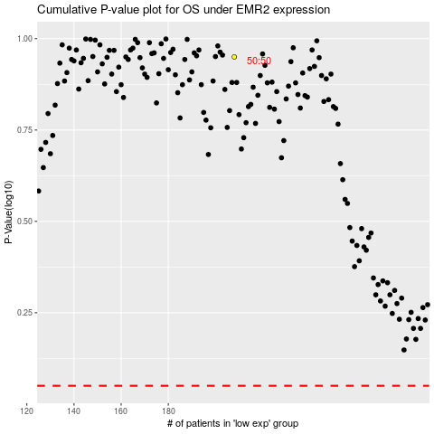

 |  |  |  |  |  | cases_OS | p_OS | rank | exp
 |  |  |  |  |  |  | cases_RFS | p_RFS | rank | exp

