EMX2OS _multivariate
Reported by Tex Li-Hsing Chi. tex@gate.sinica.edu.tw 2019-08-20

Table 2. The clinicopathological features of HNSCC cohort and EMX2OS expression. (Chi square test)
Cutoff at -0.307 (50.0%)
 |  | EMX2OS expression |  | EMX2OS expression |  | (Optimised)
 | Features | Low | (%) | High | (%) | Case no | P-value | Remark | Matthews
Gender | Female | 156 | 37.6 | 150 | 36.1 | 415 | 0.5222 | 0 | 0
2 | Male | 51 | 12.3 | 58 | 14
Age at diagnosis | <=65y | 136 | 32.8 | 138 | 33.3 | 415 | 0.9719 | 0 | 0
4 | >65y | 71 | 17.1 | 70 | 16.9
Clinical T Status | T1+T2 | 61 | 14.7 | 88 | 21.2 | 415 | 0.0087 | 1 | 0
6 | T3+T4 | 146 | 35.2 | 120 | 28.9
Clinical N Status | N0 | 112 | 27 | 104 | 25.1 | 415 | 0.4599 | 0 | 0
8 | N1-3 | 95 | 22.9 | 104 | 25.1
Clinical M Status | M0 | 205 | 49.4 | 207 | 49.9 | 415 | 0.6232 | 0 | 0
10 | M1 | 2 | 0.5 | 1 | 0.2
Clinical Stage | Stage I+II | 45 | 10.8 | 57 | 13.7 | 415 | 0.2202 | 0 | 0
12 | Stage III+IV | 162 | 39 | 151 | 36.4
Surgical Margin status | Negative | 164 | 39.5 | 154 | 37.1 | 415 | 0.2462 | 0 | 0
14 | Positive | 43 | 10.4 | 54 | 13
Tobacco Exposure | Low | 73 | 17.6 | 88 | 21.2 | 415 | 0.1587 | 0 | 0
16 | High | 134 | 32.3 | 120 | 28.9

Table 3. Univariate/Multivariate Cox's proportional hazards regression analyses on OS time of EMX2OS gene expression in HNSCC

 |  | Univariate |  |  |  | Multivariate
 | Features | HR | CI95%(L) | CI95%(H) | P-value | HR | CI95%(L) | CI95%(H) | P-value
1 | Female | 1 |  |  |  | 1
Gender | Male | 1.157 | 0.843 | 1.587 | 0.367 | 1.202 | 0.861 | 1.679 | 0.28
11 | <=65y | 1 |  |  |  | 1
Age at diagnosis | >65y | 1.329 | 0.99 | 1.784 | 0.058 | 1.393 | 1.024 | 1.895 | 0.035
12 | T1+T2 | 1 |  |  |  | 1
Clinical T Status | T3+T4 | 1.409 | 1.028 | 1.931 | 0.033 | 2.247 | 1.186 | 4.255 | 0.013
13 | N0 | 1 |  |  |  | 1
Clinical N Status | N1-3 | 1.185 | 0.89 | 1.577 | 0.246 | 1.223 | 0.856 | 1.747 | 0.269
14 | M0 | 1 |  |  |  | 1
Clinical M Status | M1 | 4.097 | 1.009 | 16.644 | 0.049 | 9.717 | 2.116 | 44.622 | 0.003
15 | Stage I+II | 1 |  |  |  | 1
Clinical Stage | Stage III+IV | 1.245 | 0.882 | 1.759 | 0.213 | 0.502 | 0.234 | 1.079 | 0.078
16 | Negative | 1 |  |  |  | 1
Surgical Margin status | Positive | 1.591 | 1.155 | 2.191 | 0.004 | 1.667 | 1.206 | 2.304 | 0.002
17 | Low | 1 |  |  |  | 1
Tobacco Exposure | High | 1.364 | 1.008 | 1.844 | 0.044 | 1.466 | 1.064 | 2.02 | 0.019
18 | Low | 1 |  |  |  | 1
RNAseq(z-score) | High | 1.094 | 0.821 | 1.457 | 0.539 | 1.145 | 0.857 | 1.53 | 0.358

Table 4. Univariate/Multivariate Cox's proportional hazards regression analyses on RFS time of EMX2OS gene expression in HNSCC

 |  | Univariate |  |  |  | Multivariate
 | Features | HR | CI95%(L) | CI95%(H) | P-value | HR | CI95%(L) | CI95%(H) | P-value
1 | Female | 1 |  |  |  | 1
Gender | Male | 1.157 | 0.843 | 1.587 | 0.367 | 1.202 | 0.861 | 1.679 | 0.28
11 | <=65y | 1 |  |  |  | 1
Age at diagnosis | >65y | 1.329 | 0.99 | 1.784 | 0.058 | 1.393 | 1.024 | 1.895 | 0.035
12 | T1+T2 | 1 |  |  |  | 1
Clinical T Status | T3+T4 | 1.409 | 1.028 | 1.931 | 0.033 | 2.247 | 1.186 | 4.255 | 0.013
13 | N0 | 1 |  |  |  | 1
Clinical N Status | N1-3 | 1.185 | 0.89 | 1.577 | 0.246 | 1.223 | 0.856 | 1.747 | 0.269
14 | M0 | 1 |  |  |  | 1
Clinical M Status | M1 | 4.097 | 1.009 | 16.644 | 0.049 | 9.717 | 2.116 | 44.622 | 0.003
15 | Stage I+II | 1 |  |  |  | 1
Clinical Stage | Stage III+IV | 1.245 | 0.882 | 1.759 | 0.213 | 0.502 | 0.234 | 1.079 | 0.078
16 | Negative | 1 |  |  |  | 1
Surgical Margin status | Positive | 1.591 | 1.155 | 2.191 | 0.004 | 1.667 | 1.206 | 2.304 | 0.002
17 | Low | 1 |  |  |  | 1
Tobacco Exposure | High | 1.364 | 1.008 | 1.844 | 0.044 | 1.466 | 1.064 | 2.02 | 0.019
18 | Low | 1 |  |  |  | 1
RNAseq(z-score) | High | 1.094 | 0.821 | 1.457 | 0.539 | 1.145 | 0.857 | 1.53 | 0.358

Kaplan-Meier survival estimate: Cutoff at -0.307 (50.0%)



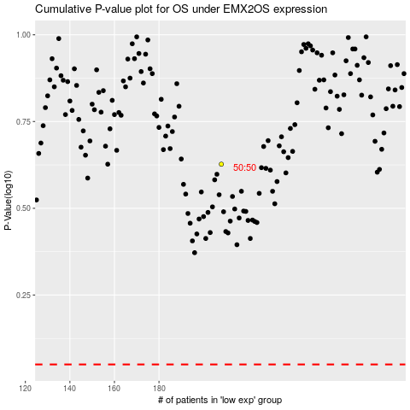

 |  |  |  |  |  | cases_OS | p_OS | rank | exp
 |  |  |  |  |  |  | cases_RFS | p_RFS | rank | exp

