EN1 _multivariate
Reported by Tex Li-Hsing Chi. tex@gate.sinica.edu.tw 2019-08-20

Table 2. The clinicopathological features of HNSCC cohort and EN1 expression. (Chi square test)
Cutoff at -0.259 (49.8%)
 |  | EN1 expression |  | EN1 expression |  | (Optimised)
 | Features | Low | (%) | High | (%) | Case no | P-value | Remark | Matthews
Gender | Female | 158 | 38.1 | 148 | 35.7 | 415 | 0.2774 | 0 | 0
2 | Male | 49 | 11.8 | 60 | 14.5
Age at diagnosis | <=65y | 146 | 35.2 | 128 | 30.8 | 415 | 0.0672 | 0 | 0
4 | >65y | 61 | 14.7 | 80 | 19.3
Clinical T Status | T1+T2 | 81 | 19.5 | 68 | 16.4 | 415 | 0.206 | 0 | 0
6 | T3+T4 | 126 | 30.4 | 140 | 33.7
Clinical N Status | N0 | 99 | 23.9 | 117 | 28.2 | 415 | 0.1054 | 0 | 0
8 | N1-3 | 108 | 26 | 91 | 21.9
Clinical M Status | M0 | 206 | 49.6 | 206 | 49.6 | 415 | 1 | 0 | 0
10 | M1 | 1 | 0.2 | 2 | 0.5
Clinical Stage | Stage I+II | 49 | 11.8 | 53 | 12.8 | 415 | 0.7535 | 0 | 0
12 | Stage III+IV | 158 | 38.1 | 155 | 37.3
Surgical Margin status | Negative | 155 | 37.3 | 163 | 39.3 | 415 | 0.4187 | 0 | 0
14 | Positive | 52 | 12.5 | 45 | 10.8
Tobacco Exposure | Low | 84 | 20.2 | 77 | 18.6 | 415 | 0.4816 | 0 | 0
16 | High | 123 | 29.6 | 131 | 31.6

Table 3. Univariate/Multivariate Cox's proportional hazards regression analyses on OS time of EN1 gene expression in HNSCC

 |  | Univariate |  |  |  | Multivariate
 | Features | HR | CI95%(L) | CI95%(H) | P-value | HR | CI95%(L) | CI95%(H) | P-value
1 | Female | 1 |  |  |  | 1
Gender | Male | 1.157 | 0.843 | 1.587 | 0.367 | 1.2 | 0.859 | 1.676 | 0.285
11 | <=65y | 1 |  |  |  | 1
Age at diagnosis | >65y | 1.329 | 0.99 | 1.784 | 0.058 | 1.389 | 1.022 | 1.888 | 0.036
12 | T1+T2 | 1 |  |  |  | 1
Clinical T Status | T3+T4 | 1.409 | 1.028 | 1.931 | 0.033 | 2.182 | 1.151 | 4.134 | 0.017
13 | N0 | 1 |  |  |  | 1
Clinical N Status | N1-3 | 1.185 | 0.89 | 1.577 | 0.246 | 1.244 | 0.871 | 1.774 | 0.229
14 | M0 | 1 |  |  |  | 1
Clinical M Status | M1 | 4.097 | 1.009 | 16.644 | 0.049 | 9.264 | 2.016 | 42.569 | 0.004
15 | Stage I+II | 1 |  |  |  | 1
Clinical Stage | Stage III+IV | 1.245 | 0.882 | 1.759 | 0.213 | 0.509 | 0.237 | 1.093 | 0.083
16 | Negative | 1 |  |  |  | 1
Surgical Margin status | Positive | 1.591 | 1.155 | 2.191 | 0.004 | 1.675 | 1.212 | 2.315 | 0.002
17 | Low | 1 |  |  |  | 1
Tobacco Exposure | High | 1.364 | 1.008 | 1.844 | 0.044 | 1.448 | 1.05 | 1.996 | 0.024
18 | Low | 1 |  |  |  | 1
RNAseq(z-score) | High | 1.103 | 0.828 | 1.47 | 0.502 | 1.053 | 0.788 | 1.407 | 0.727

Table 4. Univariate/Multivariate Cox's proportional hazards regression analyses on RFS time of EN1 gene expression in HNSCC

 |  | Univariate |  |  |  | Multivariate
 | Features | HR | CI95%(L) | CI95%(H) | P-value | HR | CI95%(L) | CI95%(H) | P-value
1 | Female | 1 |  |  |  | 1
Gender | Male | 1.157 | 0.843 | 1.587 | 0.367 | 1.2 | 0.859 | 1.676 | 0.285
11 | <=65y | 1 |  |  |  | 1
Age at diagnosis | >65y | 1.329 | 0.99 | 1.784 | 0.058 | 1.389 | 1.022 | 1.888 | 0.036
12 | T1+T2 | 1 |  |  |  | 1
Clinical T Status | T3+T4 | 1.409 | 1.028 | 1.931 | 0.033 | 2.182 | 1.151 | 4.134 | 0.017
13 | N0 | 1 |  |  |  | 1
Clinical N Status | N1-3 | 1.185 | 0.89 | 1.577 | 0.246 | 1.244 | 0.871 | 1.774 | 0.229
14 | M0 | 1 |  |  |  | 1
Clinical M Status | M1 | 4.097 | 1.009 | 16.644 | 0.049 | 9.264 | 2.016 | 42.569 | 0.004
15 | Stage I+II | 1 |  |  |  | 1
Clinical Stage | Stage III+IV | 1.245 | 0.882 | 1.759 | 0.213 | 0.509 | 0.237 | 1.093 | 0.083
16 | Negative | 1 |  |  |  | 1
Surgical Margin status | Positive | 1.591 | 1.155 | 2.191 | 0.004 | 1.675 | 1.212 | 2.315 | 0.002
17 | Low | 1 |  |  |  | 1
Tobacco Exposure | High | 1.364 | 1.008 | 1.844 | 0.044 | 1.448 | 1.05 | 1.996 | 0.024
18 | Low | 1 |  |  |  | 1
RNAseq(z-score) | High | 1.103 | 0.828 | 1.47 | 0.502 | 1.053 | 0.788 | 1.407 | 0.727

Kaplan-Meier survival estimate: Cutoff at -0.259 (49.8%)



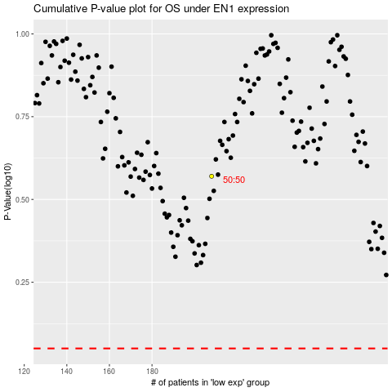

 |  |  |  |  |  | cases_OS | p_OS | rank | exp
 |  |  |  |  |  |  | cases_RFS | p_RFS | rank | exp

