ENC1 _multivariate
Reported by Tex Li-Hsing Chi. tex@gate.sinica.edu.tw 2019-08-20

Table 2. The clinicopathological features of HNSCC cohort and ENC1 expression. (Chi square test)
Cutoff at 0.201 (67.1%)
 |  | ENC1 expression |  | ENC1 expression |  | (Optimised)
 | Features | Low | (%) | High | (%) | Case no | P-value | Remark | Matthews
Gender | Female | 215 | 51.8 | 91 | 21.9 | 415 | 0.024 | 1 | 0
2 | Male | 63 | 15.2 | 46 | 11.1
Age at diagnosis | <=65y | 188 | 45.3 | 86 | 20.7 | 415 | 0.3836 | 0 | 0
4 | >65y | 90 | 21.7 | 51 | 12.3
Clinical T Status | T1+T2 | 90 | 21.7 | 59 | 14.2 | 415 | 0.0427 | 1 | 0
6 | T3+T4 | 188 | 45.3 | 78 | 18.8
Clinical N Status | N0 | 142 | 34.2 | 74 | 17.8 | 415 | 0.6466 | 0 | 0
8 | N1-3 | 136 | 32.8 | 63 | 15.2
Clinical M Status | M0 | 276 | 66.5 | 136 | 32.8 | 415 | 1 | 0 | 0
10 | M1 | 2 | 0.5 | 1 | 0.2
Clinical Stage | Stage I+II | 54 | 13 | 48 | 11.6 | 415 | 8e-04 | 1 | 0
12 | Stage III+IV | 224 | 54 | 89 | 21.4
Surgical Margin status | Negative | 211 | 50.8 | 107 | 25.8 | 415 | 0.7115 | 0 | 0
14 | Positive | 67 | 16.1 | 30 | 7.2
Tobacco Exposure | Low | 102 | 24.6 | 59 | 14.2 | 415 | 0.2388 | 0 | 0
16 | High | 176 | 42.4 | 78 | 18.8

Table 3. Univariate/Multivariate Cox's proportional hazards regression analyses on OS time of ENC1 gene expression in HNSCC

 |  | Univariate |  |  |  | Multivariate
 | Features | HR | CI95%(L) | CI95%(H) | P-value | HR | CI95%(L) | CI95%(H) | P-value
1 | Female | 1 |  |  |  | 1
Gender | Male | 1.157 | 0.843 | 1.587 | 0.367 | 1.175 | 0.84 | 1.643 | 0.347
11 | <=65y | 1 |  |  |  | 1
Age at diagnosis | >65y | 1.329 | 0.99 | 1.784 | 0.058 | 1.377 | 1.012 | 1.875 | 0.042
12 | T1+T2 | 1 |  |  |  | 1
Clinical T Status | T3+T4 | 1.409 | 1.028 | 1.931 | 0.033 | 2.164 | 1.144 | 4.093 | 0.018
13 | N0 | 1 |  |  |  | 1
Clinical N Status | N1-3 | 1.185 | 0.89 | 1.577 | 0.246 | 1.196 | 0.837 | 1.709 | 0.325
14 | M0 | 1 |  |  |  | 1
Clinical M Status | M1 | 4.097 | 1.009 | 16.644 | 0.049 | 8.966 | 1.954 | 41.152 | 0.005
15 | Stage I+II | 1 |  |  |  | 1
Clinical Stage | Stage III+IV | 1.245 | 0.882 | 1.759 | 0.213 | 0.566 | 0.262 | 1.224 | 0.148
16 | Negative | 1 |  |  |  | 1
Surgical Margin status | Positive | 1.591 | 1.155 | 2.191 | 0.004 | 1.693 | 1.225 | 2.341 | 0.001
17 | Low | 1 |  |  |  | 1
Tobacco Exposure | High | 1.364 | 1.008 | 1.844 | 0.044 | 1.468 | 1.064 | 2.024 | 0.019
18 | Low | 1 |  |  |  | 1
RNAseq(z-score) | High | 1.358 | 1.006 | 1.835 | 0.046 | 1.413 | 1.036 | 1.927 | 0.029

Table 4. Univariate/Multivariate Cox's proportional hazards regression analyses on RFS time of ENC1 gene expression in HNSCC

 |  | Univariate |  |  |  | Multivariate
 | Features | HR | CI95%(L) | CI95%(H) | P-value | HR | CI95%(L) | CI95%(H) | P-value
1 | Female | 1 |  |  |  | 1
Gender | Male | 1.157 | 0.843 | 1.587 | 0.367 | 1.175 | 0.84 | 1.643 | 0.347
11 | <=65y | 1 |  |  |  | 1
Age at diagnosis | >65y | 1.329 | 0.99 | 1.784 | 0.058 | 1.377 | 1.012 | 1.875 | 0.042
12 | T1+T2 | 1 |  |  |  | 1
Clinical T Status | T3+T4 | 1.409 | 1.028 | 1.931 | 0.033 | 2.164 | 1.144 | 4.093 | 0.018
13 | N0 | 1 |  |  |  | 1
Clinical N Status | N1-3 | 1.185 | 0.89 | 1.577 | 0.246 | 1.196 | 0.837 | 1.709 | 0.325
14 | M0 | 1 |  |  |  | 1
Clinical M Status | M1 | 4.097 | 1.009 | 16.644 | 0.049 | 8.966 | 1.954 | 41.152 | 0.005
15 | Stage I+II | 1 |  |  |  | 1
Clinical Stage | Stage III+IV | 1.245 | 0.882 | 1.759 | 0.213 | 0.566 | 0.262 | 1.224 | 0.148
16 | Negative | 1 |  |  |  | 1
Surgical Margin status | Positive | 1.591 | 1.155 | 2.191 | 0.004 | 1.693 | 1.225 | 2.341 | 0.001
17 | Low | 1 |  |  |  | 1
Tobacco Exposure | High | 1.364 | 1.008 | 1.844 | 0.044 | 1.468 | 1.064 | 2.024 | 0.019
18 | Low | 1 |  |  |  | 1
RNAseq(z-score) | High | 1.358 | 1.006 | 1.835 | 0.046 | 1.413 | 1.036 | 1.927 | 0.029

Kaplan-Meier survival estimate: Cutoff at 0.201 (67.1%)



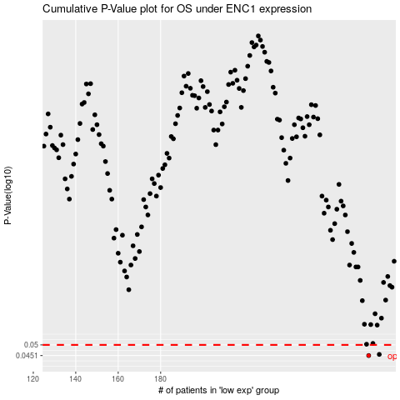

 |  |  |  |  |  | cases_OS | p_OS | rank | exp
 |  |  |  |  |  | 278 | 0.0451 | 207 | 0.20065675771
 |  |  |  |  |  | 283 | 0.0456 | 239 | 0.26041370164
 |  |  |  |  |  |  | cases_RFS | p_RFS | rank | exp
 |  |  |  |  |  |  | 277 | 0.0451 | 331 | 0.19566055946
 |  |  |  |  |  |  | 282 | 0.0456 | 109 | 0.23938390083

